FSD1L _multivariate
Reported by Tex Li-Hsing Chi. tex@gate.sinica.edu.tw 2019-08-19

Table 2. The clinicopathological features of HNSCC cohort and FSD1L expression. (Chi square test)
Cutoff at -0.159 (50.0%)
 |  | FSD1L expression |  | FSD1L expression |  | (Optimised)
 | Features | Low | (%) | High | (%) | Case no | P-value | Remark | Matthews
Gender | Female | 154 | 37.1 | 152 | 36.6 | 415 | 0.8463 | 0 | 0
2 | Male | 53 | 12.8 | 56 | 13.5
Age at diagnosis | <=65y | 132 | 31.8 | 142 | 34.2 | 415 | 0.3874 | 0 | 0
4 | >65y | 75 | 18.1 | 66 | 15.9
Clinical T Status | T1+T2 | 71 | 17.1 | 78 | 18.8 | 415 | 0.5638 | 0 | 0
6 | T3+T4 | 136 | 32.8 | 130 | 31.3
Clinical N Status | N0 | 117 | 28.2 | 99 | 23.9 | 415 | 0.0852 | 1 | 0
8 | N1-3 | 90 | 21.7 | 109 | 26.3
Clinical M Status | M0 | 205 | 49.4 | 207 | 49.9 | 415 | 0.6232 | 0 | 0
10 | M1 | 2 | 0.5 | 1 | 0.2
Clinical Stage | Stage I+II | 46 | 11.1 | 56 | 13.5 | 415 | 0.3182 | 0 | 0
12 | Stage III+IV | 161 | 38.8 | 152 | 36.6
Surgical Margin status | Negative | 163 | 39.3 | 155 | 37.3 | 415 | 0.3537 | 0 | 0
14 | Positive | 44 | 10.6 | 53 | 12.8
Tobacco Exposure | Low | 84 | 20.2 | 77 | 18.6 | 415 | 0.4816 | 0 | 0
16 | High | 123 | 29.6 | 131 | 31.6

Table 3. Univariate/Multivariate Cox's proportional hazards regression analyses on OS time of FSD1L gene expression in HNSCC

 |  | Univariate |  |  |  | Multivariate
 | Features | HR | CI95%(L) | CI95%(H) | P-value | HR | CI95%(L) | CI95%(H) | P-value
1 | Female | 1 |  |  |  | 1
Gender | Male | 1.157 | 0.843 | 1.587 | 0.367 | 1.205 | 0.862 | 1.683 | 0.274
11 | <=65y | 1 |  |  |  | 1
Age at diagnosis | >65y | 1.329 | 0.99 | 1.784 | 0.058 | 1.392 | 1.024 | 1.892 | 0.035
12 | T1+T2 | 1 |  |  |  | 1
Clinical T Status | T3+T4 | 1.409 | 1.028 | 1.931 | 0.033 | 2.181 | 1.153 | 4.128 | 0.017
13 | N0 | 1 |  |  |  | 1
Clinical N Status | N1-3 | 1.185 | 0.89 | 1.577 | 0.246 | 1.217 | 0.847 | 1.75 | 0.287
14 | M0 | 1 |  |  |  | 1
Clinical M Status | M1 | 4.097 | 1.009 | 16.644 | 0.049 | 9.617 | 2.094 | 44.175 | 0.004
15 | Stage I+II | 1 |  |  |  | 1
Clinical Stage | Stage III+IV | 1.245 | 0.882 | 1.759 | 0.213 | 0.518 | 0.24 | 1.117 | 0.094
16 | Negative | 1 |  |  |  | 1
Surgical Margin status | Positive | 1.591 | 1.155 | 2.191 | 0.004 | 1.667 | 1.206 | 2.303 | 0.002
17 | Low | 1 |  |  |  | 1
Tobacco Exposure | High | 1.364 | 1.008 | 1.844 | 0.044 | 1.457 | 1.057 | 2.007 | 0.021
18 | Low | 1 |  |  |  | 1
RNAseq(z-score) | High | 1.088 | 0.817 | 1.45 | 0.562 | 1.082 | 0.807 | 1.451 | 0.598

Table 4. Univariate/Multivariate Cox's proportional hazards regression analyses on RFS time of FSD1L gene expression in HNSCC

 |  | Univariate |  |  |  | Multivariate
 | Features | HR | CI95%(L) | CI95%(H) | P-value | HR | CI95%(L) | CI95%(H) | P-value
1 | Female | 1 |  |  |  | 1
Gender | Male | 1.157 | 0.843 | 1.587 | 0.367 | 1.205 | 0.862 | 1.683 | 0.274
11 | <=65y | 1 |  |  |  | 1
Age at diagnosis | >65y | 1.329 | 0.99 | 1.784 | 0.058 | 1.392 | 1.024 | 1.892 | 0.035
12 | T1+T2 | 1 |  |  |  | 1
Clinical T Status | T3+T4 | 1.409 | 1.028 | 1.931 | 0.033 | 2.181 | 1.153 | 4.128 | 0.017
13 | N0 | 1 |  |  |  | 1
Clinical N Status | N1-3 | 1.185 | 0.89 | 1.577 | 0.246 | 1.217 | 0.847 | 1.75 | 0.287
14 | M0 | 1 |  |  |  | 1
Clinical M Status | M1 | 4.097 | 1.009 | 16.644 | 0.049 | 9.617 | 2.094 | 44.175 | 0.004
15 | Stage I+II | 1 |  |  |  | 1
Clinical Stage | Stage III+IV | 1.245 | 0.882 | 1.759 | 0.213 | 0.518 | 0.24 | 1.117 | 0.094
16 | Negative | 1 |  |  |  | 1
Surgical Margin status | Positive | 1.591 | 1.155 | 2.191 | 0.004 | 1.667 | 1.206 | 2.303 | 0.002
17 | Low | 1 |  |  |  | 1
Tobacco Exposure | High | 1.364 | 1.008 | 1.844 | 0.044 | 1.457 | 1.057 | 2.007 | 0.021
18 | Low | 1 |  |  |  | 1
RNAseq(z-score) | High | 1.088 | 0.817 | 1.45 | 0.562 | 1.082 | 0.807 | 1.451 | 0.598

Kaplan-Meier survival estimate: Cutoff at -0.159 (50.0%)



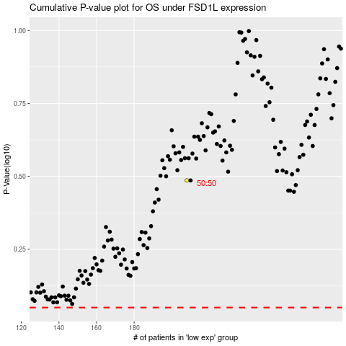

 |  |  |  |  |  | cases_OS | p_OS | rank | exp
 |  |  |  |  |  |  | cases_RFS | p_RFS | rank | exp

