FSTL3 _multivariate
Reported by Tex Li-Hsing Chi. tex@gate.sinica.edu.tw 2019-08-19

Table 2. The clinicopathological features of HNSCC cohort and FSTL3 expression. (Chi square test)
Cutoff at -0.457 (31.2%)
 |  | FSTL3 expression |  | FSTL3 expression |  | (Optimised)
 | Features | Low | (%) | High | (%) | Case no | P-value | Remark | Matthews
Gender | Female | 102 | 24.6 | 204 | 49.2 | 415 | 0.124 | 0 | 0
2 | Male | 27 | 6.5 | 82 | 19.8
Age at diagnosis | <=65y | 83 | 20 | 191 | 46 | 415 | 0.7083 | 0 | 0
4 | >65y | 46 | 11.1 | 95 | 22.9
Clinical T Status | T1+T2 | 49 | 11.8 | 100 | 24.1 | 415 | 0.6291 | 0 | 0
6 | T3+T4 | 80 | 19.3 | 186 | 44.8
Clinical N Status | N0 | 64 | 15.4 | 152 | 36.6 | 415 | 0.5749 | 0 | 0
8 | N1-3 | 65 | 15.7 | 134 | 32.3
Clinical M Status | M0 | 128 | 30.8 | 284 | 68.4 | 415 | 1 | 0 | 0
10 | M1 | 1 | 0.2 | 2 | 0.5
Clinical Stage | Stage I+II | 27 | 6.5 | 75 | 18.1 | 415 | 0.3002 | 0 | 0
12 | Stage III+IV | 102 | 24.6 | 211 | 50.8
Surgical Margin status | Negative | 93 | 22.4 | 225 | 54.2 | 415 | 0.1679 | 0 | 0
14 | Positive | 36 | 8.7 | 61 | 14.7
Tobacco Exposure | Low | 45 | 10.8 | 116 | 28 | 415 | 0.279 | 0 | 0
16 | High | 84 | 20.2 | 170 | 41

Table 3. Univariate/Multivariate Cox's proportional hazards regression analyses on OS time of FSTL3 gene expression in HNSCC

 |  | Univariate |  |  |  | Multivariate
 | Features | HR | CI95%(L) | CI95%(H) | P-value | HR | CI95%(L) | CI95%(H) | P-value
1 | Female | 1 |  |  |  | 1
Gender | Male | 1.157 | 0.843 | 1.587 | 0.367 | 1.138 | 0.812 | 1.595 | 0.454
11 | <=65y | 1 |  |  |  | 1
Age at diagnosis | >65y | 1.329 | 0.99 | 1.784 | 0.058 | 1.402 | 1.032 | 1.906 | 0.031
12 | T1+T2 | 1 |  |  |  | 1
Clinical T Status | T3+T4 | 1.409 | 1.028 | 1.931 | 0.033 | 2.044 | 1.079 | 3.874 | 0.028
13 | N0 | 1 |  |  |  | 1
Clinical N Status | N1-3 | 1.185 | 0.89 | 1.577 | 0.246 | 1.241 | 0.87 | 1.769 | 0.233
14 | M0 | 1 |  |  |  | 1
Clinical M Status | M1 | 4.097 | 1.009 | 16.644 | 0.049 | 8.941 | 1.951 | 40.978 | 0.005
15 | Stage I+II | 1 |  |  |  | 1
Clinical Stage | Stage III+IV | 1.245 | 0.882 | 1.759 | 0.213 | 0.553 | 0.257 | 1.19 | 0.13
16 | Negative | 1 |  |  |  | 1
Surgical Margin status | Positive | 1.591 | 1.155 | 2.191 | 0.004 | 1.656 | 1.199 | 2.286 | 0.002
17 | Low | 1 |  |  |  | 1
Tobacco Exposure | High | 1.364 | 1.008 | 1.844 | 0.044 | 1.471 | 1.066 | 2.03 | 0.019
18 | Low | 1 |  |  |  | 1
RNAseq(z-score) | High | 1.458 | 1.052 | 2.02 | 0.024 | 1.456 | 1.044 | 2.029 | 0.027

Table 4. Univariate/Multivariate Cox's proportional hazards regression analyses on RFS time of FSTL3 gene expression in HNSCC

 |  | Univariate |  |  |  | Multivariate
 | Features | HR | CI95%(L) | CI95%(H) | P-value | HR | CI95%(L) | CI95%(H) | P-value
1 | Female | 1 |  |  |  | 1
Gender | Male | 1.157 | 0.843 | 1.587 | 0.367 | 1.138 | 0.812 | 1.595 | 0.454
11 | <=65y | 1 |  |  |  | 1
Age at diagnosis | >65y | 1.329 | 0.99 | 1.784 | 0.058 | 1.402 | 1.032 | 1.906 | 0.031
12 | T1+T2 | 1 |  |  |  | 1
Clinical T Status | T3+T4 | 1.409 | 1.028 | 1.931 | 0.033 | 2.044 | 1.079 | 3.874 | 0.028
13 | N0 | 1 |  |  |  | 1
Clinical N Status | N1-3 | 1.185 | 0.89 | 1.577 | 0.246 | 1.241 | 0.87 | 1.769 | 0.233
14 | M0 | 1 |  |  |  | 1
Clinical M Status | M1 | 4.097 | 1.009 | 16.644 | 0.049 | 8.941 | 1.951 | 40.978 | 0.005
15 | Stage I+II | 1 |  |  |  | 1
Clinical Stage | Stage III+IV | 1.245 | 0.882 | 1.759 | 0.213 | 0.553 | 0.257 | 1.19 | 0.13
16 | Negative | 1 |  |  |  | 1
Surgical Margin status | Positive | 1.591 | 1.155 | 2.191 | 0.004 | 1.656 | 1.199 | 2.286 | 0.002
17 | Low | 1 |  |  |  | 1
Tobacco Exposure | High | 1.364 | 1.008 | 1.844 | 0.044 | 1.471 | 1.066 | 2.03 | 0.019
18 | Low | 1 |  |  |  | 1
RNAseq(z-score) | High | 1.458 | 1.052 | 2.02 | 0.024 | 1.456 | 1.044 | 2.029 | 0.027

Kaplan-Meier survival estimate: Cutoff at -0.457 (31.2%)

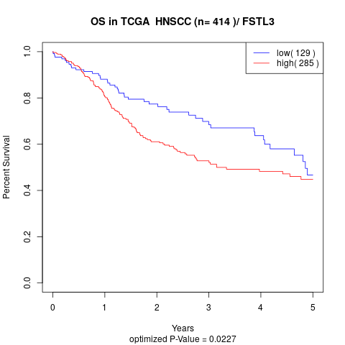

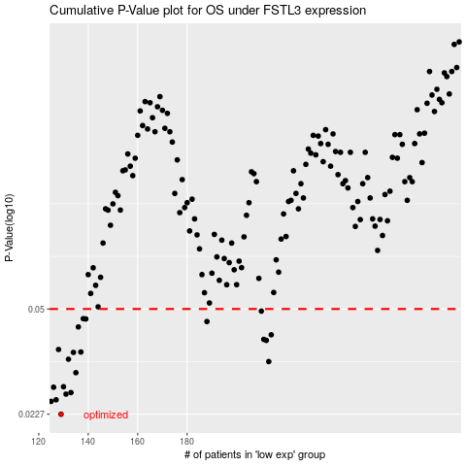

 |  |  |  |  |  | cases_OS | p_OS | rank | exp
 |  |  |  |  |  | 129 | 0.0227 | 118 | -0.45652170352
 |  |  |  |  |  | 125 | 0.025 | 243 | -0.47083889061
 |  |  |  |  |  | 127 | 0.0253 | 398 | -0.46346683536
 |  |  |  |  |  | 131 | 0.0264 | 220 | -0.44985334029
 |  |  |  |  |  | 133 | 0.0267 | 123 | -0.44171361122
 |  |  |  |  |  | 126 | 0.0278 | 348 | -0.46433979573
 |  |  |  |  |  | 130 | 0.0279 | 81 | -0.4536098559
 |  |  |  |  |  | 135 | 0.031 | 78 | -0.44029623847
 |  |  |  |  |  | 213 | 0.0337 | 248 | -0.21396474226
 |  |  |  |  |  | 132 | 0.0343 | 399 | -0.44572346243
 |  |  |  |  |  | 134 | 0.0361 | 33 | -0.4410709854
 |  |  |  |  |  | 137 | 0.0362 | 325 | -0.43791795061
 |  |  |  |  |  | 128 | 0.0369 | 182 | -0.46319935357
 |  |  |  |  |  | 212 | 0.0395 | 162 | -0.21587167039
 |  |  |  |  |  | 211 | 0.0398 | 358 | -0.21900289197
 |  |  |  |  |  | 214 | 0.0412 | 289 | -0.2069219909
 |  |  |  |  |  | 136 | 0.0437 | 168 | -0.44024629486
 |  |  |  |  |  | 188 | 0.0455 | 3 | -0.29349295401
 |  |  |  |  |  | 139 | 0.0464 | 115 | -0.43522223735
 |  |  |  |  |  | 138 | 0.0465 | 342 | -0.43582480029
 |  |  |  |  |  | 210 | 0.0492 | 130 | -0.22554215771
 |  |  |  |  |  |  | cases_RFS | p_RFS | rank | exp
 |  |  |  |  |  |  | 128 | 0.0227 | 182 | -0.46319935357
 |  |  |  |  |  |  |  | 0.025 | 176 | -0.47315406054
 |  |  |  |  |  |  | 126 | 0.0253 | 348 | -0.46433979573
 |  |  |  |  |  |  | 130 | 0.0264 | 81 | -0.4536098559
 |  |  |  |  |  |  | 132 | 0.0267 | 399 | -0.44572346243
 |  |  |  |  |  |  | 125 | 0.0278 | 243 | -0.47083889061
 |  |  |  |  |  |  | 129 | 0.0279 | 118 | -0.45652170352
 |  |  |  |  |  |  | 134 | 0.031 | 33 | -0.4410709854
 |  |  |  |  |  |  | 212 | 0.0337 | 162 | -0.21587167039
 |  |  |  |  |  |  | 131 | 0.0343 | 220 | -0.44985334029
 |  |  |  |  |  |  | 133 | 0.0361 | 123 | -0.44171361122
 |  |  |  |  |  |  | 136 | 0.0362 | 168 | -0.44024629486
 |  |  |  |  |  |  | 127 | 0.0369 | 398 | -0.46346683536
 |  |  |  |  |  |  | 211 | 0.0395 | 358 | -0.21900289197
 |  |  |  |  |  |  | 210 | 0.0398 | 130 | -0.22554215771
 |  |  |  |  |  |  | 213 | 0.0412 | 248 | -0.21396474226
 |  |  |  |  |  |  | 135 | 0.0437 | 78 | -0.44029623847
 |  |  |  |  |  |  | 187 | 0.0455 | 165 | -0.2942476155
 |  |  |  |  |  |  | 138 | 0.0464 | 342 | -0.43582480029
 |  |  |  |  |  |  | 137 | 0.0465 | 325 | -0.43791795061
 |  |  |  |  |  |  | 209 | 0.0492 | 41 | -0.23084589945

