FTO _multivariate
Reported by Tex Li-Hsing Chi. tex@gate.sinica.edu.tw 2019-08-19

Table 2. The clinicopathological features of HNSCC cohort and FTO expression. (Chi square test)
Cutoff at -0.057 (49.8%)
 |  | FTO expression |  | FTO expression |  | (Optimised)
 | Features | Low | (%) | High | (%) | Case no | P-value | Remark | Matthews
Gender | Female | 145 | 34.9 | 161 | 38.8 | 415 | 0.1116 | 0 | 0
2 | Male | 62 | 14.9 | 47 | 11.3
Age at diagnosis | <=65y | 131 | 31.6 | 143 | 34.5 | 415 | 0.2839 | 0 | 0
4 | >65y | 76 | 18.3 | 65 | 15.7
Clinical T Status | T1+T2 | 75 | 18.1 | 74 | 17.8 | 415 | 0.9707 | 0 | 0
6 | T3+T4 | 132 | 31.8 | 134 | 32.3
Clinical N Status | N0 | 110 | 26.5 | 106 | 25.5 | 415 | 0.7294 | 0 | 0
8 | N1-3 | 97 | 23.4 | 102 | 24.6
Clinical M Status | M0 | 204 | 49.2 | 208 | 50.1 | 415 | 0.1232 | 0 | 0
10 | M1 | 3 | 0.7 | 0 | 0
Clinical Stage | Stage I+II | 48 | 11.6 | 54 | 13 | 415 | 0.5878 | 0 | 0
12 | Stage III+IV | 159 | 38.3 | 154 | 37.1
Surgical Margin status | Negative | 149 | 35.9 | 169 | 40.7 | 415 | 0.0278 | 1 | 0
14 | Positive | 58 | 14 | 39 | 9.4
Tobacco Exposure | Low | 86 | 20.7 | 75 | 18.1 | 415 | 0.2687 | 0 | 0
16 | High | 121 | 29.2 | 133 | 32

Table 3. Univariate/Multivariate Cox's proportional hazards regression analyses on OS time of FTO gene expression in HNSCC

 |  | Univariate |  |  |  | Multivariate
 | Features | HR | CI95%(L) | CI95%(H) | P-value | HR | CI95%(L) | CI95%(H) | P-value
1 | Female | 1 |  |  |  | 1
Gender | Male | 1.157 | 0.843 | 1.587 | 0.367 | 1.228 | 0.878 | 1.716 | 0.23
11 | <=65y | 1 |  |  |  | 1
Age at diagnosis | >65y | 1.329 | 0.99 | 1.784 | 0.058 | 1.413 | 1.039 | 1.922 | 0.027
12 | T1+T2 | 1 |  |  |  | 1
Clinical T Status | T3+T4 | 1.409 | 1.028 | 1.931 | 0.033 | 2.128 | 1.122 | 4.036 | 0.021
13 | N0 | 1 |  |  |  | 1
Clinical N Status | N1-3 | 1.185 | 0.89 | 1.577 | 0.246 | 1.219 | 0.853 | 1.741 | 0.277
14 | M0 | 1 |  |  |  | 1
Clinical M Status | M1 | 4.097 | 1.009 | 16.644 | 0.049 | 10.199 | 2.213 | 47.017 | 0.003
15 | Stage I+II | 1 |  |  |  | 1
Clinical Stage | Stage III+IV | 1.245 | 0.882 | 1.759 | 0.213 | 0.534 | 0.247 | 1.152 | 0.11
16 | Negative | 1 |  |  |  | 1
Surgical Margin status | Positive | 1.591 | 1.155 | 2.191 | 0.004 | 1.731 | 1.247 | 2.403 | 0.001
17 | Low | 1 |  |  |  | 1
Tobacco Exposure | High | 1.364 | 1.008 | 1.844 | 0.044 | 1.432 | 1.039 | 1.974 | 0.028
18 | Low | 1 |  |  |  | 1
RNAseq(z-score) | High | 1.103 | 0.828 | 1.47 | 0.503 | 1.208 | 0.895 | 1.632 | 0.216

Table 4. Univariate/Multivariate Cox's proportional hazards regression analyses on RFS time of FTO gene expression in HNSCC

 |  | Univariate |  |  |  | Multivariate
 | Features | HR | CI95%(L) | CI95%(H) | P-value | HR | CI95%(L) | CI95%(H) | P-value
1 | Female | 1 |  |  |  | 1
Gender | Male | 1.157 | 0.843 | 1.587 | 0.367 | 1.228 | 0.878 | 1.716 | 0.23
11 | <=65y | 1 |  |  |  | 1
Age at diagnosis | >65y | 1.329 | 0.99 | 1.784 | 0.058 | 1.413 | 1.039 | 1.922 | 0.027
12 | T1+T2 | 1 |  |  |  | 1
Clinical T Status | T3+T4 | 1.409 | 1.028 | 1.931 | 0.033 | 2.128 | 1.122 | 4.036 | 0.021
13 | N0 | 1 |  |  |  | 1
Clinical N Status | N1-3 | 1.185 | 0.89 | 1.577 | 0.246 | 1.219 | 0.853 | 1.741 | 0.277
14 | M0 | 1 |  |  |  | 1
Clinical M Status | M1 | 4.097 | 1.009 | 16.644 | 0.049 | 10.199 | 2.213 | 47.017 | 0.003
15 | Stage I+II | 1 |  |  |  | 1
Clinical Stage | Stage III+IV | 1.245 | 0.882 | 1.759 | 0.213 | 0.534 | 0.247 | 1.152 | 0.11
16 | Negative | 1 |  |  |  | 1
Surgical Margin status | Positive | 1.591 | 1.155 | 2.191 | 0.004 | 1.731 | 1.247 | 2.403 | 0.001
17 | Low | 1 |  |  |  | 1
Tobacco Exposure | High | 1.364 | 1.008 | 1.844 | 0.044 | 1.432 | 1.039 | 1.974 | 0.028
18 | Low | 1 |  |  |  | 1
RNAseq(z-score) | High | 1.103 | 0.828 | 1.47 | 0.503 | 1.208 | 0.895 | 1.632 | 0.216

Kaplan-Meier survival estimate: Cutoff at -0.057 (49.8%)



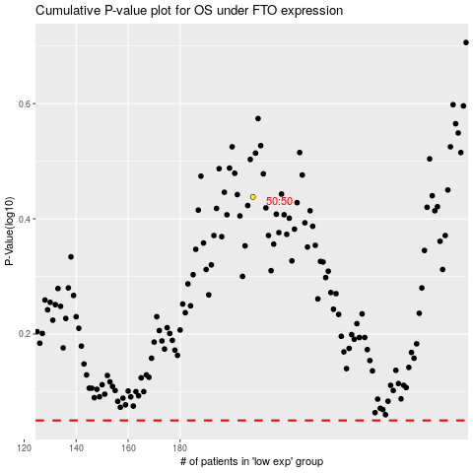

 |  |  |  |  |  | cases_OS | p_OS | rank | exp
 |  |  |  |  |  |  | cases_RFS | p_RFS | rank | exp

