FTSJ1 _multivariate
Reported by Tex Li-Hsing Chi. tex@gate.sinica.edu.tw 2019-08-19

Table 2. The clinicopathological features of HNSCC cohort and FTSJ1 expression. (Chi square test)
Cutoff at -0.149 (50.0%)
 |  | FTSJ1 expression |  | FTSJ1 expression |  | (Optimised)
 | Features | Low | (%) | High | (%) | Case no | P-value | Remark | Matthews
Gender | Female | 153 | 36.9 | 153 | 36.9 | 415 | 1 | 0 | 0
2 | Male | 54 | 13 | 55 | 13.3
Age at diagnosis | <=65y | 138 | 33.3 | 136 | 32.8 | 415 | 0.8634 | 0 | 0
4 | >65y | 69 | 16.6 | 72 | 17.3
Clinical T Status | T1+T2 | 71 | 17.1 | 78 | 18.8 | 415 | 0.5638 | 0 | 0
6 | T3+T4 | 136 | 32.8 | 130 | 31.3
Clinical N Status | N0 | 100 | 24.1 | 116 | 28 | 415 | 0.1548 | 0 | 0
8 | N1-3 | 107 | 25.8 | 92 | 22.2
Clinical M Status | M0 | 206 | 49.6 | 206 | 49.6 | 415 | 1 | 0 | 0
10 | M1 | 1 | 0.2 | 2 | 0.5
Clinical Stage | Stage I+II | 45 | 10.8 | 57 | 13.7 | 415 | 0.2202 | 0 | 0
12 | Stage III+IV | 162 | 39 | 151 | 36.4
Surgical Margin status | Negative | 154 | 37.1 | 164 | 39.5 | 415 | 0.2984 | 0 | 0
14 | Positive | 53 | 12.8 | 44 | 10.6
Tobacco Exposure | Low | 76 | 18.3 | 85 | 20.5 | 415 | 0.4207 | 0 | 0
16 | High | 131 | 31.6 | 123 | 29.6

Table 3. Univariate/Multivariate Cox's proportional hazards regression analyses on OS time of FTSJ1 gene expression in HNSCC

 |  | Univariate |  |  |  | Multivariate
 | Features | HR | CI95%(L) | CI95%(H) | P-value | HR | CI95%(L) | CI95%(H) | P-value
1 | Female | 1 |  |  |  | 1
Gender | Male | 1.157 | 0.843 | 1.587 | 0.367 | 1.206 | 0.863 | 1.685 | 0.272
11 | <=65y | 1 |  |  |  | 1
Age at diagnosis | >65y | 1.329 | 0.99 | 1.784 | 0.058 | 1.407 | 1.034 | 1.915 | 0.03
12 | T1+T2 | 1 |  |  |  | 1
Clinical T Status | T3+T4 | 1.409 | 1.028 | 1.931 | 0.033 | 2.156 | 1.139 | 4.082 | 0.018
13 | N0 | 1 |  |  |  | 1
Clinical N Status | N1-3 | 1.185 | 0.89 | 1.577 | 0.246 | 1.244 | 0.871 | 1.775 | 0.23
14 | M0 | 1 |  |  |  | 1
Clinical M Status | M1 | 4.097 | 1.009 | 16.644 | 0.049 | 8.688 | 1.886 | 40.019 | 0.006
15 | Stage I+II | 1 |  |  |  | 1
Clinical Stage | Stage III+IV | 1.245 | 0.882 | 1.759 | 0.213 | 0.53 | 0.246 | 1.144 | 0.106
16 | Negative | 1 |  |  |  | 1
Surgical Margin status | Positive | 1.591 | 1.155 | 2.191 | 0.004 | 1.687 | 1.221 | 2.331 | 0.002
17 | Low | 1 |  |  |  | 1
Tobacco Exposure | High | 1.364 | 1.008 | 1.844 | 0.044 | 1.46 | 1.06 | 2.011 | 0.021
18 | Low | 1 |  |  |  | 1
RNAseq(z-score) | High | 1.158 | 0.869 | 1.542 | 0.318 | 1.204 | 0.899 | 1.613 | 0.212

Table 4. Univariate/Multivariate Cox's proportional hazards regression analyses on RFS time of FTSJ1 gene expression in HNSCC

 |  | Univariate |  |  |  | Multivariate
 | Features | HR | CI95%(L) | CI95%(H) | P-value | HR | CI95%(L) | CI95%(H) | P-value
1 | Female | 1 |  |  |  | 1
Gender | Male | 1.157 | 0.843 | 1.587 | 0.367 | 1.206 | 0.863 | 1.685 | 0.272
11 | <=65y | 1 |  |  |  | 1
Age at diagnosis | >65y | 1.329 | 0.99 | 1.784 | 0.058 | 1.407 | 1.034 | 1.915 | 0.03
12 | T1+T2 | 1 |  |  |  | 1
Clinical T Status | T3+T4 | 1.409 | 1.028 | 1.931 | 0.033 | 2.156 | 1.139 | 4.082 | 0.018
13 | N0 | 1 |  |  |  | 1
Clinical N Status | N1-3 | 1.185 | 0.89 | 1.577 | 0.246 | 1.244 | 0.871 | 1.775 | 0.23
14 | M0 | 1 |  |  |  | 1
Clinical M Status | M1 | 4.097 | 1.009 | 16.644 | 0.049 | 8.688 | 1.886 | 40.019 | 0.006
15 | Stage I+II | 1 |  |  |  | 1
Clinical Stage | Stage III+IV | 1.245 | 0.882 | 1.759 | 0.213 | 0.53 | 0.246 | 1.144 | 0.106
16 | Negative | 1 |  |  |  | 1
Surgical Margin status | Positive | 1.591 | 1.155 | 2.191 | 0.004 | 1.687 | 1.221 | 2.331 | 0.002
17 | Low | 1 |  |  |  | 1
Tobacco Exposure | High | 1.364 | 1.008 | 1.844 | 0.044 | 1.46 | 1.06 | 2.011 | 0.021
18 | Low | 1 |  |  |  | 1
RNAseq(z-score) | High | 1.158 | 0.869 | 1.542 | 0.318 | 1.204 | 0.899 | 1.613 | 0.212

Kaplan-Meier survival estimate: Cutoff at -0.149 (50.0%)



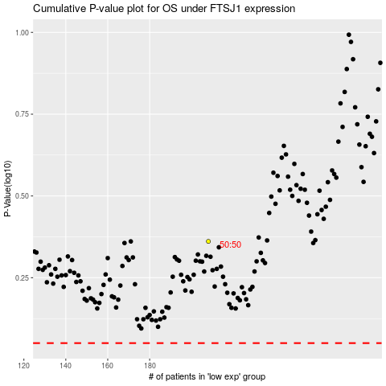

 |  |  |  |  |  | cases_OS | p_OS | rank | exp
 |  |  |  |  |  |  | cases_RFS | p_RFS | rank | exp

