FTSJ3 _multivariate
Reported by Tex Li-Hsing Chi. tex@gate.sinica.edu.tw 2019-08-19

Table 2. The clinicopathological features of HNSCC cohort and FTSJ3 expression. (Chi square test)
Cutoff at -0.057 (49.8%)
 |  | FTSJ3 expression |  | FTSJ3 expression |  | (Optimised)
 | Features | Low | (%) | High | (%) | Case no | P-value | Remark | Matthews
Gender | Female | 147 | 35.4 | 159 | 38.3 | 415 | 0.2523 | 0 | 0
2 | Male | 60 | 14.5 | 49 | 11.8
Age at diagnosis | <=65y | 133 | 32 | 141 | 34 | 415 | 0.5111 | 0 | 0
4 | >65y | 74 | 17.8 | 67 | 16.1
Clinical T Status | T1+T2 | 78 | 18.8 | 71 | 17.1 | 415 | 0.5152 | 0 | 0
6 | T3+T4 | 129 | 31.1 | 137 | 33
Clinical N Status | N0 | 110 | 26.5 | 106 | 25.5 | 415 | 0.7294 | 0 | 0
8 | N1-3 | 97 | 23.4 | 102 | 24.6
Clinical M Status | M0 | 206 | 49.6 | 206 | 49.6 | 415 | 1 | 0 | 0
10 | M1 | 1 | 0.2 | 2 | 0.5
Clinical Stage | Stage I+II | 58 | 14 | 44 | 10.6 | 415 | 0.131 | 0 | 0
12 | Stage III+IV | 149 | 35.9 | 164 | 39.5
Surgical Margin status | Negative | 164 | 39.5 | 154 | 37.1 | 415 | 0.2462 | 0 | 0
14 | Positive | 43 | 10.4 | 54 | 13
Tobacco Exposure | Low | 90 | 21.7 | 71 | 17.1 | 415 | 0.0559 | 0 | 0
16 | High | 117 | 28.2 | 137 | 33

Table 3. Univariate/Multivariate Cox's proportional hazards regression analyses on OS time of FTSJ3 gene expression in HNSCC

 |  | Univariate |  |  |  | Multivariate
 | Features | HR | CI95%(L) | CI95%(H) | P-value | HR | CI95%(L) | CI95%(H) | P-value
1 | Female | 1 |  |  |  | 1
Gender | Male | 1.157 | 0.843 | 1.587 | 0.367 | 1.207 | 0.864 | 1.685 | 0.27
11 | <=65y | 1 |  |  |  | 1
Age at diagnosis | >65y | 1.329 | 0.99 | 1.784 | 0.058 | 1.395 | 1.026 | 1.896 | 0.034
12 | T1+T2 | 1 |  |  |  | 1
Clinical T Status | T3+T4 | 1.409 | 1.028 | 1.931 | 0.033 | 2.189 | 1.157 | 4.14 | 0.016
13 | N0 | 1 |  |  |  | 1
Clinical N Status | N1-3 | 1.185 | 0.89 | 1.577 | 0.246 | 1.232 | 0.863 | 1.76 | 0.25
14 | M0 | 1 |  |  |  | 1
Clinical M Status | M1 | 4.097 | 1.009 | 16.644 | 0.049 | 9.49 | 2.07 | 43.521 | 0.004
15 | Stage I+II | 1 |  |  |  | 1
Clinical Stage | Stage III+IV | 1.245 | 0.882 | 1.759 | 0.213 | 0.512 | 0.238 | 1.099 | 0.086
16 | Negative | 1 |  |  |  | 1
Surgical Margin status | Positive | 1.591 | 1.155 | 2.191 | 0.004 | 1.679 | 1.214 | 2.321 | 0.002
17 | Low | 1 |  |  |  | 1
Tobacco Exposure | High | 1.364 | 1.008 | 1.844 | 0.044 | 1.462 | 1.061 | 2.016 | 0.02
18 | Low | 1 |  |  |  | 1
RNAseq(z-score) | High | 0.957 | 0.718 | 1.276 | 0.765 | 0.915 | 0.685 | 1.221 | 0.545

Table 4. Univariate/Multivariate Cox's proportional hazards regression analyses on RFS time of FTSJ3 gene expression in HNSCC

 |  | Univariate |  |  |  | Multivariate
 | Features | HR | CI95%(L) | CI95%(H) | P-value | HR | CI95%(L) | CI95%(H) | P-value
1 | Female | 1 |  |  |  | 1
Gender | Male | 1.157 | 0.843 | 1.587 | 0.367 | 1.207 | 0.864 | 1.685 | 0.27
11 | <=65y | 1 |  |  |  | 1
Age at diagnosis | >65y | 1.329 | 0.99 | 1.784 | 0.058 | 1.395 | 1.026 | 1.896 | 0.034
12 | T1+T2 | 1 |  |  |  | 1
Clinical T Status | T3+T4 | 1.409 | 1.028 | 1.931 | 0.033 | 2.189 | 1.157 | 4.14 | 0.016
13 | N0 | 1 |  |  |  | 1
Clinical N Status | N1-3 | 1.185 | 0.89 | 1.577 | 0.246 | 1.232 | 0.863 | 1.76 | 0.25
14 | M0 | 1 |  |  |  | 1
Clinical M Status | M1 | 4.097 | 1.009 | 16.644 | 0.049 | 9.49 | 2.07 | 43.521 | 0.004
15 | Stage I+II | 1 |  |  |  | 1
Clinical Stage | Stage III+IV | 1.245 | 0.882 | 1.759 | 0.213 | 0.512 | 0.238 | 1.099 | 0.086
16 | Negative | 1 |  |  |  | 1
Surgical Margin status | Positive | 1.591 | 1.155 | 2.191 | 0.004 | 1.679 | 1.214 | 2.321 | 0.002
17 | Low | 1 |  |  |  | 1
Tobacco Exposure | High | 1.364 | 1.008 | 1.844 | 0.044 | 1.462 | 1.061 | 2.016 | 0.02
18 | Low | 1 |  |  |  | 1
RNAseq(z-score) | High | 0.957 | 0.718 | 1.276 | 0.765 | 0.915 | 0.685 | 1.221 | 0.545

Kaplan-Meier survival estimate: Cutoff at -0.057 (49.8%)



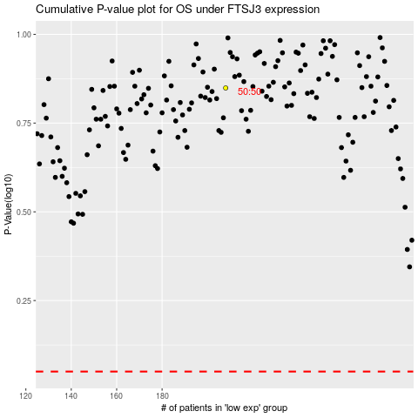

 |  |  |  |  |  | cases_OS | p_OS | rank | exp
 |  |  |  |  |  |  | cases_RFS | p_RFS | rank | exp

