FTSJD2 _multivariate
Reported by Tex Li-Hsing Chi. tex@gate.sinica.edu.tw 2019-08-19

Table 2. The clinicopathological features of HNSCC cohort and FTSJD2 expression. (Chi square test)
Cutoff at 0.026 (49.8%)
 |  | FTSJD2 expression |  | FTSJD2 expression |  | (Optimised)
 | Features | Low | (%) | High | (%) | Case no | P-value | Remark | Matthews
Gender | Female | 154 | 37.1 | 152 | 36.6 | 415 | 0.8463 | 0 | 0
2 | Male | 53 | 12.8 | 56 | 13.5
Age at diagnosis | <=65y | 133 | 32 | 141 | 34 | 415 | 0.5111 | 0 | 0
4 | >65y | 74 | 17.8 | 67 | 16.1
Clinical T Status | T1+T2 | 68 | 16.4 | 81 | 19.5 | 415 | 0.2336 | 0 | 0
6 | T3+T4 | 139 | 33.5 | 127 | 30.6
Clinical N Status | N0 | 106 | 25.5 | 110 | 26.5 | 415 | 0.8075 | 0 | 0
8 | N1-3 | 101 | 24.3 | 98 | 23.6
Clinical M Status | M0 | 207 | 49.9 | 205 | 49.4 | 415 | 0.2482 | 0 | 0
10 | M1 | 0 | 0 | 3 | 0.7
Clinical Stage | Stage I+II | 45 | 10.8 | 57 | 13.7 | 415 | 0.2202 | 0 | 0
12 | Stage III+IV | 162 | 39 | 151 | 36.4
Surgical Margin status | Negative | 157 | 37.8 | 161 | 38.8 | 415 | 0.729 | 0 | 0
14 | Positive | 50 | 12 | 47 | 11.3
Tobacco Exposure | Low | 80 | 19.3 | 81 | 19.5 | 415 | 1 | 0 | 0
16 | High | 127 | 30.6 | 127 | 30.6

Table 3. Univariate/Multivariate Cox's proportional hazards regression analyses on OS time of FTSJD2 gene expression in HNSCC

 |  | Univariate |  |  |  | Multivariate
 | Features | HR | CI95%(L) | CI95%(H) | P-value | HR | CI95%(L) | CI95%(H) | P-value
1 | Female | 1 |  |  |  | 1
Gender | Male | 1.157 | 0.843 | 1.587 | 0.367 | 1.203 | 0.861 | 1.681 | 0.279
11 | <=65y | 1 |  |  |  | 1
Age at diagnosis | >65y | 1.329 | 0.99 | 1.784 | 0.058 | 1.391 | 1.023 | 1.891 | 0.035
12 | T1+T2 | 1 |  |  |  | 1
Clinical T Status | T3+T4 | 1.409 | 1.028 | 1.931 | 0.033 | 2.204 | 1.166 | 4.168 | 0.015
13 | N0 | 1 |  |  |  | 1
Clinical N Status | N1-3 | 1.185 | 0.89 | 1.577 | 0.246 | 1.24 | 0.869 | 1.77 | 0.235
14 | M0 | 1 |  |  |  | 1
Clinical M Status | M1 | 4.097 | 1.009 | 16.644 | 0.049 | 9.515 | 2.056 | 44.037 | 0.004
15 | Stage I+II | 1 |  |  |  | 1
Clinical Stage | Stage III+IV | 1.245 | 0.882 | 1.759 | 0.213 | 0.503 | 0.234 | 1.081 | 0.078
16 | Negative | 1 |  |  |  | 1
Surgical Margin status | Positive | 1.591 | 1.155 | 2.191 | 0.004 | 1.673 | 1.21 | 2.312 | 0.002
17 | Low | 1 |  |  |  | 1
Tobacco Exposure | High | 1.364 | 1.008 | 1.844 | 0.044 | 1.453 | 1.055 | 2.002 | 0.022
18 | Low | 1 |  |  |  | 1
RNAseq(z-score) | High | 1.005 | 0.754 | 1.339 | 0.974 | 0.981 | 0.734 | 1.311 | 0.896

Table 4. Univariate/Multivariate Cox's proportional hazards regression analyses on RFS time of FTSJD2 gene expression in HNSCC

 |  | Univariate |  |  |  | Multivariate
 | Features | HR | CI95%(L) | CI95%(H) | P-value | HR | CI95%(L) | CI95%(H) | P-value
1 | Female | 1 |  |  |  | 1
Gender | Male | 1.157 | 0.843 | 1.587 | 0.367 | 1.203 | 0.861 | 1.681 | 0.279
11 | <=65y | 1 |  |  |  | 1
Age at diagnosis | >65y | 1.329 | 0.99 | 1.784 | 0.058 | 1.391 | 1.023 | 1.891 | 0.035
12 | T1+T2 | 1 |  |  |  | 1
Clinical T Status | T3+T4 | 1.409 | 1.028 | 1.931 | 0.033 | 2.204 | 1.166 | 4.168 | 0.015
13 | N0 | 1 |  |  |  | 1
Clinical N Status | N1-3 | 1.185 | 0.89 | 1.577 | 0.246 | 1.24 | 0.869 | 1.77 | 0.235
14 | M0 | 1 |  |  |  | 1
Clinical M Status | M1 | 4.097 | 1.009 | 16.644 | 0.049 | 9.515 | 2.056 | 44.037 | 0.004
15 | Stage I+II | 1 |  |  |  | 1
Clinical Stage | Stage III+IV | 1.245 | 0.882 | 1.759 | 0.213 | 0.503 | 0.234 | 1.081 | 0.078
16 | Negative | 1 |  |  |  | 1
Surgical Margin status | Positive | 1.591 | 1.155 | 2.191 | 0.004 | 1.673 | 1.21 | 2.312 | 0.002
17 | Low | 1 |  |  |  | 1
Tobacco Exposure | High | 1.364 | 1.008 | 1.844 | 0.044 | 1.453 | 1.055 | 2.002 | 0.022
18 | Low | 1 |  |  |  | 1
RNAseq(z-score) | High | 1.005 | 0.754 | 1.339 | 0.974 | 0.981 | 0.734 | 1.311 | 0.896

Kaplan-Meier survival estimate: Cutoff at 0.026 (49.8%)



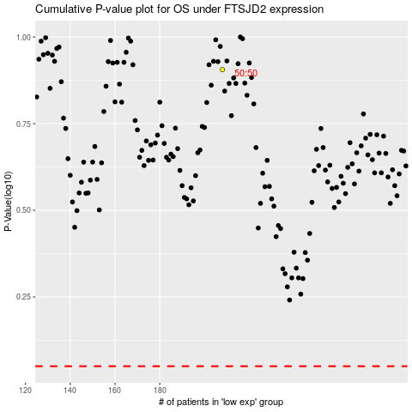

 |  |  |  |  |  | cases_OS | p_OS | rank | exp
 |  |  |  |  |  |  | cases_RFS | p_RFS | rank | exp

