FUNDC1 _multivariate
Reported by Tex Li-Hsing Chi. tex@gate.sinica.edu.tw 2019-08-19

Table 2. The clinicopathological features of HNSCC cohort and FUNDC1 expression. (Chi square test)
Cutoff at -0.308 (49.8%)
 |  | FUNDC1 expression |  | FUNDC1 expression |  | (Optimised)
 | Features | Low | (%) | High | (%) | Case no | P-value | Remark | Matthews
Gender | Female | 160 | 38.6 | 146 | 35.2 | 415 | 0.1254 | 0 | 0
2 | Male | 47 | 11.3 | 62 | 14.9
Age at diagnosis | <=65y | 140 | 33.7 | 134 | 32.3 | 415 | 0.5574 | 0 | 0
4 | >65y | 67 | 16.1 | 74 | 17.8
Clinical T Status | T1+T2 | 67 | 16.1 | 82 | 19.8 | 415 | 0.1628 | 0 | 0
6 | T3+T4 | 140 | 33.7 | 126 | 30.4
Clinical N Status | N0 | 109 | 26.3 | 107 | 25.8 | 415 | 0.8812 | 0 | 0
8 | N1-3 | 98 | 23.6 | 101 | 24.3
Clinical M Status | M0 | 207 | 49.9 | 205 | 49.4 | 415 | 0.2482 | 0 | 0
10 | M1 | 0 | 0 | 3 | 0.7
Clinical Stage | Stage I+II | 50 | 12 | 52 | 12.5 | 415 | 0.9315 | 0 | 0
12 | Stage III+IV | 157 | 37.8 | 156 | 37.6
Surgical Margin status | Negative | 173 | 41.7 | 145 | 34.9 | 415 | 0.0011 | 1 | 0
14 | Positive | 34 | 8.2 | 63 | 15.2
Tobacco Exposure | Low | 70 | 16.9 | 91 | 21.9 | 415 | 0.0439 | 1 | 0
16 | High | 137 | 33 | 117 | 28.2

Table 3. Univariate/Multivariate Cox's proportional hazards regression analyses on OS time of FUNDC1 gene expression in HNSCC

 |  | Univariate |  |  |  | Multivariate
 | Features | HR | CI95%(L) | CI95%(H) | P-value | HR | CI95%(L) | CI95%(H) | P-value
1 | Female | 1 |  |  |  | 1
Gender | Male | 1.157 | 0.843 | 1.587 | 0.367 | 1.202 | 0.86 | 1.68 | 0.282
11 | <=65y | 1 |  |  |  | 1
Age at diagnosis | >65y | 1.329 | 0.99 | 1.784 | 0.058 | 1.392 | 1.024 | 1.892 | 0.035
12 | T1+T2 | 1 |  |  |  | 1
Clinical T Status | T3+T4 | 1.409 | 1.028 | 1.931 | 0.033 | 2.202 | 1.163 | 4.169 | 0.015
13 | N0 | 1 |  |  |  | 1
Clinical N Status | N1-3 | 1.185 | 0.89 | 1.577 | 0.246 | 1.241 | 0.87 | 1.771 | 0.234
14 | M0 | 1 |  |  |  | 1
Clinical M Status | M1 | 4.097 | 1.009 | 16.644 | 0.049 | 9.412 | 2.043 | 43.355 | 0.004
15 | Stage I+II | 1 |  |  |  | 1
Clinical Stage | Stage III+IV | 1.245 | 0.882 | 1.759 | 0.213 | 0.505 | 0.235 | 1.083 | 0.079
16 | Negative | 1 |  |  |  | 1
Surgical Margin status | Positive | 1.591 | 1.155 | 2.191 | 0.004 | 1.672 | 1.203 | 2.324 | 0.002
17 | Low | 1 |  |  |  | 1
Tobacco Exposure | High | 1.364 | 1.008 | 1.844 | 0.044 | 1.453 | 1.055 | 2.002 | 0.022
18 | Low | 1 |  |  |  | 1
RNAseq(z-score) | High | 1.059 | 0.795 | 1.41 | 0.696 | 0.999 | 0.743 | 1.342 | 0.992

Table 4. Univariate/Multivariate Cox's proportional hazards regression analyses on RFS time of FUNDC1 gene expression in HNSCC

 |  | Univariate |  |  |  | Multivariate
 | Features | HR | CI95%(L) | CI95%(H) | P-value | HR | CI95%(L) | CI95%(H) | P-value
1 | Female | 1 |  |  |  | 1
Gender | Male | 1.157 | 0.843 | 1.587 | 0.367 | 1.202 | 0.86 | 1.68 | 0.282
11 | <=65y | 1 |  |  |  | 1
Age at diagnosis | >65y | 1.329 | 0.99 | 1.784 | 0.058 | 1.392 | 1.024 | 1.892 | 0.035
12 | T1+T2 | 1 |  |  |  | 1
Clinical T Status | T3+T4 | 1.409 | 1.028 | 1.931 | 0.033 | 2.202 | 1.163 | 4.169 | 0.015
13 | N0 | 1 |  |  |  | 1
Clinical N Status | N1-3 | 1.185 | 0.89 | 1.577 | 0.246 | 1.241 | 0.87 | 1.771 | 0.234
14 | M0 | 1 |  |  |  | 1
Clinical M Status | M1 | 4.097 | 1.009 | 16.644 | 0.049 | 9.412 | 2.043 | 43.355 | 0.004
15 | Stage I+II | 1 |  |  |  | 1
Clinical Stage | Stage III+IV | 1.245 | 0.882 | 1.759 | 0.213 | 0.505 | 0.235 | 1.083 | 0.079
16 | Negative | 1 |  |  |  | 1
Surgical Margin status | Positive | 1.591 | 1.155 | 2.191 | 0.004 | 1.672 | 1.203 | 2.324 | 0.002
17 | Low | 1 |  |  |  | 1
Tobacco Exposure | High | 1.364 | 1.008 | 1.844 | 0.044 | 1.453 | 1.055 | 2.002 | 0.022
18 | Low | 1 |  |  |  | 1
RNAseq(z-score) | High | 1.059 | 0.795 | 1.41 | 0.696 | 0.999 | 0.743 | 1.342 | 0.992

Kaplan-Meier survival estimate: Cutoff at -0.308 (49.8%)



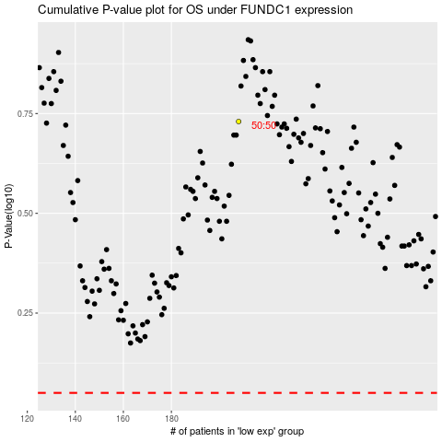

 |  |  |  |  |  | cases_OS | p_OS | rank | exp
 |  |  |  |  |  |  | cases_RFS | p_RFS | rank | exp

