FUNDC2 _multivariate
Reported by Tex Li-Hsing Chi. tex@gate.sinica.edu.tw 2019-08-19

Table 2. The clinicopathological features of HNSCC cohort and FUNDC2 expression. (Chi square test)
Cutoff at -0.268 (48.8%)
 |  | FUNDC2 expression |  | FUNDC2 expression |  | (Optimised)
 | Features | Low | (%) | High | (%) | Case no | P-value | Remark | Matthews
Gender | Female | 148 | 35.7 | 158 | 38.1 | 415 | 0.921 | 0 | 0
2 | Male | 54 | 13 | 55 | 13.3
Age at diagnosis | <=65y | 129 | 31.1 | 145 | 34.9 | 415 | 0.4224 | 0 | 0
4 | >65y | 73 | 17.6 | 68 | 16.4
Clinical T Status | T1+T2 | 59 | 14.2 | 90 | 21.7 | 415 | 0.0077 | 1 | 0
6 | T3+T4 | 143 | 34.5 | 123 | 29.6
Clinical N Status | N0 | 104 | 25.1 | 112 | 27 | 415 | 0.9003 | 0 | 0
8 | N1-3 | 98 | 23.6 | 101 | 24.3
Clinical M Status | M0 | 202 | 48.7 | 210 | 50.6 | 415 | 0.2487 | 0 | 0
10 | M1 | 0 | 0 | 3 | 0.7
Clinical Stage | Stage I+II | 40 | 9.6 | 62 | 14.9 | 415 | 0.0369 | 1 | 0
12 | Stage III+IV | 162 | 39 | 151 | 36.4
Surgical Margin status | Negative | 156 | 37.6 | 162 | 39 | 415 | 0.817 | 0 | 0
14 | Positive | 46 | 11.1 | 51 | 12.3
Tobacco Exposure | Low | 75 | 18.1 | 86 | 20.7 | 415 | 0.5456 | 0 | 0
16 | High | 127 | 30.6 | 127 | 30.6

Table 3. Univariate/Multivariate Cox's proportional hazards regression analyses on OS time of FUNDC2 gene expression in HNSCC

 |  | Univariate |  |  |  | Multivariate
 | Features | HR | CI95%(L) | CI95%(H) | P-value | HR | CI95%(L) | CI95%(H) | P-value
1 | Female | 1 |  |  |  | 1
Gender | Male | 1.157 | 0.843 | 1.587 | 0.367 | 1.199 | 0.858 | 1.674 | 0.287
11 | <=65y | 1 |  |  |  | 1
Age at diagnosis | >65y | 1.329 | 0.99 | 1.784 | 0.058 | 1.388 | 1.022 | 1.885 | 0.036
12 | T1+T2 | 1 |  |  |  | 1
Clinical T Status | T3+T4 | 1.409 | 1.028 | 1.931 | 0.033 | 2.348 | 1.239 | 4.449 | 0.009
13 | N0 | 1 |  |  |  | 1
Clinical N Status | N1-3 | 1.185 | 0.89 | 1.577 | 0.246 | 1.241 | 0.87 | 1.769 | 0.234
14 | M0 | 1 |  |  |  | 1
Clinical M Status | M1 | 4.097 | 1.009 | 16.644 | 0.049 | 8.466 | 1.841 | 38.921 | 0.006
15 | Stage I+II | 1 |  |  |  | 1
Clinical Stage | Stage III+IV | 1.245 | 0.882 | 1.759 | 0.213 | 0.492 | 0.229 | 1.056 | 0.069
16 | Negative | 1 |  |  |  | 1
Surgical Margin status | Positive | 1.591 | 1.155 | 2.191 | 0.004 | 1.614 | 1.167 | 2.232 | 0.004
17 | Low | 1 |  |  |  | 1
Tobacco Exposure | High | 1.364 | 1.008 | 1.844 | 0.044 | 1.489 | 1.081 | 2.052 | 0.015
18 | Low | 1 |  |  |  | 1
RNAseq(z-score) | High | 1.35 | 1.011 | 1.802 | 0.042 | 1.39 | 1.035 | 1.866 | 0.029

Table 4. Univariate/Multivariate Cox's proportional hazards regression analyses on RFS time of FUNDC2 gene expression in HNSCC

 |  | Univariate |  |  |  | Multivariate
 | Features | HR | CI95%(L) | CI95%(H) | P-value | HR | CI95%(L) | CI95%(H) | P-value
1 | Female | 1 |  |  |  | 1
Gender | Male | 1.157 | 0.843 | 1.587 | 0.367 | 1.199 | 0.858 | 1.674 | 0.287
11 | <=65y | 1 |  |  |  | 1
Age at diagnosis | >65y | 1.329 | 0.99 | 1.784 | 0.058 | 1.388 | 1.022 | 1.885 | 0.036
12 | T1+T2 | 1 |  |  |  | 1
Clinical T Status | T3+T4 | 1.409 | 1.028 | 1.931 | 0.033 | 2.348 | 1.239 | 4.449 | 0.009
13 | N0 | 1 |  |  |  | 1
Clinical N Status | N1-3 | 1.185 | 0.89 | 1.577 | 0.246 | 1.241 | 0.87 | 1.769 | 0.234
14 | M0 | 1 |  |  |  | 1
Clinical M Status | M1 | 4.097 | 1.009 | 16.644 | 0.049 | 8.466 | 1.841 | 38.921 | 0.006
15 | Stage I+II | 1 |  |  |  | 1
Clinical Stage | Stage III+IV | 1.245 | 0.882 | 1.759 | 0.213 | 0.492 | 0.229 | 1.056 | 0.069
16 | Negative | 1 |  |  |  | 1
Surgical Margin status | Positive | 1.591 | 1.155 | 2.191 | 0.004 | 1.614 | 1.167 | 2.232 | 0.004
17 | Low | 1 |  |  |  | 1
Tobacco Exposure | High | 1.364 | 1.008 | 1.844 | 0.044 | 1.489 | 1.081 | 2.052 | 0.015
18 | Low | 1 |  |  |  | 1
RNAseq(z-score) | High | 1.35 | 1.011 | 1.802 | 0.042 | 1.39 | 1.035 | 1.866 | 0.029

Kaplan-Meier survival estimate: Cutoff at -0.268 (48.8%)



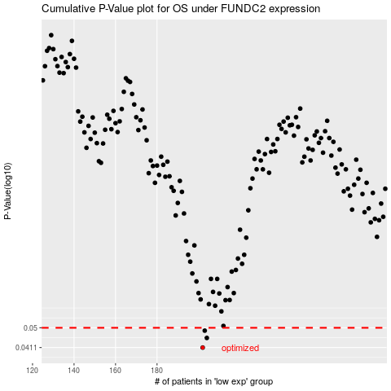

 |  |  |  |  |  | cases_OS | p_OS | rank | exp
 |  |  |  |  |  | 202 | 0.0411 | 118 | -0.26799026553
 |  |  |  |  |  | 204 | 0.0452 | 297 | -0.26697717924
 |  |  |  |  |  | 203 | 0.0486 | 46 | -0.26703534503
 |  |  |  |  |  |  | cases_RFS | p_RFS | rank | exp
 |  |  |  |  |  |  | 201 | 0.0411 | 205 | -0.26806422469
 |  |  |  |  |  |  | 203 | 0.0452 | 46 | -0.26703534503
 |  |  |  |  |  |  | 202 | 0.0486 | 118 | -0.26799026553

