FURIN _multivariate
Reported by Tex Li-Hsing Chi. tex@gate.sinica.edu.tw 2019-08-19

Table 2. The clinicopathological features of HNSCC cohort and FURIN expression. (Chi square test)
Cutoff at -0.082 (50.0%)
 |  | FURIN expression |  | FURIN expression |  | (Optimised)
 | Features | Low | (%) | High | (%) | Case no | P-value | Remark | Matthews
Gender | Female | 160 | 38.6 | 146 | 35.2 | 415 | 0.1254 | 0 | 0
2 | Male | 47 | 11.3 | 62 | 14.9
Age at diagnosis | <=65y | 141 | 34 | 133 | 32 | 415 | 0.4272 | 0 | 0
4 | >65y | 66 | 15.9 | 75 | 18.1
Clinical T Status | T1+T2 | 82 | 19.8 | 67 | 16.1 | 415 | 0.1417 | 0 | 0
6 | T3+T4 | 125 | 30.1 | 141 | 34
Clinical N Status | N0 | 96 | 23.1 | 120 | 28.9 | 415 | 0.0272 | 1 | 0
8 | N1-3 | 111 | 26.7 | 88 | 21.2
Clinical M Status | M0 | 205 | 49.4 | 207 | 49.9 | 415 | 0.6232 | 0 | 0
10 | M1 | 2 | 0.5 | 1 | 0.2
Clinical Stage | Stage I+II | 48 | 11.6 | 54 | 13 | 415 | 0.5878 | 0 | 0
12 | Stage III+IV | 159 | 38.3 | 154 | 37.1
Surgical Margin status | Negative | 157 | 37.8 | 161 | 38.8 | 415 | 0.729 | 0 | 0
14 | Positive | 50 | 12 | 47 | 11.3
Tobacco Exposure | Low | 73 | 17.6 | 88 | 21.2 | 415 | 0.1587 | 0 | 0
16 | High | 134 | 32.3 | 120 | 28.9

Table 3. Univariate/Multivariate Cox's proportional hazards regression analyses on OS time of FURIN gene expression in HNSCC

 |  | Univariate |  |  |  | Multivariate
 | Features | HR | CI95%(L) | CI95%(H) | P-value | HR | CI95%(L) | CI95%(H) | P-value
1 | Female | 1 |  |  |  | 1
Gender | Male | 1.157 | 0.843 | 1.587 | 0.367 | 1.194 | 0.853 | 1.67 | 0.301
11 | <=65y | 1 |  |  |  | 1
Age at diagnosis | >65y | 1.329 | 0.99 | 1.784 | 0.058 | 1.398 | 1.028 | 1.903 | 0.033
12 | T1+T2 | 1 |  |  |  | 1
Clinical T Status | T3+T4 | 1.409 | 1.028 | 1.931 | 0.033 | 2.175 | 1.148 | 4.123 | 0.017
13 | N0 | 1 |  |  |  | 1
Clinical N Status | N1-3 | 1.185 | 0.89 | 1.577 | 0.246 | 1.254 | 0.876 | 1.794 | 0.216
14 | M0 | 1 |  |  |  | 1
Clinical M Status | M1 | 4.097 | 1.009 | 16.644 | 0.049 | 9.336 | 2.036 | 42.811 | 0.004
15 | Stage I+II | 1 |  |  |  | 1
Clinical Stage | Stage III+IV | 1.245 | 0.882 | 1.759 | 0.213 | 0.508 | 0.236 | 1.092 | 0.083
16 | Negative | 1 |  |  |  | 1
Surgical Margin status | Positive | 1.591 | 1.155 | 2.191 | 0.004 | 1.677 | 1.213 | 2.318 | 0.002
17 | Low | 1 |  |  |  | 1
Tobacco Exposure | High | 1.364 | 1.008 | 1.844 | 0.044 | 1.464 | 1.061 | 2.022 | 0.02
18 | Low | 1 |  |  |  | 1
RNAseq(z-score) | High | 1.039 | 0.78 | 1.383 | 0.796 | 1.072 | 0.799 | 1.439 | 0.642

Table 4. Univariate/Multivariate Cox's proportional hazards regression analyses on RFS time of FURIN gene expression in HNSCC

 |  | Univariate |  |  |  | Multivariate
 | Features | HR | CI95%(L) | CI95%(H) | P-value | HR | CI95%(L) | CI95%(H) | P-value
1 | Female | 1 |  |  |  | 1
Gender | Male | 1.157 | 0.843 | 1.587 | 0.367 | 1.194 | 0.853 | 1.67 | 0.301
11 | <=65y | 1 |  |  |  | 1
Age at diagnosis | >65y | 1.329 | 0.99 | 1.784 | 0.058 | 1.398 | 1.028 | 1.903 | 0.033
12 | T1+T2 | 1 |  |  |  | 1
Clinical T Status | T3+T4 | 1.409 | 1.028 | 1.931 | 0.033 | 2.175 | 1.148 | 4.123 | 0.017
13 | N0 | 1 |  |  |  | 1
Clinical N Status | N1-3 | 1.185 | 0.89 | 1.577 | 0.246 | 1.254 | 0.876 | 1.794 | 0.216
14 | M0 | 1 |  |  |  | 1
Clinical M Status | M1 | 4.097 | 1.009 | 16.644 | 0.049 | 9.336 | 2.036 | 42.811 | 0.004
15 | Stage I+II | 1 |  |  |  | 1
Clinical Stage | Stage III+IV | 1.245 | 0.882 | 1.759 | 0.213 | 0.508 | 0.236 | 1.092 | 0.083
16 | Negative | 1 |  |  |  | 1
Surgical Margin status | Positive | 1.591 | 1.155 | 2.191 | 0.004 | 1.677 | 1.213 | 2.318 | 0.002
17 | Low | 1 |  |  |  | 1
Tobacco Exposure | High | 1.364 | 1.008 | 1.844 | 0.044 | 1.464 | 1.061 | 2.022 | 0.02
18 | Low | 1 |  |  |  | 1
RNAseq(z-score) | High | 1.039 | 0.78 | 1.383 | 0.796 | 1.072 | 0.799 | 1.439 | 0.642

Kaplan-Meier survival estimate: Cutoff at -0.082 (50.0%)



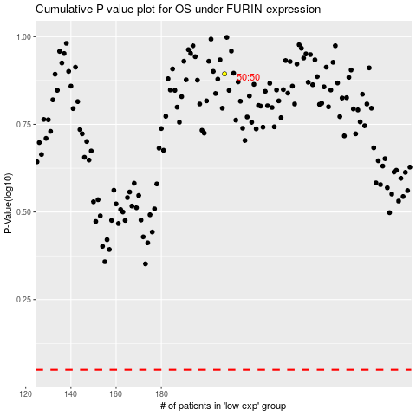

 |  |  |  |  |  | cases_OS | p_OS | rank | exp
 |  |  |  |  |  |  | cases_RFS | p_RFS | rank | exp

