FUS _multivariate
Reported by Tex Li-Hsing Chi. tex@gate.sinica.edu.tw 2019-08-19

Table 2. The clinicopathological features of HNSCC cohort and FUS expression. (Chi square test)
Cutoff at -0.078 (49.8%)
 |  | FUS expression |  | FUS expression |  | (Optimised)
 | Features | Low | (%) | High | (%) | Case no | P-value | Remark | Matthews
Gender | Female | 145 | 34.9 | 161 | 38.8 | 415 | 0.1116 | 0 | 0
2 | Male | 62 | 14.9 | 47 | 11.3
Age at diagnosis | <=65y | 136 | 32.8 | 138 | 33.3 | 415 | 0.9719 | 0 | 0
4 | >65y | 71 | 17.1 | 70 | 16.9
Clinical T Status | T1+T2 | 78 | 18.8 | 71 | 17.1 | 415 | 0.5152 | 0 | 0
6 | T3+T4 | 129 | 31.1 | 137 | 33
Clinical N Status | N0 | 111 | 26.7 | 105 | 25.3 | 415 | 0.5875 | 0 | 0
8 | N1-3 | 96 | 23.1 | 103 | 24.8
Clinical M Status | M0 | 207 | 49.9 | 205 | 49.4 | 415 | 0.2482 | 0 | 0
10 | M1 | 0 | 0 | 3 | 0.7
Clinical Stage | Stage I+II | 57 | 13.7 | 45 | 10.8 | 415 | 0.1998 | 0 | 0
12 | Stage III+IV | 150 | 36.1 | 163 | 39.3
Surgical Margin status | Negative | 165 | 39.8 | 153 | 36.9 | 415 | 0.1639 | 0 | 0
14 | Positive | 42 | 10.1 | 55 | 13.3
Tobacco Exposure | Low | 83 | 20 | 78 | 18.8 | 415 | 0.6152 | 0 | 0
16 | High | 124 | 29.9 | 130 | 31.3

Table 3. Univariate/Multivariate Cox's proportional hazards regression analyses on OS time of FUS gene expression in HNSCC

 |  | Univariate |  |  |  | Multivariate
 | Features | HR | CI95%(L) | CI95%(H) | P-value | HR | CI95%(L) | CI95%(H) | P-value
1 | Female | 1 |  |  |  | 1
Gender | Male | 1.157 | 0.843 | 1.587 | 0.367 | 1.193 | 0.853 | 1.669 | 0.301
11 | <=65y | 1 |  |  |  | 1
Age at diagnosis | >65y | 1.329 | 0.99 | 1.784 | 0.058 | 1.405 | 1.032 | 1.911 | 0.031
12 | T1+T2 | 1 |  |  |  | 1
Clinical T Status | T3+T4 | 1.409 | 1.028 | 1.931 | 0.033 | 2.188 | 1.157 | 4.14 | 0.016
13 | N0 | 1 |  |  |  | 1
Clinical N Status | N1-3 | 1.185 | 0.89 | 1.577 | 0.246 | 1.237 | 0.867 | 1.764 | 0.24
14 | M0 | 1 |  |  |  | 1
Clinical M Status | M1 | 4.097 | 1.009 | 16.644 | 0.049 | 10.109 | 2.191 | 46.636 | 0.003
15 | Stage I+II | 1 |  |  |  | 1
Clinical Stage | Stage III+IV | 1.245 | 0.882 | 1.759 | 0.213 | 0.515 | 0.24 | 1.106 | 0.089
16 | Negative | 1 |  |  |  | 1
Surgical Margin status | Positive | 1.591 | 1.155 | 2.191 | 0.004 | 1.691 | 1.223 | 2.338 | 0.001
17 | Low | 1 |  |  |  | 1
Tobacco Exposure | High | 1.364 | 1.008 | 1.844 | 0.044 | 1.451 | 1.052 | 2.001 | 0.023
18 | Low | 1 |  |  |  | 1
RNAseq(z-score) | High | 0.902 | 0.677 | 1.202 | 0.481 | 0.857 | 0.641 | 1.148 | 0.301

Table 4. Univariate/Multivariate Cox's proportional hazards regression analyses on RFS time of FUS gene expression in HNSCC

 |  | Univariate |  |  |  | Multivariate
 | Features | HR | CI95%(L) | CI95%(H) | P-value | HR | CI95%(L) | CI95%(H) | P-value
1 | Female | 1 |  |  |  | 1
Gender | Male | 1.157 | 0.843 | 1.587 | 0.367 | 1.193 | 0.853 | 1.669 | 0.301
11 | <=65y | 1 |  |  |  | 1
Age at diagnosis | >65y | 1.329 | 0.99 | 1.784 | 0.058 | 1.405 | 1.032 | 1.911 | 0.031
12 | T1+T2 | 1 |  |  |  | 1
Clinical T Status | T3+T4 | 1.409 | 1.028 | 1.931 | 0.033 | 2.188 | 1.157 | 4.14 | 0.016
13 | N0 | 1 |  |  |  | 1
Clinical N Status | N1-3 | 1.185 | 0.89 | 1.577 | 0.246 | 1.237 | 0.867 | 1.764 | 0.24
14 | M0 | 1 |  |  |  | 1
Clinical M Status | M1 | 4.097 | 1.009 | 16.644 | 0.049 | 10.109 | 2.191 | 46.636 | 0.003
15 | Stage I+II | 1 |  |  |  | 1
Clinical Stage | Stage III+IV | 1.245 | 0.882 | 1.759 | 0.213 | 0.515 | 0.24 | 1.106 | 0.089
16 | Negative | 1 |  |  |  | 1
Surgical Margin status | Positive | 1.591 | 1.155 | 2.191 | 0.004 | 1.691 | 1.223 | 2.338 | 0.001
17 | Low | 1 |  |  |  | 1
Tobacco Exposure | High | 1.364 | 1.008 | 1.844 | 0.044 | 1.451 | 1.052 | 2.001 | 0.023
18 | Low | 1 |  |  |  | 1
RNAseq(z-score) | High | 0.902 | 0.677 | 1.202 | 0.481 | 0.857 | 0.641 | 1.148 | 0.301

Kaplan-Meier survival estimate: Cutoff at -0.078 (49.8%)



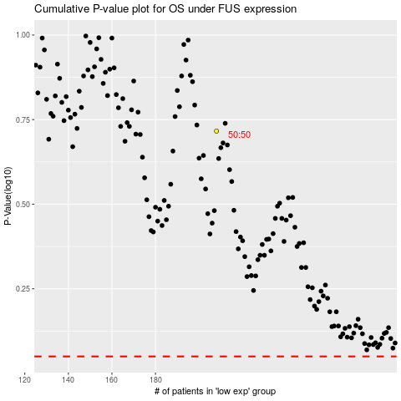

 |  |  |  |  |  | cases_OS | p_OS | rank | exp
 |  |  |  |  |  |  | cases_RFS | p_RFS | rank | exp

