FUT10 _multivariate
Reported by Tex Li-Hsing Chi. tex@gate.sinica.edu.tw 2019-08-19

Table 2. The clinicopathological features of HNSCC cohort and FUT10 expression. (Chi square test)
Cutoff at -0.346 (45.2%)
 |  | FUT10 expression |  | FUT10 expression |  | (Optimised)
 | Features | Low | (%) | High | (%) | Case no | P-value | Remark | Matthews
Gender | Female | 135 | 32.5 | 171 | 41.2 | 415 | 0.4842 | 0 | 0
2 | Male | 53 | 12.8 | 56 | 13.5
Age at diagnosis | <=65y | 124 | 29.9 | 150 | 36.1 | 415 | 1 | 0 | 0
4 | >65y | 64 | 15.4 | 77 | 18.6
Clinical T Status | T1+T2 | 67 | 16.1 | 82 | 19.8 | 415 | 1 | 0 | 0
6 | T3+T4 | 121 | 29.2 | 145 | 34.9
Clinical N Status | N0 | 96 | 23.1 | 120 | 28.9 | 415 | 0.7898 | 0 | 0
8 | N1-3 | 92 | 22.2 | 107 | 25.8
Clinical M Status | M0 | 185 | 44.6 | 227 | 54.7 | 415 | 0.0922 | 0 | 0
10 | M1 | 3 | 0.7 | 0 | 0
Clinical Stage | Stage I+II | 42 | 10.1 | 60 | 14.5 | 415 | 0.3958 | 0 | 0
12 | Stage III+IV | 146 | 35.2 | 167 | 40.2
Surgical Margin status | Negative | 146 | 35.2 | 172 | 41.4 | 415 | 0.7269 | 0 | 0
14 | Positive | 42 | 10.1 | 55 | 13.3
Tobacco Exposure | Low | 86 | 20.7 | 75 | 18.1 | 415 | 0.0087 | 1 | 0
16 | High | 102 | 24.6 | 152 | 36.6

Table 3. Univariate/Multivariate Cox's proportional hazards regression analyses on OS time of FUT10 gene expression in HNSCC

 |  | Univariate |  |  |  | Multivariate
 | Features | HR | CI95%(L) | CI95%(H) | P-value | HR | CI95%(L) | CI95%(H) | P-value
1 | Female | 1 |  |  |  | 1
Gender | Male | 1.157 | 0.843 | 1.587 | 0.367 | 1.168 | 0.834 | 1.638 | 0.366
11 | <=65y | 1 |  |  |  | 1
Age at diagnosis | >65y | 1.329 | 0.99 | 1.784 | 0.058 | 1.396 | 1.027 | 1.899 | 0.033
12 | T1+T2 | 1 |  |  |  | 1
Clinical T Status | T3+T4 | 1.409 | 1.028 | 1.931 | 0.033 | 2.19 | 1.158 | 4.14 | 0.016
13 | N0 | 1 |  |  |  | 1
Clinical N Status | N1-3 | 1.185 | 0.89 | 1.577 | 0.246 | 1.274 | 0.893 | 1.818 | 0.181
14 | M0 | 1 |  |  |  | 1
Clinical M Status | M1 | 4.097 | 1.009 | 16.644 | 0.049 | 7.905 | 1.709 | 36.567 | 0.008
15 | Stage I+II | 1 |  |  |  | 1
Clinical Stage | Stage III+IV | 1.245 | 0.882 | 1.759 | 0.213 | 0.497 | 0.231 | 1.066 | 0.072
16 | Negative | 1 |  |  |  | 1
Surgical Margin status | Positive | 1.591 | 1.155 | 2.191 | 0.004 | 1.618 | 1.169 | 2.238 | 0.004
17 | Low | 1 |  |  |  | 1
Tobacco Exposure | High | 1.364 | 1.008 | 1.844 | 0.044 | 1.5 | 1.086 | 2.073 | 0.014
18 | Low | 1 |  |  |  | 1
RNAseq(z-score) | High | 0.74 | 0.556 | 0.985 | 0.039 | 0.753 | 0.561 | 1.009 | 0.058

Table 4. Univariate/Multivariate Cox's proportional hazards regression analyses on RFS time of FUT10 gene expression in HNSCC

 |  | Univariate |  |  |  | Multivariate
 | Features | HR | CI95%(L) | CI95%(H) | P-value | HR | CI95%(L) | CI95%(H) | P-value
1 | Female | 1 |  |  |  | 1
Gender | Male | 1.157 | 0.843 | 1.587 | 0.367 | 1.168 | 0.834 | 1.638 | 0.366
11 | <=65y | 1 |  |  |  | 1
Age at diagnosis | >65y | 1.329 | 0.99 | 1.784 | 0.058 | 1.396 | 1.027 | 1.899 | 0.033
12 | T1+T2 | 1 |  |  |  | 1
Clinical T Status | T3+T4 | 1.409 | 1.028 | 1.931 | 0.033 | 2.19 | 1.158 | 4.14 | 0.016
13 | N0 | 1 |  |  |  | 1
Clinical N Status | N1-3 | 1.185 | 0.89 | 1.577 | 0.246 | 1.274 | 0.893 | 1.818 | 0.181
14 | M0 | 1 |  |  |  | 1
Clinical M Status | M1 | 4.097 | 1.009 | 16.644 | 0.049 | 7.905 | 1.709 | 36.567 | 0.008
15 | Stage I+II | 1 |  |  |  | 1
Clinical Stage | Stage III+IV | 1.245 | 0.882 | 1.759 | 0.213 | 0.497 | 0.231 | 1.066 | 0.072
16 | Negative | 1 |  |  |  | 1
Surgical Margin status | Positive | 1.591 | 1.155 | 2.191 | 0.004 | 1.618 | 1.169 | 2.238 | 0.004
17 | Low | 1 |  |  |  | 1
Tobacco Exposure | High | 1.364 | 1.008 | 1.844 | 0.044 | 1.5 | 1.086 | 2.073 | 0.014
18 | Low | 1 |  |  |  | 1
RNAseq(z-score) | High | 0.74 | 0.556 | 0.985 | 0.039 | 0.753 | 0.561 | 1.009 | 0.058

Kaplan-Meier survival estimate: Cutoff at -0.346 (45.2%)



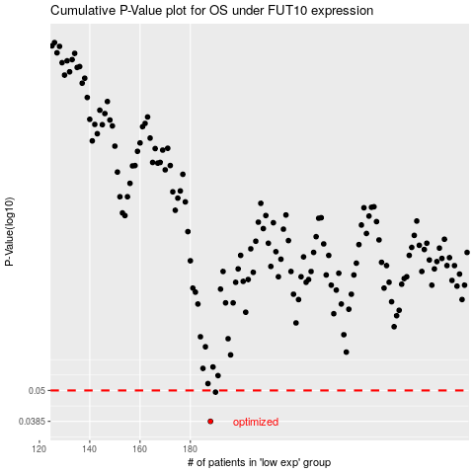

 |  |  |  |  |  | cases_OS | p_OS | rank | exp
 |  |  |  |  |  | 188 | 0.0385 | 182 | -0.34560650371
 |  |  |  |  |  | 190 | 0.0493 | 330 | -0.33872015951
 |  |  |  |  |  |  | cases_RFS | p_RFS | rank | exp
 |  |  |  |  |  |  | 187 | 0.0385 | 276 | -0.34716490624
 |  |  |  |  |  |  | 189 | 0.0493 | 260 | -0.34139228951

