FUT11 _multivariate
Reported by Tex Li-Hsing Chi. tex@gate.sinica.edu.tw 2019-08-19

Table 2. The clinicopathological features of HNSCC cohort and FUT11 expression. (Chi square test)
Cutoff at 0.351 (67.4%)
 |  | FUT11 expression |  | FUT11 expression |  | (Optimised)
 | Features | Low | (%) | High | (%) | Case no | P-value | Remark | Matthews
Gender | Female | 211 | 50.8 | 95 | 22.9 | 415 | 0.3358 | 0 | 0
2 | Male | 69 | 16.6 | 40 | 9.6
Age at diagnosis | <=65y | 185 | 44.6 | 89 | 21.4 | 415 | 1 | 0 | 0
4 | >65y | 95 | 22.9 | 46 | 11.1
Clinical T Status | T1+T2 | 102 | 24.6 | 47 | 11.3 | 415 | 0.8322 | 0 | 0
6 | T3+T4 | 178 | 42.9 | 88 | 21.2
Clinical N Status | N0 | 149 | 35.9 | 67 | 16.1 | 415 | 0.562 | 0 | 0
8 | N1-3 | 131 | 31.6 | 68 | 16.4
Clinical M Status | M0 | 278 | 67 | 134 | 32.3 | 415 | 1 | 0 | 0
10 | M1 | 2 | 0.5 | 1 | 0.2
Clinical Stage | Stage I+II | 69 | 16.6 | 33 | 8 | 415 | 1 | 0 | 0
12 | Stage III+IV | 211 | 50.8 | 102 | 24.6
Surgical Margin status | Negative | 211 | 50.8 | 107 | 25.8 | 415 | 0.4577 | 0 | 0
14 | Positive | 69 | 16.6 | 28 | 6.7
Tobacco Exposure | Low | 105 | 25.3 | 56 | 13.5 | 415 | 0.453 | 0 | 0
16 | High | 175 | 42.2 | 79 | 19

Table 3. Univariate/Multivariate Cox's proportional hazards regression analyses on OS time of FUT11 gene expression in HNSCC

 |  | Univariate |  |  |  | Multivariate
 | Features | HR | CI95%(L) | CI95%(H) | P-value | HR | CI95%(L) | CI95%(H) | P-value
1 | Female | 1 |  |  |  | 1
Gender | Male | 1.157 | 0.843 | 1.587 | 0.367 | 1.182 | 0.848 | 1.647 | 0.324
11 | <=65y | 1 |  |  |  | 1
Age at diagnosis | >65y | 1.329 | 0.99 | 1.784 | 0.058 | 1.391 | 1.023 | 1.89 | 0.035
12 | T1+T2 | 1 |  |  |  | 1
Clinical T Status | T3+T4 | 1.409 | 1.028 | 1.931 | 0.033 | 2.159 | 1.142 | 4.082 | 0.018
13 | N0 | 1 |  |  |  | 1
Clinical N Status | N1-3 | 1.185 | 0.89 | 1.577 | 0.246 | 1.228 | 0.86 | 1.753 | 0.258
14 | M0 | 1 |  |  |  | 1
Clinical M Status | M1 | 4.097 | 1.009 | 16.644 | 0.049 | 9.101 | 1.984 | 41.74 | 0.004
15 | Stage I+II | 1 |  |  |  | 1
Clinical Stage | Stage III+IV | 1.245 | 0.882 | 1.759 | 0.213 | 0.516 | 0.24 | 1.108 | 0.09
16 | Negative | 1 |  |  |  | 1
Surgical Margin status | Positive | 1.591 | 1.155 | 2.191 | 0.004 | 1.731 | 1.25 | 2.396 | 0.001
17 | Low | 1 |  |  |  | 1
Tobacco Exposure | High | 1.364 | 1.008 | 1.844 | 0.044 | 1.484 | 1.078 | 2.044 | 0.016
18 | Low | 1 |  |  |  | 1
RNAseq(z-score) | High | 1.356 | 1.009 | 1.822 | 0.043 | 1.426 | 1.058 | 1.923 | 0.02

Table 4. Univariate/Multivariate Cox's proportional hazards regression analyses on RFS time of FUT11 gene expression in HNSCC

 |  | Univariate |  |  |  | Multivariate
 | Features | HR | CI95%(L) | CI95%(H) | P-value | HR | CI95%(L) | CI95%(H) | P-value
1 | Female | 1 |  |  |  | 1
Gender | Male | 1.157 | 0.843 | 1.587 | 0.367 | 1.182 | 0.848 | 1.647 | 0.324
11 | <=65y | 1 |  |  |  | 1
Age at diagnosis | >65y | 1.329 | 0.99 | 1.784 | 0.058 | 1.391 | 1.023 | 1.89 | 0.035
12 | T1+T2 | 1 |  |  |  | 1
Clinical T Status | T3+T4 | 1.409 | 1.028 | 1.931 | 0.033 | 2.159 | 1.142 | 4.082 | 0.018
13 | N0 | 1 |  |  |  | 1
Clinical N Status | N1-3 | 1.185 | 0.89 | 1.577 | 0.246 | 1.228 | 0.86 | 1.753 | 0.258
14 | M0 | 1 |  |  |  | 1
Clinical M Status | M1 | 4.097 | 1.009 | 16.644 | 0.049 | 9.101 | 1.984 | 41.74 | 0.004
15 | Stage I+II | 1 |  |  |  | 1
Clinical Stage | Stage III+IV | 1.245 | 0.882 | 1.759 | 0.213 | 0.516 | 0.24 | 1.108 | 0.09
16 | Negative | 1 |  |  |  | 1
Surgical Margin status | Positive | 1.591 | 1.155 | 2.191 | 0.004 | 1.731 | 1.25 | 2.396 | 0.001
17 | Low | 1 |  |  |  | 1
Tobacco Exposure | High | 1.364 | 1.008 | 1.844 | 0.044 | 1.484 | 1.078 | 2.044 | 0.016
18 | Low | 1 |  |  |  | 1
RNAseq(z-score) | High | 1.356 | 1.009 | 1.822 | 0.043 | 1.426 | 1.058 | 1.923 | 0.02

Kaplan-Meier survival estimate: Cutoff at 0.351 (67.4%)



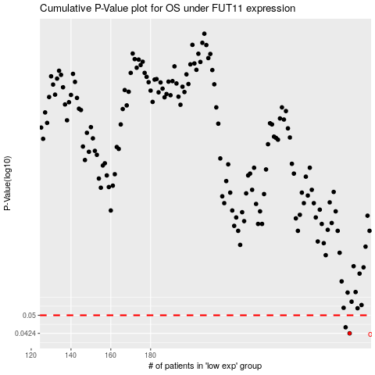

 |  |  |  |  |  | cases_OS | p_OS | rank | exp
 |  |  |  |  |  | 280 | 0.0424 | 12 | 0.35066205567
 |  |  |  |  |  | 278 | 0.0448 | 159 | 0.34185390401
 |  |  |  |  |  |  | cases_RFS | p_RFS | rank | exp
 |  |  |  |  |  |  | 279 | 0.0424 | 368 | 0.35063493802
 |  |  |  |  |  |  | 277 | 0.0448 | 337 | 0.3372235653

