FUZ _multivariate
Reported by Tex Li-Hsing Chi. tex@gate.sinica.edu.tw 2019-08-19

Table 2. The clinicopathological features of HNSCC cohort and FUZ expression. (Chi square test)
Cutoff at -0.318 (49.8%)
 |  | FUZ expression |  | FUZ expression |  | (Optimised)
 | Features | Low | (%) | High | (%) | Case no | P-value | Remark | Matthews
Gender | Female | 137 | 33 | 169 | 40.7 | 415 | 7e-04 | 1 | 0
2 | Male | 70 | 16.9 | 39 | 9.4
Age at diagnosis | <=65y | 128 | 30.8 | 146 | 35.2 | 415 | 0.0904 | 0 | 0
4 | >65y | 79 | 19 | 62 | 14.9
Clinical T Status | T1+T2 | 71 | 17.1 | 78 | 18.8 | 415 | 0.5638 | 0 | 0
6 | T3+T4 | 136 | 32.8 | 130 | 31.3
Clinical N Status | N0 | 111 | 26.7 | 105 | 25.3 | 415 | 0.5875 | 0 | 0
8 | N1-3 | 96 | 23.1 | 103 | 24.8
Clinical M Status | M0 | 204 | 49.2 | 208 | 50.1 | 415 | 0.1232 | 0 | 0
10 | M1 | 3 | 0.7 | 0 | 0
Clinical Stage | Stage I+II | 53 | 12.8 | 49 | 11.8 | 415 | 0.7113 | 0 | 0
12 | Stage III+IV | 154 | 37.1 | 159 | 38.3
Surgical Margin status | Negative | 164 | 39.5 | 154 | 37.1 | 415 | 0.2462 | 0 | 0
14 | Positive | 43 | 10.4 | 54 | 13
Tobacco Exposure | Low | 92 | 22.2 | 69 | 16.6 | 415 | 0.0206 | 1 | 0
16 | High | 115 | 27.7 | 139 | 33.5

Table 3. Univariate/Multivariate Cox's proportional hazards regression analyses on OS time of FUZ gene expression in HNSCC

 |  | Univariate |  |  |  | Multivariate
 | Features | HR | CI95%(L) | CI95%(H) | P-value | HR | CI95%(L) | CI95%(H) | P-value
1 | Female | 1 |  |  |  | 1
Gender | Male | 1.157 | 0.843 | 1.587 | 0.367 | 1.196 | 0.853 | 1.678 | 0.298
11 | <=65y | 1 |  |  |  | 1
Age at diagnosis | >65y | 1.329 | 0.99 | 1.784 | 0.058 | 1.391 | 1.023 | 1.891 | 0.035
12 | T1+T2 | 1 |  |  |  | 1
Clinical T Status | T3+T4 | 1.409 | 1.028 | 1.931 | 0.033 | 2.193 | 1.158 | 4.154 | 0.016
13 | N0 | 1 |  |  |  | 1
Clinical N Status | N1-3 | 1.185 | 0.89 | 1.577 | 0.246 | 1.24 | 0.869 | 1.769 | 0.235
14 | M0 | 1 |  |  |  | 1
Clinical M Status | M1 | 4.097 | 1.009 | 16.644 | 0.049 | 9.234 | 1.984 | 42.972 | 0.005
15 | Stage I+II | 1 |  |  |  | 1
Clinical Stage | Stage III+IV | 1.245 | 0.882 | 1.759 | 0.213 | 0.509 | 0.236 | 1.098 | 0.085
16 | Negative | 1 |  |  |  | 1
Surgical Margin status | Positive | 1.591 | 1.155 | 2.191 | 0.004 | 1.671 | 1.21 | 2.309 | 0.002
17 | Low | 1 |  |  |  | 1
Tobacco Exposure | High | 1.364 | 1.008 | 1.844 | 0.044 | 1.456 | 1.056 | 2.007 | 0.022
18 | Low | 1 |  |  |  | 1
RNAseq(z-score) | High | 0.944 | 0.707 | 1.261 | 0.697 | 0.975 | 0.721 | 1.317 | 0.867

Table 4. Univariate/Multivariate Cox's proportional hazards regression analyses on RFS time of FUZ gene expression in HNSCC

 |  | Univariate |  |  |  | Multivariate
 | Features | HR | CI95%(L) | CI95%(H) | P-value | HR | CI95%(L) | CI95%(H) | P-value
1 | Female | 1 |  |  |  | 1
Gender | Male | 1.157 | 0.843 | 1.587 | 0.367 | 1.196 | 0.853 | 1.678 | 0.298
11 | <=65y | 1 |  |  |  | 1
Age at diagnosis | >65y | 1.329 | 0.99 | 1.784 | 0.058 | 1.391 | 1.023 | 1.891 | 0.035
12 | T1+T2 | 1 |  |  |  | 1
Clinical T Status | T3+T4 | 1.409 | 1.028 | 1.931 | 0.033 | 2.193 | 1.158 | 4.154 | 0.016
13 | N0 | 1 |  |  |  | 1
Clinical N Status | N1-3 | 1.185 | 0.89 | 1.577 | 0.246 | 1.24 | 0.869 | 1.769 | 0.235
14 | M0 | 1 |  |  |  | 1
Clinical M Status | M1 | 4.097 | 1.009 | 16.644 | 0.049 | 9.234 | 1.984 | 42.972 | 0.005
15 | Stage I+II | 1 |  |  |  | 1
Clinical Stage | Stage III+IV | 1.245 | 0.882 | 1.759 | 0.213 | 0.509 | 0.236 | 1.098 | 0.085
16 | Negative | 1 |  |  |  | 1
Surgical Margin status | Positive | 1.591 | 1.155 | 2.191 | 0.004 | 1.671 | 1.21 | 2.309 | 0.002
17 | Low | 1 |  |  |  | 1
Tobacco Exposure | High | 1.364 | 1.008 | 1.844 | 0.044 | 1.456 | 1.056 | 2.007 | 0.022
18 | Low | 1 |  |  |  | 1
RNAseq(z-score) | High | 0.944 | 0.707 | 1.261 | 0.697 | 0.975 | 0.721 | 1.317 | 0.867

Kaplan-Meier survival estimate: Cutoff at -0.318 (49.8%)



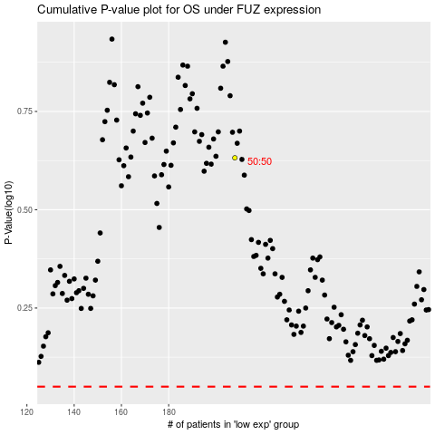

 |  |  |  |  |  | cases_OS | p_OS | rank | exp
 |  |  |  |  |  |  | cases_RFS | p_RFS | rank | exp

