FXYD1 _multivariate
Reported by Tex Li-Hsing Chi. tex@gate.sinica.edu.tw 2019-08-19

Table 2. The clinicopathological features of HNSCC cohort and FXYD1 expression. (Chi square test)
Cutoff at -0.18 (70.0%)
 |  | FXYD1 expression |  | FXYD1 expression |  | (Optimised)
 | Features | Low | (%) | High | (%) | Case no | P-value | Remark | Matthews
Gender | Female | 216 | 52 | 90 | 21.7 | 415 | 0.685 | 0 | 0
2 | Male | 74 | 17.8 | 35 | 8.4
Age at diagnosis | <=65y | 189 | 45.5 | 85 | 20.5 | 415 | 0.6563 | 0 | 0
4 | >65y | 101 | 24.3 | 40 | 9.6
Clinical T Status | T1+T2 | 91 | 21.9 | 58 | 14 | 415 | 0.0049 | 1 | 0
6 | T3+T4 | 199 | 48 | 67 | 16.1
Clinical N Status | N0 | 150 | 36.1 | 66 | 15.9 | 415 | 0.925 | 0 | 0
8 | N1-3 | 140 | 33.7 | 59 | 14.2
Clinical M Status | M0 | 287 | 69.2 | 125 | 30.1 | 415 | 0.5571 | 0 | 0
10 | M1 | 3 | 0.7 | 0 | 0
Clinical Stage | Stage I+II | 61 | 14.7 | 41 | 9.9 | 415 | 0.0151 | 1 | 0
12 | Stage III+IV | 229 | 55.2 | 84 | 20.2
Surgical Margin status | Negative | 225 | 54.2 | 93 | 22.4 | 415 | 0.5276 | 0 | 0
14 | Positive | 65 | 15.7 | 32 | 7.7
Tobacco Exposure | Low | 116 | 28 | 45 | 10.8 | 415 | 0.5102 | 0 | 0
16 | High | 174 | 41.9 | 80 | 19.3

Table 3. Univariate/Multivariate Cox's proportional hazards regression analyses on OS time of FXYD1 gene expression in HNSCC

 |  | Univariate |  |  |  | Multivariate
 | Features | HR | CI95%(L) | CI95%(H) | P-value | HR | CI95%(L) | CI95%(H) | P-value
1 | Female | 1 |  |  |  | 1
Gender | Male | 1.157 | 0.843 | 1.587 | 0.367 | 1.195 | 0.856 | 1.669 | 0.295
11 | <=65y | 1 |  |  |  | 1
Age at diagnosis | >65y | 1.329 | 0.99 | 1.784 | 0.058 | 1.405 | 1.033 | 1.911 | 0.03
12 | T1+T2 | 1 |  |  |  | 1
Clinical T Status | T3+T4 | 1.409 | 1.028 | 1.931 | 0.033 | 2.251 | 1.19 | 4.259 | 0.013
13 | N0 | 1 |  |  |  | 1
Clinical N Status | N1-3 | 1.185 | 0.89 | 1.577 | 0.246 | 1.215 | 0.851 | 1.735 | 0.285
14 | M0 | 1 |  |  |  | 1
Clinical M Status | M1 | 4.097 | 1.009 | 16.644 | 0.049 | 10.492 | 2.278 | 48.317 | 0.003
15 | Stage I+II | 1 |  |  |  | 1
Clinical Stage | Stage III+IV | 1.245 | 0.882 | 1.759 | 0.213 | 0.521 | 0.243 | 1.12 | 0.095
16 | Negative | 1 |  |  |  | 1
Surgical Margin status | Positive | 1.591 | 1.155 | 2.191 | 0.004 | 1.61 | 1.163 | 2.229 | 0.004
17 | Low | 1 |  |  |  | 1
Tobacco Exposure | High | 1.364 | 1.008 | 1.844 | 0.044 | 1.397 | 1.013 | 1.927 | 0.041
18 | Low | 1 |  |  |  | 1
RNAseq(z-score) | High | 1.367 | 1.014 | 1.843 | 0.04 | 1.352 | 0.994 | 1.841 | 0.055

Table 4. Univariate/Multivariate Cox's proportional hazards regression analyses on RFS time of FXYD1 gene expression in HNSCC

 |  | Univariate |  |  |  | Multivariate
 | Features | HR | CI95%(L) | CI95%(H) | P-value | HR | CI95%(L) | CI95%(H) | P-value
1 | Female | 1 |  |  |  | 1
Gender | Male | 1.157 | 0.843 | 1.587 | 0.367 | 1.195 | 0.856 | 1.669 | 0.295
11 | <=65y | 1 |  |  |  | 1
Age at diagnosis | >65y | 1.329 | 0.99 | 1.784 | 0.058 | 1.405 | 1.033 | 1.911 | 0.03
12 | T1+T2 | 1 |  |  |  | 1
Clinical T Status | T3+T4 | 1.409 | 1.028 | 1.931 | 0.033 | 2.251 | 1.19 | 4.259 | 0.013
13 | N0 | 1 |  |  |  | 1
Clinical N Status | N1-3 | 1.185 | 0.89 | 1.577 | 0.246 | 1.215 | 0.851 | 1.735 | 0.285
14 | M0 | 1 |  |  |  | 1
Clinical M Status | M1 | 4.097 | 1.009 | 16.644 | 0.049 | 10.492 | 2.278 | 48.317 | 0.003
15 | Stage I+II | 1 |  |  |  | 1
Clinical Stage | Stage III+IV | 1.245 | 0.882 | 1.759 | 0.213 | 0.521 | 0.243 | 1.12 | 0.095
16 | Negative | 1 |  |  |  | 1
Surgical Margin status | Positive | 1.591 | 1.155 | 2.191 | 0.004 | 1.61 | 1.163 | 2.229 | 0.004
17 | Low | 1 |  |  |  | 1
Tobacco Exposure | High | 1.364 | 1.008 | 1.844 | 0.044 | 1.397 | 1.013 | 1.927 | 0.041
18 | Low | 1 |  |  |  | 1
RNAseq(z-score) | High | 1.367 | 1.014 | 1.843 | 0.04 | 1.352 | 0.994 | 1.841 | 0.055

Kaplan-Meier survival estimate: Cutoff at -0.18 (70.0%)



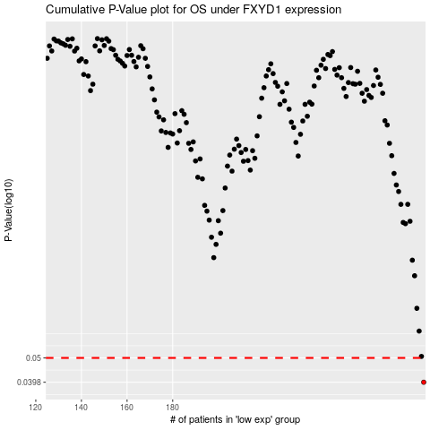

 |  |  |  |  |  | cases_OS | p_OS | rank | exp
 |  |  |  |  |  | 290 | 0.0398 | 99 | -0.18004183087
 |  |  |  |  |  |  | cases_RFS | p_RFS | rank | exp
 |  |  |  |  |  |  | 289 | 0.0398 | 150 | -0.18011834133

