FXYD2 _multivariate
Reported by Tex Li-Hsing Chi. tex@gate.sinica.edu.tw 2019-08-19

Table 2. The clinicopathological features of HNSCC cohort and FXYD2 expression. (Chi square test)
Cutoff at -0.128 (49.8%)
 |  | FXYD2 expression |  | FXYD2 expression |  | (Optimised)
 | Features | Low | (%) | High | (%) | Case no | P-value | Remark | Matthews
Gender | Female | 159 | 38.3 | 147 | 35.4 | 415 | 0.1905 | 0 | 0
2 | Male | 48 | 11.6 | 61 | 14.7
Age at diagnosis | <=65y | 133 | 32 | 141 | 34 | 415 | 0.5111 | 0 | 0
4 | >65y | 74 | 17.8 | 67 | 16.1
Clinical T Status | T1+T2 | 72 | 17.3 | 77 | 18.6 | 415 | 0.7095 | 0 | 0
6 | T3+T4 | 135 | 32.5 | 131 | 31.6
Clinical N Status | N0 | 115 | 27.7 | 101 | 24.3 | 415 | 0.184 | 1 | 0
8 | N1-3 | 92 | 22.2 | 107 | 25.8
Clinical M Status | M0 | 206 | 49.6 | 206 | 49.6 | 415 | 1 | 0 | 0
10 | M1 | 1 | 0.2 | 2 | 0.5
Clinical Stage | Stage I+II | 53 | 12.8 | 49 | 11.8 | 415 | 0.7113 | 0 | 0
12 | Stage III+IV | 154 | 37.1 | 159 | 38.3
Surgical Margin status | Negative | 162 | 39 | 156 | 37.6 | 415 | 0.4867 | 0 | 0
14 | Positive | 45 | 10.8 | 52 | 12.5
Tobacco Exposure | Low | 77 | 18.6 | 84 | 20.2 | 415 | 0.5459 | 0 | 0
16 | High | 130 | 31.3 | 124 | 29.9

Table 3. Univariate/Multivariate Cox's proportional hazards regression analyses on OS time of FXYD2 gene expression in HNSCC

 |  | Univariate |  |  |  | Multivariate
 | Features | HR | CI95%(L) | CI95%(H) | P-value | HR | CI95%(L) | CI95%(H) | P-value
1 | Female | 1 |  |  |  | 1
Gender | Male | 1.157 | 0.843 | 1.587 | 0.367 | 1.207 | 0.863 | 1.688 | 0.271
11 | <=65y | 1 |  |  |  | 1
Age at diagnosis | >65y | 1.329 | 0.99 | 1.784 | 0.058 | 1.379 | 1.014 | 1.876 | 0.04
12 | T1+T2 | 1 |  |  |  | 1
Clinical T Status | T3+T4 | 1.409 | 1.028 | 1.931 | 0.033 | 2.191 | 1.159 | 4.142 | 0.016
13 | N0 | 1 |  |  |  | 1
Clinical N Status | N1-3 | 1.185 | 0.89 | 1.577 | 0.246 | 1.252 | 0.877 | 1.787 | 0.216
14 | M0 | 1 |  |  |  | 1
Clinical M Status | M1 | 4.097 | 1.009 | 16.644 | 0.049 | 9.724 | 2.118 | 44.639 | 0.003
15 | Stage I+II | 1 |  |  |  | 1
Clinical Stage | Stage III+IV | 1.245 | 0.882 | 1.759 | 0.213 | 0.502 | 0.234 | 1.077 | 0.077
16 | Negative | 1 |  |  |  | 1
Surgical Margin status | Positive | 1.591 | 1.155 | 2.191 | 0.004 | 1.678 | 1.214 | 2.318 | 0.002
17 | Low | 1 |  |  |  | 1
Tobacco Exposure | High | 1.364 | 1.008 | 1.844 | 0.044 | 1.442 | 1.045 | 1.988 | 0.026
18 | Low | 1 |  |  |  | 1
RNAseq(z-score) | High | 0.857 | 0.643 | 1.142 | 0.292 | 0.872 | 0.653 | 1.165 | 0.355

Table 4. Univariate/Multivariate Cox's proportional hazards regression analyses on RFS time of FXYD2 gene expression in HNSCC

 |  | Univariate |  |  |  | Multivariate
 | Features | HR | CI95%(L) | CI95%(H) | P-value | HR | CI95%(L) | CI95%(H) | P-value
1 | Female | 1 |  |  |  | 1
Gender | Male | 1.157 | 0.843 | 1.587 | 0.367 | 1.207 | 0.863 | 1.688 | 0.271
11 | <=65y | 1 |  |  |  | 1
Age at diagnosis | >65y | 1.329 | 0.99 | 1.784 | 0.058 | 1.379 | 1.014 | 1.876 | 0.04
12 | T1+T2 | 1 |  |  |  | 1
Clinical T Status | T3+T4 | 1.409 | 1.028 | 1.931 | 0.033 | 2.191 | 1.159 | 4.142 | 0.016
13 | N0 | 1 |  |  |  | 1
Clinical N Status | N1-3 | 1.185 | 0.89 | 1.577 | 0.246 | 1.252 | 0.877 | 1.787 | 0.216
14 | M0 | 1 |  |  |  | 1
Clinical M Status | M1 | 4.097 | 1.009 | 16.644 | 0.049 | 9.724 | 2.118 | 44.639 | 0.003
15 | Stage I+II | 1 |  |  |  | 1
Clinical Stage | Stage III+IV | 1.245 | 0.882 | 1.759 | 0.213 | 0.502 | 0.234 | 1.077 | 0.077
16 | Negative | 1 |  |  |  | 1
Surgical Margin status | Positive | 1.591 | 1.155 | 2.191 | 0.004 | 1.678 | 1.214 | 2.318 | 0.002
17 | Low | 1 |  |  |  | 1
Tobacco Exposure | High | 1.364 | 1.008 | 1.844 | 0.044 | 1.442 | 1.045 | 1.988 | 0.026
18 | Low | 1 |  |  |  | 1
RNAseq(z-score) | High | 0.857 | 0.643 | 1.142 | 0.292 | 0.872 | 0.653 | 1.165 | 0.355

Kaplan-Meier survival estimate: Cutoff at -0.128 (49.8%)



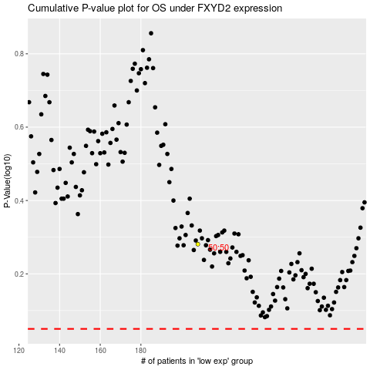

 |  |  |  |  |  | cases_OS | p_OS | rank | exp
 |  |  |  |  |  |  | cases_RFS | p_RFS | rank | exp

