FXYD3 _multivariate
Reported by Tex Li-Hsing Chi. tex@gate.sinica.edu.tw 2019-08-19

Table 2. The clinicopathological features of HNSCC cohort and FXYD3 expression. (Chi square test)
Cutoff at -0.265 (50.0%)
 |  | FXYD3 expression |  | FXYD3 expression |  | (Optimised)
 | Features | Low | (%) | High | (%) | Case no | P-value | Remark | Matthews
Gender | Female | 158 | 38.1 | 148 | 35.7 | 415 | 0.2774 | 0 | 0
2 | Male | 49 | 11.8 | 60 | 14.5
Age at diagnosis | <=65y | 149 | 35.9 | 125 | 30.1 | 415 | 0.0142 | 1 | 0
4 | >65y | 58 | 14 | 83 | 20
Clinical T Status | T1+T2 | 74 | 17.8 | 75 | 18.1 | 415 | 1 | 0 | 0
6 | T3+T4 | 133 | 32 | 133 | 32
Clinical N Status | N0 | 105 | 25.3 | 111 | 26.7 | 415 | 0.6598 | 0 | 0
8 | N1-3 | 102 | 24.6 | 97 | 23.4
Clinical M Status | M0 | 207 | 49.9 | 205 | 49.4 | 415 | 0.2482 | 0 | 0
10 | M1 | 0 | 0 | 3 | 0.7
Clinical Stage | Stage I+II | 52 | 12.5 | 50 | 12 | 415 | 0.8871 | 0 | 0
12 | Stage III+IV | 155 | 37.3 | 158 | 38.1
Surgical Margin status | Negative | 152 | 36.6 | 166 | 40 | 415 | 0.1329 | 0 | 0
14 | Positive | 55 | 13.3 | 42 | 10.1
Tobacco Exposure | Low | 76 | 18.3 | 85 | 20.5 | 415 | 0.4207 | 0 | 0
16 | High | 131 | 31.6 | 123 | 29.6

Table 3. Univariate/Multivariate Cox's proportional hazards regression analyses on OS time of FXYD3 gene expression in HNSCC

 |  | Univariate |  |  |  | Multivariate
 | Features | HR | CI95%(L) | CI95%(H) | P-value | HR | CI95%(L) | CI95%(H) | P-value
1 | Female | 1 |  |  |  | 1
Gender | Male | 1.157 | 0.843 | 1.587 | 0.367 | 1.201 | 0.86 | 1.678 | 0.283
11 | <=65y | 1 |  |  |  | 1
Age at diagnosis | >65y | 1.329 | 0.99 | 1.784 | 0.058 | 1.404 | 1.031 | 1.911 | 0.031
12 | T1+T2 | 1 |  |  |  | 1
Clinical T Status | T3+T4 | 1.409 | 1.028 | 1.931 | 0.033 | 2.191 | 1.159 | 4.143 | 0.016
13 | N0 | 1 |  |  |  | 1
Clinical N Status | N1-3 | 1.185 | 0.89 | 1.577 | 0.246 | 1.25 | 0.875 | 1.785 | 0.22
14 | M0 | 1 |  |  |  | 1
Clinical M Status | M1 | 4.097 | 1.009 | 16.644 | 0.049 | 9.764 | 2.119 | 44.988 | 0.003
15 | Stage I+II | 1 |  |  |  | 1
Clinical Stage | Stage III+IV | 1.245 | 0.882 | 1.759 | 0.213 | 0.507 | 0.236 | 1.09 | 0.082
16 | Negative | 1 |  |  |  | 1
Surgical Margin status | Positive | 1.591 | 1.155 | 2.191 | 0.004 | 1.658 | 1.198 | 2.293 | 0.002
17 | Low | 1 |  |  |  | 1
Tobacco Exposure | High | 1.364 | 1.008 | 1.844 | 0.044 | 1.456 | 1.057 | 2.006 | 0.022
18 | Low | 1 |  |  |  | 1
RNAseq(z-score) | High | 0.944 | 0.708 | 1.257 | 0.692 | 0.916 | 0.684 | 1.227 | 0.555

Table 4. Univariate/Multivariate Cox's proportional hazards regression analyses on RFS time of FXYD3 gene expression in HNSCC

 |  | Univariate |  |  |  | Multivariate
 | Features | HR | CI95%(L) | CI95%(H) | P-value | HR | CI95%(L) | CI95%(H) | P-value
1 | Female | 1 |  |  |  | 1
Gender | Male | 1.157 | 0.843 | 1.587 | 0.367 | 1.201 | 0.86 | 1.678 | 0.283
11 | <=65y | 1 |  |  |  | 1
Age at diagnosis | >65y | 1.329 | 0.99 | 1.784 | 0.058 | 1.404 | 1.031 | 1.911 | 0.031
12 | T1+T2 | 1 |  |  |  | 1
Clinical T Status | T3+T4 | 1.409 | 1.028 | 1.931 | 0.033 | 2.191 | 1.159 | 4.143 | 0.016
13 | N0 | 1 |  |  |  | 1
Clinical N Status | N1-3 | 1.185 | 0.89 | 1.577 | 0.246 | 1.25 | 0.875 | 1.785 | 0.22
14 | M0 | 1 |  |  |  | 1
Clinical M Status | M1 | 4.097 | 1.009 | 16.644 | 0.049 | 9.764 | 2.119 | 44.988 | 0.003
15 | Stage I+II | 1 |  |  |  | 1
Clinical Stage | Stage III+IV | 1.245 | 0.882 | 1.759 | 0.213 | 0.507 | 0.236 | 1.09 | 0.082
16 | Negative | 1 |  |  |  | 1
Surgical Margin status | Positive | 1.591 | 1.155 | 2.191 | 0.004 | 1.658 | 1.198 | 2.293 | 0.002
17 | Low | 1 |  |  |  | 1
Tobacco Exposure | High | 1.364 | 1.008 | 1.844 | 0.044 | 1.456 | 1.057 | 2.006 | 0.022
18 | Low | 1 |  |  |  | 1
RNAseq(z-score) | High | 0.944 | 0.708 | 1.257 | 0.692 | 0.916 | 0.684 | 1.227 | 0.555

Kaplan-Meier survival estimate: Cutoff at -0.265 (50.0%)



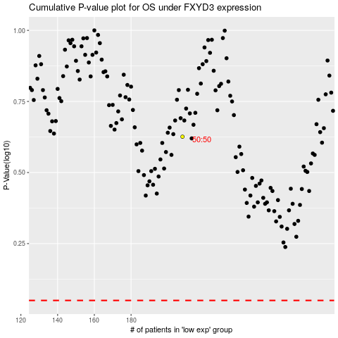

 |  |  |  |  |  | cases_OS | p_OS | rank | exp
 |  |  |  |  |  |  | cases_RFS | p_RFS | rank | exp

