FYTTD1 _multivariate
Reported by Tex Li-Hsing Chi. tex@gate.sinica.edu.tw 2019-08-19

Table 2. The clinicopathological features of HNSCC cohort and FYTTD1 expression. (Chi square test)
Cutoff at -0.099 (50.0%)
 |  | FYTTD1 expression |  | FYTTD1 expression |  | (Optimised)
 | Features | Low | (%) | High | (%) | Case no | P-value | Remark | Matthews
Gender | Female | 146 | 35.2 | 160 | 38.6 | 415 | 0.1714 | 0 | 0
2 | Male | 61 | 14.7 | 48 | 11.6
Age at diagnosis | <=65y | 124 | 29.9 | 150 | 36.1 | 415 | 0.0116 | 1 | 0
4 | >65y | 83 | 20 | 58 | 14
Clinical T Status | T1+T2 | 69 | 16.6 | 80 | 19.3 | 415 | 0.3239 | 0 | 0
6 | T3+T4 | 138 | 33.3 | 128 | 30.8
Clinical N Status | N0 | 108 | 26 | 108 | 26 | 415 | 1 | 0 | 0
8 | N1-3 | 99 | 23.9 | 100 | 24.1
Clinical M Status | M0 | 205 | 49.4 | 207 | 49.9 | 415 | 0.6232 | 0 | 0
10 | M1 | 2 | 0.5 | 1 | 0.2
Clinical Stage | Stage I+II | 45 | 10.8 | 57 | 13.7 | 415 | 0.2202 | 0 | 0
12 | Stage III+IV | 162 | 39 | 151 | 36.4
Surgical Margin status | Negative | 151 | 36.4 | 167 | 40.2 | 415 | 0.0828 | 0 | 0
14 | Positive | 56 | 13.5 | 41 | 9.9
Tobacco Exposure | Low | 93 | 22.4 | 68 | 16.4 | 415 | 0.0118 | 1 | 0
16 | High | 114 | 27.5 | 140 | 33.7

Table 3. Univariate/Multivariate Cox's proportional hazards regression analyses on OS time of FYTTD1 gene expression in HNSCC

 |  | Univariate |  |  |  | Multivariate
 | Features | HR | CI95%(L) | CI95%(H) | P-value | HR | CI95%(L) | CI95%(H) | P-value
1 | Female | 1 |  |  |  | 1
Gender | Male | 1.157 | 0.843 | 1.587 | 0.367 | 1.214 | 0.868 | 1.697 | 0.257
11 | <=65y | 1 |  |  |  | 1
Age at diagnosis | >65y | 1.329 | 0.99 | 1.784 | 0.058 | 1.414 | 1.038 | 1.925 | 0.028
12 | T1+T2 | 1 |  |  |  | 1
Clinical T Status | T3+T4 | 1.409 | 1.028 | 1.931 | 0.033 | 2.206 | 1.166 | 4.175 | 0.015
13 | N0 | 1 |  |  |  | 1
Clinical N Status | N1-3 | 1.185 | 0.89 | 1.577 | 0.246 | 1.235 | 0.865 | 1.763 | 0.245
14 | M0 | 1 |  |  |  | 1
Clinical M Status | M1 | 4.097 | 1.009 | 16.644 | 0.049 | 9.622 | 2.097 | 44.146 | 0.004
15 | Stage I+II | 1 |  |  |  | 1
Clinical Stage | Stage III+IV | 1.245 | 0.882 | 1.759 | 0.213 | 0.514 | 0.239 | 1.105 | 0.088
16 | Negative | 1 |  |  |  | 1
Surgical Margin status | Positive | 1.591 | 1.155 | 2.191 | 0.004 | 1.713 | 1.234 | 2.38 | 0.001
17 | Low | 1 |  |  |  | 1
Tobacco Exposure | High | 1.364 | 1.008 | 1.844 | 0.044 | 1.43 | 1.037 | 1.974 | 0.029
18 | Low | 1 |  |  |  | 1
RNAseq(z-score) | High | 1.022 | 0.767 | 1.362 | 0.881 | 1.143 | 0.848 | 1.542 | 0.38

Table 4. Univariate/Multivariate Cox's proportional hazards regression analyses on RFS time of FYTTD1 gene expression in HNSCC

 |  | Univariate |  |  |  | Multivariate
 | Features | HR | CI95%(L) | CI95%(H) | P-value | HR | CI95%(L) | CI95%(H) | P-value
1 | Female | 1 |  |  |  | 1
Gender | Male | 1.157 | 0.843 | 1.587 | 0.367 | 1.214 | 0.868 | 1.697 | 0.257
11 | <=65y | 1 |  |  |  | 1
Age at diagnosis | >65y | 1.329 | 0.99 | 1.784 | 0.058 | 1.414 | 1.038 | 1.925 | 0.028
12 | T1+T2 | 1 |  |  |  | 1
Clinical T Status | T3+T4 | 1.409 | 1.028 | 1.931 | 0.033 | 2.206 | 1.166 | 4.175 | 0.015
13 | N0 | 1 |  |  |  | 1
Clinical N Status | N1-3 | 1.185 | 0.89 | 1.577 | 0.246 | 1.235 | 0.865 | 1.763 | 0.245
14 | M0 | 1 |  |  |  | 1
Clinical M Status | M1 | 4.097 | 1.009 | 16.644 | 0.049 | 9.622 | 2.097 | 44.146 | 0.004
15 | Stage I+II | 1 |  |  |  | 1
Clinical Stage | Stage III+IV | 1.245 | 0.882 | 1.759 | 0.213 | 0.514 | 0.239 | 1.105 | 0.088
16 | Negative | 1 |  |  |  | 1
Surgical Margin status | Positive | 1.591 | 1.155 | 2.191 | 0.004 | 1.713 | 1.234 | 2.38 | 0.001
17 | Low | 1 |  |  |  | 1
Tobacco Exposure | High | 1.364 | 1.008 | 1.844 | 0.044 | 1.43 | 1.037 | 1.974 | 0.029
18 | Low | 1 |  |  |  | 1
RNAseq(z-score) | High | 1.022 | 0.767 | 1.362 | 0.881 | 1.143 | 0.848 | 1.542 | 0.38

Kaplan-Meier survival estimate: Cutoff at -0.099 (50.0%)

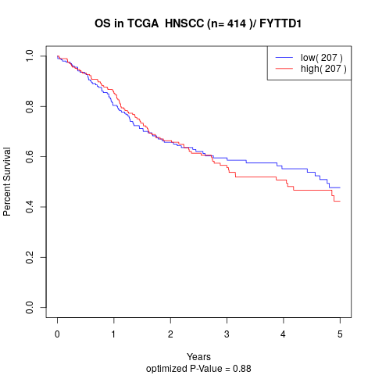

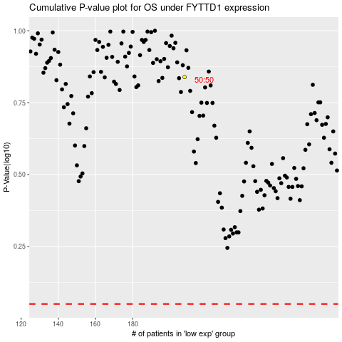

 |  |  |  |  |  | cases_OS | p_OS | rank | exp
 |  |  |  |  |  |  | cases_RFS | p_RFS | rank | exp

