FZD1 _multivariate
Reported by Tex Li-Hsing Chi. tex@gate.sinica.edu.tw 2019-08-19

Table 2. The clinicopathological features of HNSCC cohort and FZD1 expression. (Chi square test)
Cutoff at -0.238 (49.8%)
 |  | FZD1 expression |  | FZD1 expression |  | (Optimised)
 | Features | Low | (%) | High | (%) | Case no | P-value | Remark | Matthews
Gender | Female | 149 | 35.9 | 157 | 37.8 | 415 | 0.4848 | 0 | 0
2 | Male | 58 | 14 | 51 | 12.3
Age at diagnosis | <=65y | 138 | 33.3 | 136 | 32.8 | 415 | 0.8634 | 0 | 0
4 | >65y | 69 | 16.6 | 72 | 17.3
Clinical T Status | T1+T2 | 76 | 18.3 | 73 | 17.6 | 415 | 0.8092 | 0 | 0
6 | T3+T4 | 131 | 31.6 | 135 | 32.5
Clinical N Status | N0 | 103 | 24.8 | 113 | 27.2 | 415 | 0.4047 | 0 | 0
8 | N1-3 | 104 | 25.1 | 95 | 22.9
Clinical M Status | M0 | 204 | 49.2 | 208 | 50.1 | 415 | 0.1232 | 0 | 0
10 | M1 | 3 | 0.7 | 0 | 0
Clinical Stage | Stage I+II | 49 | 11.8 | 53 | 12.8 | 415 | 0.7535 | 0 | 0
12 | Stage III+IV | 158 | 38.1 | 155 | 37.3
Surgical Margin status | Negative | 158 | 38.1 | 160 | 38.6 | 415 | 0.9081 | 0 | 0
14 | Positive | 49 | 11.8 | 48 | 11.6
Tobacco Exposure | Low | 87 | 21 | 74 | 17.8 | 415 | 0.1911 | 0 | 0
16 | High | 120 | 28.9 | 134 | 32.3

Table 3. Univariate/Multivariate Cox's proportional hazards regression analyses on OS time of FZD1 gene expression in HNSCC

 |  | Univariate |  |  |  | Multivariate
 | Features | HR | CI95%(L) | CI95%(H) | P-value | HR | CI95%(L) | CI95%(H) | P-value
1 | Female | 1 |  |  |  | 1
Gender | Male | 1.157 | 0.843 | 1.587 | 0.367 | 1.194 | 0.853 | 1.669 | 0.301
11 | <=65y | 1 |  |  |  | 1
Age at diagnosis | >65y | 1.329 | 0.99 | 1.784 | 0.058 | 1.395 | 1.026 | 1.897 | 0.034
12 | T1+T2 | 1 |  |  |  | 1
Clinical T Status | T3+T4 | 1.409 | 1.028 | 1.931 | 0.033 | 2.225 | 1.176 | 4.213 | 0.014
13 | N0 | 1 |  |  |  | 1
Clinical N Status | N1-3 | 1.185 | 0.89 | 1.577 | 0.246 | 1.237 | 0.866 | 1.765 | 0.242
14 | M0 | 1 |  |  |  | 1
Clinical M Status | M1 | 4.097 | 1.009 | 16.644 | 0.049 | 9.1 | 1.977 | 41.892 | 0.005
15 | Stage I+II | 1 |  |  |  | 1
Clinical Stage | Stage III+IV | 1.245 | 0.882 | 1.759 | 0.213 | 0.502 | 0.234 | 1.078 | 0.077
16 | Negative | 1 |  |  |  | 1
Surgical Margin status | Positive | 1.591 | 1.155 | 2.191 | 0.004 | 1.672 | 1.21 | 2.31 | 0.002
17 | Low | 1 |  |  |  | 1
Tobacco Exposure | High | 1.364 | 1.008 | 1.844 | 0.044 | 1.46 | 1.059 | 2.014 | 0.021
18 | Low | 1 |  |  |  | 1
RNAseq(z-score) | High | 0.929 | 0.697 | 1.239 | 0.617 | 0.92 | 0.686 | 1.232 | 0.575

Table 4. Univariate/Multivariate Cox's proportional hazards regression analyses on RFS time of FZD1 gene expression in HNSCC

 |  | Univariate |  |  |  | Multivariate
 | Features | HR | CI95%(L) | CI95%(H) | P-value | HR | CI95%(L) | CI95%(H) | P-value
1 | Female | 1 |  |  |  | 1
Gender | Male | 1.157 | 0.843 | 1.587 | 0.367 | 1.194 | 0.853 | 1.669 | 0.301
11 | <=65y | 1 |  |  |  | 1
Age at diagnosis | >65y | 1.329 | 0.99 | 1.784 | 0.058 | 1.395 | 1.026 | 1.897 | 0.034
12 | T1+T2 | 1 |  |  |  | 1
Clinical T Status | T3+T4 | 1.409 | 1.028 | 1.931 | 0.033 | 2.225 | 1.176 | 4.213 | 0.014
13 | N0 | 1 |  |  |  | 1
Clinical N Status | N1-3 | 1.185 | 0.89 | 1.577 | 0.246 | 1.237 | 0.866 | 1.765 | 0.242
14 | M0 | 1 |  |  |  | 1
Clinical M Status | M1 | 4.097 | 1.009 | 16.644 | 0.049 | 9.1 | 1.977 | 41.892 | 0.005
15 | Stage I+II | 1 |  |  |  | 1
Clinical Stage | Stage III+IV | 1.245 | 0.882 | 1.759 | 0.213 | 0.502 | 0.234 | 1.078 | 0.077
16 | Negative | 1 |  |  |  | 1
Surgical Margin status | Positive | 1.591 | 1.155 | 2.191 | 0.004 | 1.672 | 1.21 | 2.31 | 0.002
17 | Low | 1 |  |  |  | 1
Tobacco Exposure | High | 1.364 | 1.008 | 1.844 | 0.044 | 1.46 | 1.059 | 2.014 | 0.021
18 | Low | 1 |  |  |  | 1
RNAseq(z-score) | High | 0.929 | 0.697 | 1.239 | 0.617 | 0.92 | 0.686 | 1.232 | 0.575

Kaplan-Meier survival estimate: Cutoff at -0.238 (49.8%)



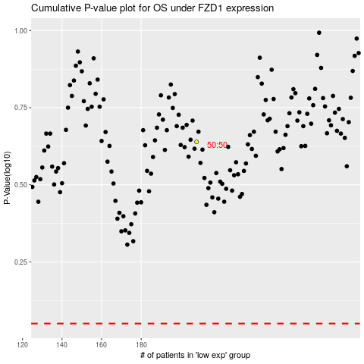

 |  |  |  |  |  | cases_OS | p_OS | rank | exp
 |  |  |  |  |  |  | cases_RFS | p_RFS | rank | exp

