FZD3 _multivariate
Reported by Tex Li-Hsing Chi. tex@gate.sinica.edu.tw 2019-08-19

Table 2. The clinicopathological features of HNSCC cohort and FZD3 expression. (Chi square test)
Cutoff at 0.251 (69.6%)
 |  | FZD3 expression |  | FZD3 expression |  | (Optimised)
 | Features | Low | (%) | High | (%) | Case no | P-value | Remark | Matthews
Gender | Female | 216 | 52 | 90 | 21.7 | 415 | 0.5594 | 0 | 0
2 | Male | 73 | 17.6 | 36 | 8.7
Age at diagnosis | <=65y | 193 | 46.5 | 81 | 19.5 | 415 | 0.7032 | 0 | 0
4 | >65y | 96 | 23.1 | 45 | 10.8
Clinical T Status | T1+T2 | 120 | 28.9 | 29 | 7 | 415 | 5e-04 | 1 | 0
6 | T3+T4 | 169 | 40.7 | 97 | 23.4
Clinical N Status | N0 | 149 | 35.9 | 67 | 16.1 | 415 | 0.8443 | 0 | 0
8 | N1-3 | 140 | 33.7 | 59 | 14.2
Clinical M Status | M0 | 287 | 69.2 | 125 | 30.1 | 415 | 1 | 0 | 0
10 | M1 | 2 | 0.5 | 1 | 0.2
Clinical Stage | Stage I+II | 80 | 19.3 | 22 | 5.3 | 415 | 0.0357 | 1 | 0
12 | Stage III+IV | 209 | 50.4 | 104 | 25.1
Surgical Margin status | Negative | 226 | 54.5 | 92 | 22.2 | 415 | 0.2584 | 0 | 0
14 | Positive | 63 | 15.2 | 34 | 8.2
Tobacco Exposure | Low | 119 | 28.7 | 42 | 10.1 | 415 | 0.1544 | 0 | 0
16 | High | 170 | 41 | 84 | 20.2

Table 3. Univariate/Multivariate Cox's proportional hazards regression analyses on OS time of FZD3 gene expression in HNSCC

 |  | Univariate |  |  |  | Multivariate
 | Features | HR | CI95%(L) | CI95%(H) | P-value | HR | CI95%(L) | CI95%(H) | P-value
1 | Female | 1 |  |  |  | 1
Gender | Male | 1.157 | 0.843 | 1.587 | 0.367 | 1.169 | 0.836 | 1.635 | 0.362
11 | <=65y | 1 |  |  |  | 1
Age at diagnosis | >65y | 1.329 | 0.99 | 1.784 | 0.058 | 1.389 | 1.022 | 1.887 | 0.036
12 | T1+T2 | 1 |  |  |  | 1
Clinical T Status | T3+T4 | 1.409 | 1.028 | 1.931 | 0.033 | 2.08 | 1.097 | 3.943 | 0.025
13 | N0 | 1 |  |  |  | 1
Clinical N Status | N1-3 | 1.185 | 0.89 | 1.577 | 0.246 | 1.252 | 0.878 | 1.786 | 0.215
14 | M0 | 1 |  |  |  | 1
Clinical M Status | M1 | 4.097 | 1.009 | 16.644 | 0.049 | 9.34 | 2.037 | 42.839 | 0.004
15 | Stage I+II | 1 |  |  |  | 1
Clinical Stage | Stage III+IV | 1.245 | 0.882 | 1.759 | 0.213 | 0.504 | 0.235 | 1.083 | 0.079
16 | Negative | 1 |  |  |  | 1
Surgical Margin status | Positive | 1.591 | 1.155 | 2.191 | 0.004 | 1.683 | 1.218 | 2.327 | 0.002
17 | Low | 1 |  |  |  | 1
Tobacco Exposure | High | 1.364 | 1.008 | 1.844 | 0.044 | 1.411 | 1.023 | 1.946 | 0.036
18 | Low | 1 |  |  |  | 1
RNAseq(z-score) | High | 1.603 | 1.187 | 2.165 | 0.002 | 1.505 | 1.109 | 2.041 | 0.009

Table 4. Univariate/Multivariate Cox's proportional hazards regression analyses on RFS time of FZD3 gene expression in HNSCC

 |  | Univariate |  |  |  | Multivariate
 | Features | HR | CI95%(L) | CI95%(H) | P-value | HR | CI95%(L) | CI95%(H) | P-value
1 | Female | 1 |  |  |  | 1
Gender | Male | 1.157 | 0.843 | 1.587 | 0.367 | 1.169 | 0.836 | 1.635 | 0.362
11 | <=65y | 1 |  |  |  | 1
Age at diagnosis | >65y | 1.329 | 0.99 | 1.784 | 0.058 | 1.389 | 1.022 | 1.887 | 0.036
12 | T1+T2 | 1 |  |  |  | 1
Clinical T Status | T3+T4 | 1.409 | 1.028 | 1.931 | 0.033 | 2.08 | 1.097 | 3.943 | 0.025
13 | N0 | 1 |  |  |  | 1
Clinical N Status | N1-3 | 1.185 | 0.89 | 1.577 | 0.246 | 1.252 | 0.878 | 1.786 | 0.215
14 | M0 | 1 |  |  |  | 1
Clinical M Status | M1 | 4.097 | 1.009 | 16.644 | 0.049 | 9.34 | 2.037 | 42.839 | 0.004
15 | Stage I+II | 1 |  |  |  | 1
Clinical Stage | Stage III+IV | 1.245 | 0.882 | 1.759 | 0.213 | 0.504 | 0.235 | 1.083 | 0.079
16 | Negative | 1 |  |  |  | 1
Surgical Margin status | Positive | 1.591 | 1.155 | 2.191 | 0.004 | 1.683 | 1.218 | 2.327 | 0.002
17 | Low | 1 |  |  |  | 1
Tobacco Exposure | High | 1.364 | 1.008 | 1.844 | 0.044 | 1.411 | 1.023 | 1.946 | 0.036
18 | Low | 1 |  |  |  | 1
RNAseq(z-score) | High | 1.603 | 1.187 | 2.165 | 0.002 | 1.505 | 1.109 | 2.041 | 0.009

Kaplan-Meier survival estimate: Cutoff at 0.251 (69.6%)

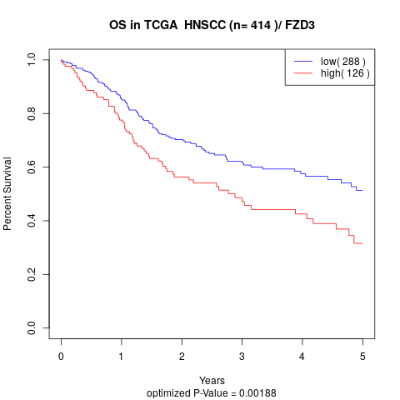

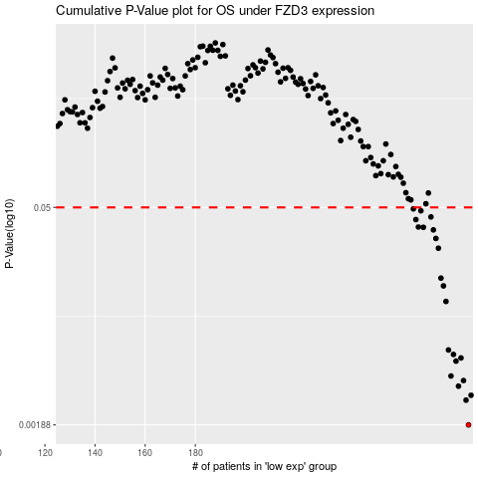

 |  |  |  |  |  | cases_OS | p_OS | rank | exp
 |  |  |  |  |  | 289 | 0.00188 | 308 | 0.25068012429
 |  |  |  |  |  | 288 | 0.00273 | 116 | 0.23878931432
 |  |  |  |  |  | 290 | 0.00294 | 336 | 0.25563098543
 |  |  |  |  |  | 285 | 0.00337 | 114 | 0.2170720711
 |  |  |  |  |  | 287 | 0.00367 | 158 | 0.23038001499
 |  |  |  |  |  | 282 | 0.00393 | 404 | 0.20845390542
 |  |  |  |  |  | 284 | 0.00492 | 40 | 0.21623539136
 |  |  |  |  |  | 286 | 0.00516 | 347 | 0.22258031396
 |  |  |  |  |  | 283 | 0.00544 | 144 | 0.20905621769
 |  |  |  |  |  | 281 | 0.00582 | 109 | 0.20471495485
 |  |  |  |  |  | 280 | 0.0121 | 177 | 0.20396327886
 |  |  |  |  |  | 279 | 0.0153 | 357 | 0.20272343848
 |  |  |  |  |  | 278 | 0.0172 | 393 | 0.19718848016
 |  |  |  |  |  | 277 | 0.027 | 131 | 0.19701604399
 |  |  |  |  |  | 276 | 0.0313 | 408 | 0.19389033475
 |  |  |  |  |  | 275 | 0.0356 | 8 | 0.19329166549
 |  |  |  |  |  | 271 | 0.037 | 115 | 0.14953537916
 |  |  |  |  |  | 269 | 0.0372 | 181 | 0.14828582407
 |  |  |  |  |  | 268 | 0.0416 | 359 | 0.14529369214
 |  |  |  |  |  | 274 | 0.0433 | 134 | 0.18887632797
 |  |  |  |  |  | 270 | 0.0475 | 112 | 0.14842790176
 |  |  |  |  |  | 267 | 0.0489 | 5 | 0.13973201836
 |  |  |  |  |  |  | cases_RFS | p_RFS | rank | exp
 |  |  |  |  |  |  | 288 | 0.00188 | 116 | 0.23878931432
 |  |  |  |  |  |  | 287 | 0.00273 | 158 | 0.23038001499
 |  |  |  |  |  |  | 289 | 0.00294 | 308 | 0.25068012429
 |  |  |  |  |  |  | 284 | 0.00337 | 40 | 0.21623539136
 |  |  |  |  |  |  | 286 | 0.00367 | 347 | 0.22258031396
 |  |  |  |  |  |  | 281 | 0.00393 | 109 | 0.20471495485
 |  |  |  |  |  |  | 283 | 0.00492 | 144 | 0.20905621769
 |  |  |  |  |  |  | 285 | 0.00516 | 114 | 0.2170720711
 |  |  |  |  |  |  | 282 | 0.00544 | 404 | 0.20845390542
 |  |  |  |  |  |  | 280 | 0.00582 | 177 | 0.20396327886
 |  |  |  |  |  |  | 279 | 0.0121 | 357 | 0.20272343848
 |  |  |  |  |  |  | 278 | 0.0153 | 393 | 0.19718848016
 |  |  |  |  |  |  | 277 | 0.0172 | 131 | 0.19701604399
 |  |  |  |  |  |  | 276 | 0.027 | 408 | 0.19389033475
 |  |  |  |  |  |  | 275 | 0.0313 | 8 | 0.19329166549
 |  |  |  |  |  |  | 274 | 0.0356 | 134 | 0.18887632797
 |  |  |  |  |  |  | 270 | 0.037 | 112 | 0.14842790176
 |  |  |  |  |  |  | 268 | 0.0372 | 359 | 0.14529369214
 |  |  |  |  |  |  | 267 | 0.0416 | 5 | 0.13973201836
 |  |  |  |  |  |  | 273 | 0.0433 | 35 | 0.16713115495
 |  |  |  |  |  |  | 269 | 0.0475 | 181 | 0.14828582407
 |  |  |  |  |  |  | 266 | 0.0489 | 367 | 0.13725112327

