FZD5 _multivariate
Reported by Tex Li-Hsing Chi. tex@gate.sinica.edu.tw 2019-08-19

Table 2. The clinicopathological features of HNSCC cohort and FZD5 expression. (Chi square test)
Cutoff at -0.206 (50.0%)
 |  | FZD5 expression |  | FZD5 expression |  | (Optimised)
 | Features | Low | (%) | High | (%) | Case no | P-value | Remark | Matthews
Gender | Female | 149 | 35.9 | 157 | 37.8 | 415 | 0.4848 | 0 | 0
2 | Male | 58 | 14 | 51 | 12.3
Age at diagnosis | <=65y | 132 | 31.8 | 142 | 34.2 | 415 | 0.3874 | 0 | 0
4 | >65y | 75 | 18.1 | 66 | 15.9
Clinical T Status | T1+T2 | 72 | 17.3 | 77 | 18.6 | 415 | 0.7095 | 0 | 0
6 | T3+T4 | 135 | 32.5 | 131 | 31.6
Clinical N Status | N0 | 97 | 23.4 | 119 | 28.7 | 415 | 0.0442 | 1 | 0
8 | N1-3 | 110 | 26.5 | 89 | 21.4
Clinical M Status | M0 | 206 | 49.6 | 206 | 49.6 | 415 | 1 | 0 | 0
10 | M1 | 1 | 0.2 | 2 | 0.5
Clinical Stage | Stage I+II | 45 | 10.8 | 57 | 13.7 | 415 | 0.2202 | 0 | 0
12 | Stage III+IV | 162 | 39 | 151 | 36.4
Surgical Margin status | Negative | 152 | 36.6 | 166 | 40 | 415 | 0.1329 | 0 | 0
14 | Positive | 55 | 13.3 | 42 | 10.1
Tobacco Exposure | Low | 76 | 18.3 | 85 | 20.5 | 415 | 0.4207 | 0 | 0
16 | High | 131 | 31.6 | 123 | 29.6

Table 3. Univariate/Multivariate Cox's proportional hazards regression analyses on OS time of FZD5 gene expression in HNSCC

 |  | Univariate |  |  |  | Multivariate
 | Features | HR | CI95%(L) | CI95%(H) | P-value | HR | CI95%(L) | CI95%(H) | P-value
1 | Female | 1 |  |  |  | 1
Gender | Male | 1.157 | 0.843 | 1.587 | 0.367 | 1.218 | 0.872 | 1.703 | 0.248
11 | <=65y | 1 |  |  |  | 1
Age at diagnosis | >65y | 1.329 | 0.99 | 1.784 | 0.058 | 1.407 | 1.034 | 1.915 | 0.03
12 | T1+T2 | 1 |  |  |  | 1
Clinical T Status | T3+T4 | 1.409 | 1.028 | 1.931 | 0.033 | 2.188 | 1.157 | 4.138 | 0.016
13 | N0 | 1 |  |  |  | 1
Clinical N Status | N1-3 | 1.185 | 0.89 | 1.577 | 0.246 | 1.262 | 0.883 | 1.802 | 0.202
14 | M0 | 1 |  |  |  | 1
Clinical M Status | M1 | 4.097 | 1.009 | 16.644 | 0.049 | 8.912 | 1.938 | 40.978 | 0.005
15 | Stage I+II | 1 |  |  |  | 1
Clinical Stage | Stage III+IV | 1.245 | 0.882 | 1.759 | 0.213 | 0.507 | 0.236 | 1.089 | 0.082
16 | Negative | 1 |  |  |  | 1
Surgical Margin status | Positive | 1.591 | 1.155 | 2.191 | 0.004 | 1.708 | 1.233 | 2.366 | 0.001
17 | Low | 1 |  |  |  | 1
Tobacco Exposure | High | 1.364 | 1.008 | 1.844 | 0.044 | 1.486 | 1.076 | 2.052 | 0.016
18 | Low | 1 |  |  |  | 1
RNAseq(z-score) | High | 1.054 | 0.792 | 1.404 | 0.718 | 1.177 | 0.877 | 1.58 | 0.279

Table 4. Univariate/Multivariate Cox's proportional hazards regression analyses on RFS time of FZD5 gene expression in HNSCC

 |  | Univariate |  |  |  | Multivariate
 | Features | HR | CI95%(L) | CI95%(H) | P-value | HR | CI95%(L) | CI95%(H) | P-value
1 | Female | 1 |  |  |  | 1
Gender | Male | 1.157 | 0.843 | 1.587 | 0.367 | 1.218 | 0.872 | 1.703 | 0.248
11 | <=65y | 1 |  |  |  | 1
Age at diagnosis | >65y | 1.329 | 0.99 | 1.784 | 0.058 | 1.407 | 1.034 | 1.915 | 0.03
12 | T1+T2 | 1 |  |  |  | 1
Clinical T Status | T3+T4 | 1.409 | 1.028 | 1.931 | 0.033 | 2.188 | 1.157 | 4.138 | 0.016
13 | N0 | 1 |  |  |  | 1
Clinical N Status | N1-3 | 1.185 | 0.89 | 1.577 | 0.246 | 1.262 | 0.883 | 1.802 | 0.202
14 | M0 | 1 |  |  |  | 1
Clinical M Status | M1 | 4.097 | 1.009 | 16.644 | 0.049 | 8.912 | 1.938 | 40.978 | 0.005
15 | Stage I+II | 1 |  |  |  | 1
Clinical Stage | Stage III+IV | 1.245 | 0.882 | 1.759 | 0.213 | 0.507 | 0.236 | 1.089 | 0.082
16 | Negative | 1 |  |  |  | 1
Surgical Margin status | Positive | 1.591 | 1.155 | 2.191 | 0.004 | 1.708 | 1.233 | 2.366 | 0.001
17 | Low | 1 |  |  |  | 1
Tobacco Exposure | High | 1.364 | 1.008 | 1.844 | 0.044 | 1.486 | 1.076 | 2.052 | 0.016
18 | Low | 1 |  |  |  | 1
RNAseq(z-score) | High | 1.054 | 0.792 | 1.404 | 0.718 | 1.177 | 0.877 | 1.58 | 0.279

Kaplan-Meier survival estimate: Cutoff at -0.206 (50.0%)



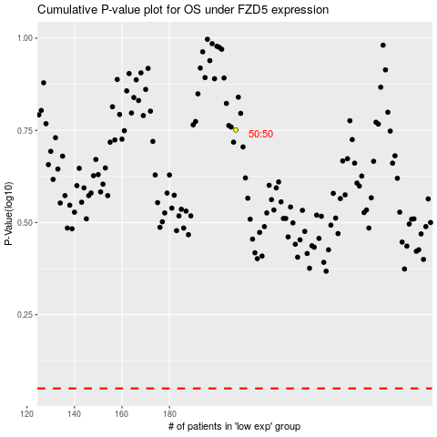

 |  |  |  |  |  | cases_OS | p_OS | rank | exp
 |  |  |  |  |  |  | cases_RFS | p_RFS | rank | exp

