FZD8 _multivariate
Reported by Tex Li-Hsing Chi. tex@gate.sinica.edu.tw 2019-08-19

Table 2. The clinicopathological features of HNSCC cohort and FZD8 expression. (Chi square test)
Cutoff at -0.261 (49.8%)
 |  | FZD8 expression |  | FZD8 expression |  | (Optimised)
 | Features | Low | (%) | High | (%) | Case no | P-value | Remark | Matthews
Gender | Female | 146 | 35.2 | 160 | 38.6 | 415 | 0.1714 | 0 | 0
2 | Male | 61 | 14.7 | 48 | 11.6
Age at diagnosis | <=65y | 127 | 30.6 | 147 | 35.4 | 415 | 0.0573 | 0 | 0
4 | >65y | 80 | 19.3 | 61 | 14.7
Clinical T Status | T1+T2 | 71 | 17.1 | 78 | 18.8 | 415 | 0.5638 | 0 | 0
6 | T3+T4 | 136 | 32.8 | 130 | 31.3
Clinical N Status | N0 | 110 | 26.5 | 106 | 25.5 | 415 | 0.7294 | 0 | 0
8 | N1-3 | 97 | 23.4 | 102 | 24.6
Clinical M Status | M0 | 204 | 49.2 | 208 | 50.1 | 415 | 0.1232 | 0 | 0
10 | M1 | 3 | 0.7 | 0 | 0
Clinical Stage | Stage I+II | 52 | 12.5 | 50 | 12 | 415 | 0.8871 | 0 | 0
12 | Stage III+IV | 155 | 37.3 | 158 | 38.1
Surgical Margin status | Negative | 162 | 39 | 156 | 37.6 | 415 | 0.4867 | 0 | 0
14 | Positive | 45 | 10.8 | 52 | 12.5
Tobacco Exposure | Low | 81 | 19.5 | 80 | 19.3 | 415 | 0.9199 | 0 | 0
16 | High | 126 | 30.4 | 128 | 30.8

Table 3. Univariate/Multivariate Cox's proportional hazards regression analyses on OS time of FZD8 gene expression in HNSCC

 |  | Univariate |  |  |  | Multivariate
 | Features | HR | CI95%(L) | CI95%(H) | P-value | HR | CI95%(L) | CI95%(H) | P-value
1 | Female | 1 |  |  |  | 1
Gender | Male | 1.157 | 0.843 | 1.587 | 0.367 | 1.211 | 0.864 | 1.697 | 0.266
11 | <=65y | 1 |  |  |  | 1
Age at diagnosis | >65y | 1.329 | 0.99 | 1.784 | 0.058 | 1.394 | 1.025 | 1.895 | 0.034
12 | T1+T2 | 1 |  |  |  | 1
Clinical T Status | T3+T4 | 1.409 | 1.028 | 1.931 | 0.033 | 2.215 | 1.17 | 4.193 | 0.015
13 | N0 | 1 |  |  |  | 1
Clinical N Status | N1-3 | 1.185 | 0.89 | 1.577 | 0.246 | 1.242 | 0.87 | 1.772 | 0.233
14 | M0 | 1 |  |  |  | 1
Clinical M Status | M1 | 4.097 | 1.009 | 16.644 | 0.049 | 9.707 | 2.09 | 45.077 | 0.004
15 | Stage I+II | 1 |  |  |  | 1
Clinical Stage | Stage III+IV | 1.245 | 0.882 | 1.759 | 0.213 | 0.501 | 0.233 | 1.076 | 0.076
16 | Negative | 1 |  |  |  | 1
Surgical Margin status | Positive | 1.591 | 1.155 | 2.191 | 0.004 | 1.67 | 1.209 | 2.308 | 0.002
17 | Low | 1 |  |  |  | 1
Tobacco Exposure | High | 1.364 | 1.008 | 1.844 | 0.044 | 1.451 | 1.053 | 1.998 | 0.023
18 | Low | 1 |  |  |  | 1
RNAseq(z-score) | High | 0.988 | 0.739 | 1.319 | 0.934 | 1.049 | 0.78 | 1.41 | 0.754

Table 4. Univariate/Multivariate Cox's proportional hazards regression analyses on RFS time of FZD8 gene expression in HNSCC

 |  | Univariate |  |  |  | Multivariate
 | Features | HR | CI95%(L) | CI95%(H) | P-value | HR | CI95%(L) | CI95%(H) | P-value
1 | Female | 1 |  |  |  | 1
Gender | Male | 1.157 | 0.843 | 1.587 | 0.367 | 1.211 | 0.864 | 1.697 | 0.266
11 | <=65y | 1 |  |  |  | 1
Age at diagnosis | >65y | 1.329 | 0.99 | 1.784 | 0.058 | 1.394 | 1.025 | 1.895 | 0.034
12 | T1+T2 | 1 |  |  |  | 1
Clinical T Status | T3+T4 | 1.409 | 1.028 | 1.931 | 0.033 | 2.215 | 1.17 | 4.193 | 0.015
13 | N0 | 1 |  |  |  | 1
Clinical N Status | N1-3 | 1.185 | 0.89 | 1.577 | 0.246 | 1.242 | 0.87 | 1.772 | 0.233
14 | M0 | 1 |  |  |  | 1
Clinical M Status | M1 | 4.097 | 1.009 | 16.644 | 0.049 | 9.707 | 2.09 | 45.077 | 0.004
15 | Stage I+II | 1 |  |  |  | 1
Clinical Stage | Stage III+IV | 1.245 | 0.882 | 1.759 | 0.213 | 0.501 | 0.233 | 1.076 | 0.076
16 | Negative | 1 |  |  |  | 1
Surgical Margin status | Positive | 1.591 | 1.155 | 2.191 | 0.004 | 1.67 | 1.209 | 2.308 | 0.002
17 | Low | 1 |  |  |  | 1
Tobacco Exposure | High | 1.364 | 1.008 | 1.844 | 0.044 | 1.451 | 1.053 | 1.998 | 0.023
18 | Low | 1 |  |  |  | 1
RNAseq(z-score) | High | 0.988 | 0.739 | 1.319 | 0.934 | 1.049 | 0.78 | 1.41 | 0.754

Kaplan-Meier survival estimate: Cutoff at -0.261 (49.8%)



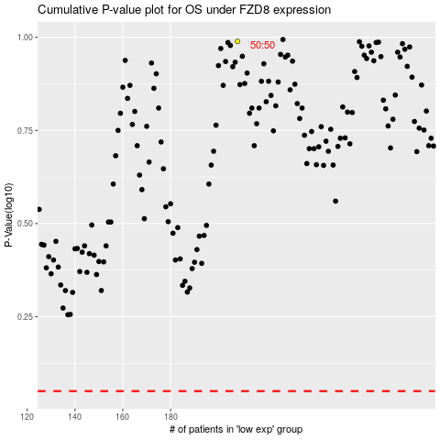

 |  |  |  |  |  | cases_OS | p_OS | rank | exp
 |  |  |  |  |  |  | cases_RFS | p_RFS | rank | exp

