FZD9 _multivariate
Reported by Tex Li-Hsing Chi. tex@gate.sinica.edu.tw 2019-08-19

Table 2. The clinicopathological features of HNSCC cohort and FZD9 expression. (Chi square test)
Cutoff at -0.373 (49.8%)
 |  | FZD9 expression |  | FZD9 expression |  | (Optimised)
 | Features | Low | (%) | High | (%) | Case no | P-value | Remark | Matthews
Gender | Female | 143 | 34.5 | 163 | 39.3 | 415 | 0.0416 | 1 | 0
2 | Male | 64 | 15.4 | 45 | 10.8
Age at diagnosis | <=65y | 125 | 30.1 | 149 | 35.9 | 415 | 0.0206 | 1 | 0
4 | >65y | 82 | 19.8 | 59 | 14.2
Clinical T Status | T1+T2 | 72 | 17.3 | 77 | 18.6 | 415 | 0.7095 | 0 | 0
6 | T3+T4 | 135 | 32.5 | 131 | 31.6
Clinical N Status | N0 | 112 | 27 | 104 | 25.1 | 415 | 0.4599 | 0 | 0
8 | N1-3 | 95 | 22.9 | 104 | 25.1
Clinical M Status | M0 | 207 | 49.9 | 205 | 49.4 | 415 | 0.2482 | 0 | 0
10 | M1 | 0 | 0 | 3 | 0.7
Clinical Stage | Stage I+II | 58 | 14 | 44 | 10.6 | 415 | 0.131 | 0 | 0
12 | Stage III+IV | 149 | 35.9 | 164 | 39.5
Surgical Margin status | Negative | 165 | 39.8 | 153 | 36.9 | 415 | 0.1639 | 0 | 0
14 | Positive | 42 | 10.1 | 55 | 13.3
Tobacco Exposure | Low | 97 | 23.4 | 64 | 15.4 | 415 | 9e-04 | 1 | 0
16 | High | 110 | 26.5 | 144 | 34.7

Table 3. Univariate/Multivariate Cox's proportional hazards regression analyses on OS time of FZD9 gene expression in HNSCC

 |  | Univariate |  |  |  | Multivariate
 | Features | HR | CI95%(L) | CI95%(H) | P-value | HR | CI95%(L) | CI95%(H) | P-value
1 | Female | 1 |  |  |  | 1
Gender | Male | 1.157 | 0.843 | 1.587 | 0.367 | 1.176 | 0.84 | 1.646 | 0.346
11 | <=65y | 1 |  |  |  | 1
Age at diagnosis | >65y | 1.329 | 0.99 | 1.784 | 0.058 | 1.37 | 1.006 | 1.864 | 0.046
12 | T1+T2 | 1 |  |  |  | 1
Clinical T Status | T3+T4 | 1.409 | 1.028 | 1.931 | 0.033 | 2.121 | 1.118 | 4.026 | 0.021
13 | N0 | 1 |  |  |  | 1
Clinical N Status | N1-3 | 1.185 | 0.89 | 1.577 | 0.246 | 1.248 | 0.875 | 1.78 | 0.221
14 | M0 | 1 |  |  |  | 1
Clinical M Status | M1 | 4.097 | 1.009 | 16.644 | 0.049 | 9.838 | 2.142 | 45.186 | 0.003
15 | Stage I+II | 1 |  |  |  | 1
Clinical Stage | Stage III+IV | 1.245 | 0.882 | 1.759 | 0.213 | 0.526 | 0.244 | 1.132 | 0.1
16 | Negative | 1 |  |  |  | 1
Surgical Margin status | Positive | 1.591 | 1.155 | 2.191 | 0.004 | 1.687 | 1.221 | 2.331 | 0.002
17 | Low | 1 |  |  |  | 1
Tobacco Exposure | High | 1.364 | 1.008 | 1.844 | 0.044 | 1.486 | 1.076 | 2.052 | 0.016
18 | Low | 1 |  |  |  | 1
RNAseq(z-score) | High | 0.867 | 0.65 | 1.156 | 0.331 | 0.843 | 0.623 | 1.139 | 0.266

Table 4. Univariate/Multivariate Cox's proportional hazards regression analyses on RFS time of FZD9 gene expression in HNSCC

 |  | Univariate |  |  |  | Multivariate
 | Features | HR | CI95%(L) | CI95%(H) | P-value | HR | CI95%(L) | CI95%(H) | P-value
1 | Female | 1 |  |  |  | 1
Gender | Male | 1.157 | 0.843 | 1.587 | 0.367 | 1.176 | 0.84 | 1.646 | 0.346
11 | <=65y | 1 |  |  |  | 1
Age at diagnosis | >65y | 1.329 | 0.99 | 1.784 | 0.058 | 1.37 | 1.006 | 1.864 | 0.046
12 | T1+T2 | 1 |  |  |  | 1
Clinical T Status | T3+T4 | 1.409 | 1.028 | 1.931 | 0.033 | 2.121 | 1.118 | 4.026 | 0.021
13 | N0 | 1 |  |  |  | 1
Clinical N Status | N1-3 | 1.185 | 0.89 | 1.577 | 0.246 | 1.248 | 0.875 | 1.78 | 0.221
14 | M0 | 1 |  |  |  | 1
Clinical M Status | M1 | 4.097 | 1.009 | 16.644 | 0.049 | 9.838 | 2.142 | 45.186 | 0.003
15 | Stage I+II | 1 |  |  |  | 1
Clinical Stage | Stage III+IV | 1.245 | 0.882 | 1.759 | 0.213 | 0.526 | 0.244 | 1.132 | 0.1
16 | Negative | 1 |  |  |  | 1
Surgical Margin status | Positive | 1.591 | 1.155 | 2.191 | 0.004 | 1.687 | 1.221 | 2.331 | 0.002
17 | Low | 1 |  |  |  | 1
Tobacco Exposure | High | 1.364 | 1.008 | 1.844 | 0.044 | 1.486 | 1.076 | 2.052 | 0.016
18 | Low | 1 |  |  |  | 1
RNAseq(z-score) | High | 0.867 | 0.65 | 1.156 | 0.331 | 0.843 | 0.623 | 1.139 | 0.266

Kaplan-Meier survival estimate: Cutoff at -0.373 (49.8%)



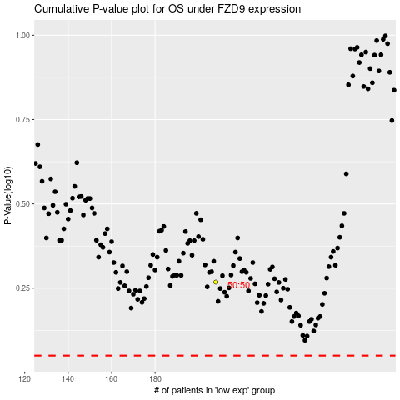

 |  |  |  |  |  | cases_OS | p_OS | rank | exp
 |  |  |  |  |  |  | cases_RFS | p_RFS | rank | exp

