G6PC3 _multivariate
Reported by Tex Li-Hsing Chi. tex@gate.sinica.edu.tw 2019-08-19

Table 2. The clinicopathological features of HNSCC cohort and G6PC3 expression. (Chi square test)
Cutoff at -0.202 (49.8%)
 |  | G6PC3 expression |  | G6PC3 expression |  | (Optimised)
 | Features | Low | (%) | High | (%) | Case no | P-value | Remark | Matthews
Gender | Female | 150 | 36.1 | 156 | 37.6 | 415 | 0.6344 | 0 | 0
2 | Male | 57 | 13.7 | 52 | 12.5
Age at diagnosis | <=65y | 146 | 35.2 | 128 | 30.8 | 415 | 0.0672 | 0 | 0
4 | >65y | 61 | 14.7 | 80 | 19.3
Clinical T Status | T1+T2 | 72 | 17.3 | 77 | 18.6 | 415 | 0.7095 | 0 | 0
6 | T3+T4 | 135 | 32.5 | 131 | 31.6
Clinical N Status | N0 | 111 | 26.7 | 105 | 25.3 | 415 | 0.5875 | 0 | 0
8 | N1-3 | 96 | 23.1 | 103 | 24.8
Clinical M Status | M0 | 205 | 49.4 | 207 | 49.9 | 415 | 0.6232 | 0 | 0
10 | M1 | 2 | 0.5 | 1 | 0.2
Clinical Stage | Stage I+II | 51 | 12.3 | 51 | 12.3 | 415 | 1 | 0 | 0
12 | Stage III+IV | 156 | 37.6 | 157 | 37.8
Surgical Margin status | Negative | 153 | 36.9 | 165 | 39.8 | 415 | 0.2036 | 0 | 0
14 | Positive | 54 | 13 | 43 | 10.4
Tobacco Exposure | Low | 80 | 19.3 | 81 | 19.5 | 415 | 1 | 0 | 0
16 | High | 127 | 30.6 | 127 | 30.6

Table 3. Univariate/Multivariate Cox's proportional hazards regression analyses on OS time of G6PC3 gene expression in HNSCC

 |  | Univariate |  |  |  | Multivariate
 | Features | HR | CI95%(L) | CI95%(H) | P-value | HR | CI95%(L) | CI95%(H) | P-value
1 | Female | 1 |  |  |  | 1
Gender | Male | 1.157 | 0.843 | 1.587 | 0.367 | 1.211 | 0.867 | 1.692 | 0.262
11 | <=65y | 1 |  |  |  | 1
Age at diagnosis | >65y | 1.329 | 0.99 | 1.784 | 0.058 | 1.367 | 1.003 | 1.864 | 0.048
12 | T1+T2 | 1 |  |  |  | 1
Clinical T Status | T3+T4 | 1.409 | 1.028 | 1.931 | 0.033 | 2.202 | 1.165 | 4.162 | 0.015
13 | N0 | 1 |  |  |  | 1
Clinical N Status | N1-3 | 1.185 | 0.89 | 1.577 | 0.246 | 1.237 | 0.867 | 1.765 | 0.241
14 | M0 | 1 |  |  |  | 1
Clinical M Status | M1 | 4.097 | 1.009 | 16.644 | 0.049 | 9.74 | 2.12 | 44.743 | 0.003
15 | Stage I+II | 1 |  |  |  | 1
Clinical Stage | Stage III+IV | 1.245 | 0.882 | 1.759 | 0.213 | 0.507 | 0.236 | 1.087 | 0.081
16 | Negative | 1 |  |  |  | 1
Surgical Margin status | Positive | 1.591 | 1.155 | 2.191 | 0.004 | 1.676 | 1.213 | 2.315 | 0.002
17 | Low | 1 |  |  |  | 1
Tobacco Exposure | High | 1.364 | 1.008 | 1.844 | 0.044 | 1.443 | 1.048 | 1.988 | 0.025
18 | Low | 1 |  |  |  | 1
RNAseq(z-score) | High | 1.136 | 0.851 | 1.515 | 0.387 | 1.127 | 0.842 | 1.509 | 0.422

Table 4. Univariate/Multivariate Cox's proportional hazards regression analyses on RFS time of G6PC3 gene expression in HNSCC

 |  | Univariate |  |  |  | Multivariate
 | Features | HR | CI95%(L) | CI95%(H) | P-value | HR | CI95%(L) | CI95%(H) | P-value
1 | Female | 1 |  |  |  | 1
Gender | Male | 1.157 | 0.843 | 1.587 | 0.367 | 1.211 | 0.867 | 1.692 | 0.262
11 | <=65y | 1 |  |  |  | 1
Age at diagnosis | >65y | 1.329 | 0.99 | 1.784 | 0.058 | 1.367 | 1.003 | 1.864 | 0.048
12 | T1+T2 | 1 |  |  |  | 1
Clinical T Status | T3+T4 | 1.409 | 1.028 | 1.931 | 0.033 | 2.202 | 1.165 | 4.162 | 0.015
13 | N0 | 1 |  |  |  | 1
Clinical N Status | N1-3 | 1.185 | 0.89 | 1.577 | 0.246 | 1.237 | 0.867 | 1.765 | 0.241
14 | M0 | 1 |  |  |  | 1
Clinical M Status | M1 | 4.097 | 1.009 | 16.644 | 0.049 | 9.74 | 2.12 | 44.743 | 0.003
15 | Stage I+II | 1 |  |  |  | 1
Clinical Stage | Stage III+IV | 1.245 | 0.882 | 1.759 | 0.213 | 0.507 | 0.236 | 1.087 | 0.081
16 | Negative | 1 |  |  |  | 1
Surgical Margin status | Positive | 1.591 | 1.155 | 2.191 | 0.004 | 1.676 | 1.213 | 2.315 | 0.002
17 | Low | 1 |  |  |  | 1
Tobacco Exposure | High | 1.364 | 1.008 | 1.844 | 0.044 | 1.443 | 1.048 | 1.988 | 0.025
18 | Low | 1 |  |  |  | 1
RNAseq(z-score) | High | 1.136 | 0.851 | 1.515 | 0.387 | 1.127 | 0.842 | 1.509 | 0.422

Kaplan-Meier survival estimate: Cutoff at -0.202 (49.8%)



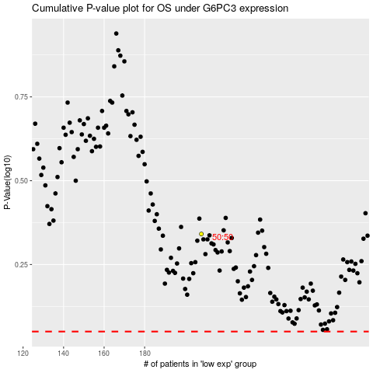

 |  |  |  |  |  | cases_OS | p_OS | rank | exp
 |  |  |  |  |  |  | cases_RFS | p_RFS | rank | exp

