GAA _multivariate
Reported by Tex Li-Hsing Chi. tex@gate.sinica.edu.tw 2019-08-19

Table 2. The clinicopathological features of HNSCC cohort and GAA expression. (Chi square test)
Cutoff at -0.211 (50.0%)
 |  | GAA expression |  | GAA expression |  | (Optimised)
 | Features | Low | (%) | High | (%) | Case no | P-value | Remark | Matthews
Gender | Female | 142 | 34.2 | 164 | 39.5 | 415 | 0.0238 | 1 | 0
2 | Male | 65 | 15.7 | 44 | 10.6
Age at diagnosis | <=65y | 139 | 33.5 | 135 | 32.5 | 415 | 0.7044 | 0 | 0
4 | >65y | 68 | 16.4 | 73 | 17.6
Clinical T Status | T1+T2 | 80 | 19.3 | 69 | 16.6 | 415 | 0.2891 | 0 | 0
6 | T3+T4 | 127 | 30.6 | 139 | 33.5
Clinical N Status | N0 | 116 | 28 | 100 | 24.1 | 415 | 0.1273 | 1 | 0
8 | N1-3 | 91 | 21.9 | 108 | 26
Clinical M Status | M0 | 207 | 49.9 | 205 | 49.4 | 415 | 0.2482 | 0 | 0
10 | M1 | 0 | 0 | 3 | 0.7
Clinical Stage | Stage I+II | 59 | 14.2 | 43 | 10.4 | 415 | 0.0822 | 0 | 0
12 | Stage III+IV | 148 | 35.7 | 165 | 39.8
Surgical Margin status | Negative | 154 | 37.1 | 164 | 39.5 | 415 | 0.2984 | 0 | 0
14 | Positive | 53 | 12.8 | 44 | 10.6
Tobacco Exposure | Low | 89 | 21.4 | 72 | 17.3 | 415 | 0.0872 | 0 | 0
16 | High | 118 | 28.4 | 136 | 32.8

Table 3. Univariate/Multivariate Cox's proportional hazards regression analyses on OS time of GAA gene expression in HNSCC

 |  | Univariate |  |  |  | Multivariate
 | Features | HR | CI95%(L) | CI95%(H) | P-value | HR | CI95%(L) | CI95%(H) | P-value
1 | Female | 1 |  |  |  | 1
Gender | Male | 1.157 | 0.843 | 1.587 | 0.367 | 1.24 | 0.881 | 1.744 | 0.217
11 | <=65y | 1 |  |  |  | 1
Age at diagnosis | >65y | 1.329 | 0.99 | 1.784 | 0.058 | 1.371 | 1.007 | 1.866 | 0.045
12 | T1+T2 | 1 |  |  |  | 1
Clinical T Status | T3+T4 | 1.409 | 1.028 | 1.931 | 0.033 | 2.177 | 1.151 | 4.119 | 0.017
13 | N0 | 1 |  |  |  | 1
Clinical N Status | N1-3 | 1.185 | 0.89 | 1.577 | 0.246 | 1.221 | 0.854 | 1.746 | 0.275
14 | M0 | 1 |  |  |  | 1
Clinical M Status | M1 | 4.097 | 1.009 | 16.644 | 0.049 | 8.853 | 1.921 | 40.809 | 0.005
15 | Stage I+II | 1 |  |  |  | 1
Clinical Stage | Stage III+IV | 1.245 | 0.882 | 1.759 | 0.213 | 0.51 | 0.238 | 1.094 | 0.084
16 | Negative | 1 |  |  |  | 1
Surgical Margin status | Positive | 1.591 | 1.155 | 2.191 | 0.004 | 1.686 | 1.219 | 2.331 | 0.002
17 | Low | 1 |  |  |  | 1
Tobacco Exposure | High | 1.364 | 1.008 | 1.844 | 0.044 | 1.446 | 1.05 | 1.992 | 0.024
18 | Low | 1 |  |  |  | 1
RNAseq(z-score) | High | 1.162 | 0.873 | 1.548 | 0.304 | 1.14 | 0.845 | 1.538 | 0.39

Table 4. Univariate/Multivariate Cox's proportional hazards regression analyses on RFS time of GAA gene expression in HNSCC

 |  | Univariate |  |  |  | Multivariate
 | Features | HR | CI95%(L) | CI95%(H) | P-value | HR | CI95%(L) | CI95%(H) | P-value
1 | Female | 1 |  |  |  | 1
Gender | Male | 1.157 | 0.843 | 1.587 | 0.367 | 1.24 | 0.881 | 1.744 | 0.217
11 | <=65y | 1 |  |  |  | 1
Age at diagnosis | >65y | 1.329 | 0.99 | 1.784 | 0.058 | 1.371 | 1.007 | 1.866 | 0.045
12 | T1+T2 | 1 |  |  |  | 1
Clinical T Status | T3+T4 | 1.409 | 1.028 | 1.931 | 0.033 | 2.177 | 1.151 | 4.119 | 0.017
13 | N0 | 1 |  |  |  | 1
Clinical N Status | N1-3 | 1.185 | 0.89 | 1.577 | 0.246 | 1.221 | 0.854 | 1.746 | 0.275
14 | M0 | 1 |  |  |  | 1
Clinical M Status | M1 | 4.097 | 1.009 | 16.644 | 0.049 | 8.853 | 1.921 | 40.809 | 0.005
15 | Stage I+II | 1 |  |  |  | 1
Clinical Stage | Stage III+IV | 1.245 | 0.882 | 1.759 | 0.213 | 0.51 | 0.238 | 1.094 | 0.084
16 | Negative | 1 |  |  |  | 1
Surgical Margin status | Positive | 1.591 | 1.155 | 2.191 | 0.004 | 1.686 | 1.219 | 2.331 | 0.002
17 | Low | 1 |  |  |  | 1
Tobacco Exposure | High | 1.364 | 1.008 | 1.844 | 0.044 | 1.446 | 1.05 | 1.992 | 0.024
18 | Low | 1 |  |  |  | 1
RNAseq(z-score) | High | 1.162 | 0.873 | 1.548 | 0.304 | 1.14 | 0.845 | 1.538 | 0.39

Kaplan-Meier survival estimate: Cutoff at -0.211 (50.0%)



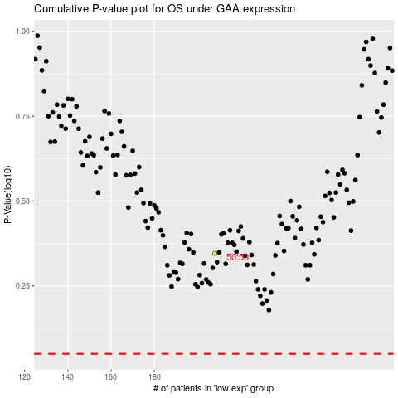

 |  |  |  |  |  | cases_OS | p_OS | rank | exp
 |  |  |  |  |  |  | cases_RFS | p_RFS | rank | exp

