GAB1 _multivariate
Reported by Tex Li-Hsing Chi. tex@gate.sinica.edu.tw 2019-08-19

Table 2. The clinicopathological features of HNSCC cohort and GAB1 expression. (Chi square test)
Cutoff at -0.282 (49.8%)
 |  | GAB1 expression |  | GAB1 expression |  | (Optimised)
 | Features | Low | (%) | High | (%) | Case no | P-value | Remark | Matthews
Gender | Female | 157 | 37.8 | 149 | 35.9 | 415 | 0.3881 | 0 | 0
2 | Male | 50 | 12 | 59 | 14.2
Age at diagnosis | <=65y | 140 | 33.7 | 134 | 32.3 | 415 | 0.5574 | 0 | 0
4 | >65y | 67 | 16.1 | 74 | 17.8
Clinical T Status | T1+T2 | 68 | 16.4 | 81 | 19.5 | 415 | 0.2336 | 0 | 0
6 | T3+T4 | 139 | 33.5 | 127 | 30.6
Clinical N Status | N0 | 96 | 23.1 | 120 | 28.9 | 415 | 0.0272 | 1 | 0
8 | N1-3 | 111 | 26.7 | 88 | 21.2
Clinical M Status | M0 | 204 | 49.2 | 208 | 50.1 | 415 | 0.1232 | 0 | 0
10 | M1 | 3 | 0.7 | 0 | 0
Clinical Stage | Stage I+II | 41 | 9.9 | 61 | 14.7 | 415 | 0.0325 | 1 | 0
12 | Stage III+IV | 166 | 40 | 147 | 35.4
Surgical Margin status | Negative | 156 | 37.6 | 162 | 39 | 415 | 0.5636 | 0 | 0
14 | Positive | 51 | 12.3 | 46 | 11.1
Tobacco Exposure | Low | 66 | 15.9 | 95 | 22.9 | 415 | 0.0048 | 1 | 0
16 | High | 141 | 34 | 113 | 27.2

Table 3. Univariate/Multivariate Cox's proportional hazards regression analyses on OS time of GAB1 gene expression in HNSCC

 |  | Univariate |  |  |  | Multivariate
 | Features | HR | CI95%(L) | CI95%(H) | P-value | HR | CI95%(L) | CI95%(H) | P-value
1 | Female | 1 |  |  |  | 1
Gender | Male | 1.157 | 0.843 | 1.587 | 0.367 | 1.204 | 0.862 | 1.681 | 0.277
11 | <=65y | 1 |  |  |  | 1
Age at diagnosis | >65y | 1.329 | 0.99 | 1.784 | 0.058 | 1.397 | 1.027 | 1.9 | 0.033
12 | T1+T2 | 1 |  |  |  | 1
Clinical T Status | T3+T4 | 1.409 | 1.028 | 1.931 | 0.033 | 2.215 | 1.171 | 4.191 | 0.014
13 | N0 | 1 |  |  |  | 1
Clinical N Status | N1-3 | 1.185 | 0.89 | 1.577 | 0.246 | 1.255 | 0.876 | 1.798 | 0.215
14 | M0 | 1 |  |  |  | 1
Clinical M Status | M1 | 4.097 | 1.009 | 16.644 | 0.049 | 9.708 | 2.102 | 44.84 | 0.004
15 | Stage I+II | 1 |  |  |  | 1
Clinical Stage | Stage III+IV | 1.245 | 0.882 | 1.759 | 0.213 | 0.504 | 0.235 | 1.083 | 0.079
16 | Negative | 1 |  |  |  | 1
Surgical Margin status | Positive | 1.591 | 1.155 | 2.191 | 0.004 | 1.674 | 1.211 | 2.313 | 0.002
17 | Low | 1 |  |  |  | 1
Tobacco Exposure | High | 1.364 | 1.008 | 1.844 | 0.044 | 1.46 | 1.059 | 2.014 | 0.021
18 | Low | 1 |  |  |  | 1
RNAseq(z-score) | High | 0.948 | 0.712 | 1.262 | 0.713 | 1.064 | 0.791 | 1.433 | 0.68

Table 4. Univariate/Multivariate Cox's proportional hazards regression analyses on RFS time of GAB1 gene expression in HNSCC

 |  | Univariate |  |  |  | Multivariate
 | Features | HR | CI95%(L) | CI95%(H) | P-value | HR | CI95%(L) | CI95%(H) | P-value
1 | Female | 1 |  |  |  | 1
Gender | Male | 1.157 | 0.843 | 1.587 | 0.367 | 1.204 | 0.862 | 1.681 | 0.277
11 | <=65y | 1 |  |  |  | 1
Age at diagnosis | >65y | 1.329 | 0.99 | 1.784 | 0.058 | 1.397 | 1.027 | 1.9 | 0.033
12 | T1+T2 | 1 |  |  |  | 1
Clinical T Status | T3+T4 | 1.409 | 1.028 | 1.931 | 0.033 | 2.215 | 1.171 | 4.191 | 0.014
13 | N0 | 1 |  |  |  | 1
Clinical N Status | N1-3 | 1.185 | 0.89 | 1.577 | 0.246 | 1.255 | 0.876 | 1.798 | 0.215
14 | M0 | 1 |  |  |  | 1
Clinical M Status | M1 | 4.097 | 1.009 | 16.644 | 0.049 | 9.708 | 2.102 | 44.84 | 0.004
15 | Stage I+II | 1 |  |  |  | 1
Clinical Stage | Stage III+IV | 1.245 | 0.882 | 1.759 | 0.213 | 0.504 | 0.235 | 1.083 | 0.079
16 | Negative | 1 |  |  |  | 1
Surgical Margin status | Positive | 1.591 | 1.155 | 2.191 | 0.004 | 1.674 | 1.211 | 2.313 | 0.002
17 | Low | 1 |  |  |  | 1
Tobacco Exposure | High | 1.364 | 1.008 | 1.844 | 0.044 | 1.46 | 1.059 | 2.014 | 0.021
18 | Low | 1 |  |  |  | 1
RNAseq(z-score) | High | 0.948 | 0.712 | 1.262 | 0.713 | 1.064 | 0.791 | 1.433 | 0.68

Kaplan-Meier survival estimate: Cutoff at -0.282 (49.8%)



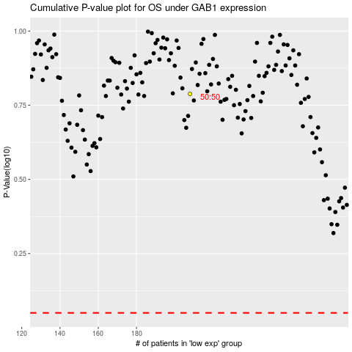

 |  |  |  |  |  | cases_OS | p_OS | rank | exp
 |  |  |  |  |  |  | cases_RFS | p_RFS | rank | exp

