GABARAP _multivariate
Reported by Tex Li-Hsing Chi. tex@gate.sinica.edu.tw 2019-08-19

Table 2. The clinicopathological features of HNSCC cohort and GABARAP expression. (Chi square test)
Cutoff at -0.26 (50.0%)
 |  | GABARAP expression |  | GABARAP expression |  | (Optimised)
 | Features | Low | (%) | High | (%) | Case no | P-value | Remark | Matthews
Gender | Female | 153 | 36.9 | 153 | 36.9 | 415 | 1 | 0 | 0
2 | Male | 54 | 13 | 55 | 13.3
Age at diagnosis | <=65y | 136 | 32.8 | 138 | 33.3 | 415 | 0.9719 | 0 | 0
4 | >65y | 71 | 17.1 | 70 | 16.9
Clinical T Status | T1+T2 | 72 | 17.3 | 77 | 18.6 | 415 | 0.7095 | 0 | 0
6 | T3+T4 | 135 | 32.5 | 131 | 31.6
Clinical N Status | N0 | 107 | 25.8 | 109 | 26.3 | 415 | 0.9624 | 0 | 0
8 | N1-3 | 100 | 24.1 | 99 | 23.9
Clinical M Status | M0 | 206 | 49.6 | 206 | 49.6 | 415 | 1 | 0 | 0
10 | M1 | 1 | 0.2 | 2 | 0.5
Clinical Stage | Stage I+II | 50 | 12 | 52 | 12.5 | 415 | 0.9315 | 0 | 0
12 | Stage III+IV | 157 | 37.8 | 156 | 37.6
Surgical Margin status | Negative | 157 | 37.8 | 161 | 38.8 | 415 | 0.729 | 0 | 0
14 | Positive | 50 | 12 | 47 | 11.3
Tobacco Exposure | Low | 76 | 18.3 | 85 | 20.5 | 415 | 0.4207 | 0 | 0
16 | High | 131 | 31.6 | 123 | 29.6

Table 3. Univariate/Multivariate Cox's proportional hazards regression analyses on OS time of GABARAP gene expression in HNSCC

 |  | Univariate |  |  |  | Multivariate
 | Features | HR | CI95%(L) | CI95%(H) | P-value | HR | CI95%(L) | CI95%(H) | P-value
1 | Female | 1 |  |  |  | 1
Gender | Male | 1.157 | 0.843 | 1.587 | 0.367 | 1.212 | 0.868 | 1.694 | 0.259
11 | <=65y | 1 |  |  |  | 1
Age at diagnosis | >65y | 1.329 | 0.99 | 1.784 | 0.058 | 1.367 | 1.004 | 1.861 | 0.047
12 | T1+T2 | 1 |  |  |  | 1
Clinical T Status | T3+T4 | 1.409 | 1.028 | 1.931 | 0.033 | 2.171 | 1.147 | 4.108 | 0.017
13 | N0 | 1 |  |  |  | 1
Clinical N Status | N1-3 | 1.185 | 0.89 | 1.577 | 0.246 | 1.234 | 0.864 | 1.761 | 0.248
14 | M0 | 1 |  |  |  | 1
Clinical M Status | M1 | 4.097 | 1.009 | 16.644 | 0.049 | 9.869 | 2.149 | 45.327 | 0.003
15 | Stage I+II | 1 |  |  |  | 1
Clinical Stage | Stage III+IV | 1.245 | 0.882 | 1.759 | 0.213 | 0.51 | 0.238 | 1.096 | 0.084
16 | Negative | 1 |  |  |  | 1
Surgical Margin status | Positive | 1.591 | 1.155 | 2.191 | 0.004 | 1.642 | 1.187 | 2.272 | 0.003
17 | Low | 1 |  |  |  | 1
Tobacco Exposure | High | 1.364 | 1.008 | 1.844 | 0.044 | 1.452 | 1.054 | 2 | 0.023
18 | Low | 1 |  |  |  | 1
RNAseq(z-score) | High | 0.778 | 0.582 | 1.039 | 0.089 | 0.829 | 0.618 | 1.112 | 0.211

Table 4. Univariate/Multivariate Cox's proportional hazards regression analyses on RFS time of GABARAP gene expression in HNSCC

 |  | Univariate |  |  |  | Multivariate
 | Features | HR | CI95%(L) | CI95%(H) | P-value | HR | CI95%(L) | CI95%(H) | P-value
1 | Female | 1 |  |  |  | 1
Gender | Male | 1.157 | 0.843 | 1.587 | 0.367 | 1.212 | 0.868 | 1.694 | 0.259
11 | <=65y | 1 |  |  |  | 1
Age at diagnosis | >65y | 1.329 | 0.99 | 1.784 | 0.058 | 1.367 | 1.004 | 1.861 | 0.047
12 | T1+T2 | 1 |  |  |  | 1
Clinical T Status | T3+T4 | 1.409 | 1.028 | 1.931 | 0.033 | 2.171 | 1.147 | 4.108 | 0.017
13 | N0 | 1 |  |  |  | 1
Clinical N Status | N1-3 | 1.185 | 0.89 | 1.577 | 0.246 | 1.234 | 0.864 | 1.761 | 0.248
14 | M0 | 1 |  |  |  | 1
Clinical M Status | M1 | 4.097 | 1.009 | 16.644 | 0.049 | 9.869 | 2.149 | 45.327 | 0.003
15 | Stage I+II | 1 |  |  |  | 1
Clinical Stage | Stage III+IV | 1.245 | 0.882 | 1.759 | 0.213 | 0.51 | 0.238 | 1.096 | 0.084
16 | Negative | 1 |  |  |  | 1
Surgical Margin status | Positive | 1.591 | 1.155 | 2.191 | 0.004 | 1.642 | 1.187 | 2.272 | 0.003
17 | Low | 1 |  |  |  | 1
Tobacco Exposure | High | 1.364 | 1.008 | 1.844 | 0.044 | 1.452 | 1.054 | 2 | 0.023
18 | Low | 1 |  |  |  | 1
RNAseq(z-score) | High | 0.778 | 0.582 | 1.039 | 0.089 | 0.829 | 0.618 | 1.112 | 0.211

Kaplan-Meier survival estimate: Cutoff at -0.26 (50.0%)



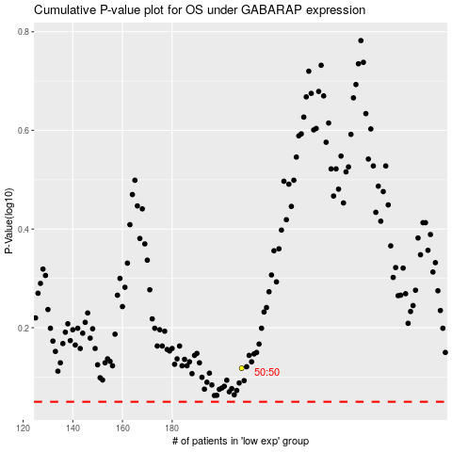

 |  |  |  |  |  | cases_OS | p_OS | rank | exp
 |  |  |  |  |  |  | cases_RFS | p_RFS | rank | exp

