GABARAPL2 _multivariate
Reported by Tex Li-Hsing Chi. tex@gate.sinica.edu.tw 2019-08-19

Table 2. The clinicopathological features of HNSCC cohort and GABARAPL2 expression. (Chi square test)
Cutoff at -0.241 (50.0%)
 |  | GABARAPL2 expression |  | GABARAPL2 expression |  | (Optimised)
 | Features | Low | (%) | High | (%) | Case no | P-value | Remark | Matthews
Gender | Female | 147 | 35.4 | 159 | 38.3 | 415 | 0.2523 | 0 | 0
2 | Male | 60 | 14.5 | 49 | 11.8
Age at diagnosis | <=65y | 129 | 31.1 | 145 | 34.9 | 415 | 0.1372 | 0 | 0
4 | >65y | 78 | 18.8 | 63 | 15.2
Clinical T Status | T1+T2 | 79 | 19 | 70 | 16.9 | 415 | 0.3924 | 0 | 0
6 | T3+T4 | 128 | 30.8 | 138 | 33.3
Clinical N Status | N0 | 113 | 27.2 | 103 | 24.8 | 415 | 0.3495 | 1 | 0
8 | N1-3 | 94 | 22.7 | 105 | 25.3
Clinical M Status | M0 | 206 | 49.6 | 206 | 49.6 | 415 | 1 | 0 | 0
10 | M1 | 1 | 0.2 | 2 | 0.5
Clinical Stage | Stage I+II | 56 | 13.5 | 46 | 11.1 | 415 | 0.2918 | 0 | 0
12 | Stage III+IV | 151 | 36.4 | 162 | 39
Surgical Margin status | Negative | 162 | 39 | 156 | 37.6 | 415 | 0.4867 | 0 | 0
14 | Positive | 45 | 10.8 | 52 | 12.5
Tobacco Exposure | Low | 82 | 19.8 | 79 | 19 | 415 | 0.763 | 0 | 0
16 | High | 125 | 30.1 | 129 | 31.1

Table 3. Univariate/Multivariate Cox's proportional hazards regression analyses on OS time of GABARAPL2 gene expression in HNSCC

 |  | Univariate |  |  |  | Multivariate
 | Features | HR | CI95%(L) | CI95%(H) | P-value | HR | CI95%(L) | CI95%(H) | P-value
1 | Female | 1 |  |  |  | 1
Gender | Male | 1.157 | 0.843 | 1.587 | 0.367 | 1.202 | 0.861 | 1.678 | 0.281
11 | <=65y | 1 |  |  |  | 1
Age at diagnosis | >65y | 1.329 | 0.99 | 1.784 | 0.058 | 1.414 | 1.037 | 1.927 | 0.028
12 | T1+T2 | 1 |  |  |  | 1
Clinical T Status | T3+T4 | 1.409 | 1.028 | 1.931 | 0.033 | 2.183 | 1.154 | 4.129 | 0.016
13 | N0 | 1 |  |  |  | 1
Clinical N Status | N1-3 | 1.185 | 0.89 | 1.577 | 0.246 | 1.244 | 0.872 | 1.775 | 0.228
14 | M0 | 1 |  |  |  | 1
Clinical M Status | M1 | 4.097 | 1.009 | 16.644 | 0.049 | 9.037 | 1.965 | 41.564 | 0.005
15 | Stage I+II | 1 |  |  |  | 1
Clinical Stage | Stage III+IV | 1.245 | 0.882 | 1.759 | 0.213 | 0.509 | 0.237 | 1.091 | 0.083
16 | Negative | 1 |  |  |  | 1
Surgical Margin status | Positive | 1.591 | 1.155 | 2.191 | 0.004 | 1.654 | 1.196 | 2.288 | 0.002
17 | Low | 1 |  |  |  | 1
Tobacco Exposure | High | 1.364 | 1.008 | 1.844 | 0.044 | 1.451 | 1.054 | 1.999 | 0.023
18 | Low | 1 |  |  |  | 1
RNAseq(z-score) | High | 1.12 | 0.84 | 1.492 | 0.441 | 1.116 | 0.834 | 1.495 | 0.46

Table 4. Univariate/Multivariate Cox's proportional hazards regression analyses on RFS time of GABARAPL2 gene expression in HNSCC

 |  | Univariate |  |  |  | Multivariate
 | Features | HR | CI95%(L) | CI95%(H) | P-value | HR | CI95%(L) | CI95%(H) | P-value
1 | Female | 1 |  |  |  | 1
Gender | Male | 1.157 | 0.843 | 1.587 | 0.367 | 1.202 | 0.861 | 1.678 | 0.281
11 | <=65y | 1 |  |  |  | 1
Age at diagnosis | >65y | 1.329 | 0.99 | 1.784 | 0.058 | 1.414 | 1.037 | 1.927 | 0.028
12 | T1+T2 | 1 |  |  |  | 1
Clinical T Status | T3+T4 | 1.409 | 1.028 | 1.931 | 0.033 | 2.183 | 1.154 | 4.129 | 0.016
13 | N0 | 1 |  |  |  | 1
Clinical N Status | N1-3 | 1.185 | 0.89 | 1.577 | 0.246 | 1.244 | 0.872 | 1.775 | 0.228
14 | M0 | 1 |  |  |  | 1
Clinical M Status | M1 | 4.097 | 1.009 | 16.644 | 0.049 | 9.037 | 1.965 | 41.564 | 0.005
15 | Stage I+II | 1 |  |  |  | 1
Clinical Stage | Stage III+IV | 1.245 | 0.882 | 1.759 | 0.213 | 0.509 | 0.237 | 1.091 | 0.083
16 | Negative | 1 |  |  |  | 1
Surgical Margin status | Positive | 1.591 | 1.155 | 2.191 | 0.004 | 1.654 | 1.196 | 2.288 | 0.002
17 | Low | 1 |  |  |  | 1
Tobacco Exposure | High | 1.364 | 1.008 | 1.844 | 0.044 | 1.451 | 1.054 | 1.999 | 0.023
18 | Low | 1 |  |  |  | 1
RNAseq(z-score) | High | 1.12 | 0.84 | 1.492 | 0.441 | 1.116 | 0.834 | 1.495 | 0.46

Kaplan-Meier survival estimate: Cutoff at -0.241 (50.0%)



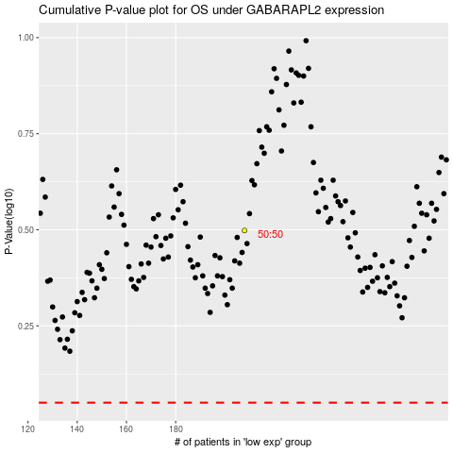

 |  |  |  |  |  | cases_OS | p_OS | rank | exp
 |  |  |  |  |  |  | cases_RFS | p_RFS | rank | exp

