GABBR1 _multivariate
Reported by Tex Li-Hsing Chi. tex@gate.sinica.edu.tw 2019-08-19

Table 2. The clinicopathological features of HNSCC cohort and GABBR1 expression. (Chi square test)
Cutoff at -0.25 (50.0%)
 |  | GABBR1 expression |  | GABBR1 expression |  | (Optimised)
 | Features | Low | (%) | High | (%) | Case no | P-value | Remark | Matthews
Gender | Female | 148 | 35.7 | 158 | 38.1 | 415 | 0.3567 | 0 | 0
2 | Male | 59 | 14.2 | 50 | 12
Age at diagnosis | <=65y | 139 | 33.5 | 135 | 32.5 | 415 | 0.7044 | 0 | 0
4 | >65y | 68 | 16.4 | 73 | 17.6
Clinical T Status | T1+T2 | 77 | 18.6 | 72 | 17.3 | 415 | 0.6556 | 0 | 0
6 | T3+T4 | 130 | 31.3 | 136 | 32.8
Clinical N Status | N0 | 102 | 24.6 | 114 | 27.5 | 415 | 0.3031 | 0 | 0
8 | N1-3 | 105 | 25.3 | 94 | 22.7
Clinical M Status | M0 | 206 | 49.6 | 206 | 49.6 | 415 | 1 | 0 | 0
10 | M1 | 1 | 0.2 | 2 | 0.5
Clinical Stage | Stage I+II | 51 | 12.3 | 51 | 12.3 | 415 | 1 | 0 | 0
12 | Stage III+IV | 156 | 37.6 | 157 | 37.8
Surgical Margin status | Negative | 167 | 40.2 | 151 | 36.4 | 415 | 0.0632 | 0 | 0
14 | Positive | 40 | 9.6 | 57 | 13.7
Tobacco Exposure | Low | 87 | 21 | 74 | 17.8 | 415 | 0.1911 | 0 | 0
16 | High | 120 | 28.9 | 134 | 32.3

Table 3. Univariate/Multivariate Cox's proportional hazards regression analyses on OS time of GABBR1 gene expression in HNSCC

 |  | Univariate |  |  |  | Multivariate
 | Features | HR | CI95%(L) | CI95%(H) | P-value | HR | CI95%(L) | CI95%(H) | P-value
1 | Female | 1 |  |  |  | 1
Gender | Male | 1.157 | 0.843 | 1.587 | 0.367 | 1.189 | 0.851 | 1.661 | 0.312
11 | <=65y | 1 |  |  |  | 1
Age at diagnosis | >65y | 1.329 | 0.99 | 1.784 | 0.058 | 1.412 | 1.038 | 1.919 | 0.028
12 | T1+T2 | 1 |  |  |  | 1
Clinical T Status | T3+T4 | 1.409 | 1.028 | 1.931 | 0.033 | 2.235 | 1.181 | 4.229 | 0.013
13 | N0 | 1 |  |  |  | 1
Clinical N Status | N1-3 | 1.185 | 0.89 | 1.577 | 0.246 | 1.223 | 0.857 | 1.746 | 0.268
14 | M0 | 1 |  |  |  | 1
Clinical M Status | M1 | 4.097 | 1.009 | 16.644 | 0.049 | 9.793 | 2.133 | 44.952 | 0.003
15 | Stage I+II | 1 |  |  |  | 1
Clinical Stage | Stage III+IV | 1.245 | 0.882 | 1.759 | 0.213 | 0.502 | 0.234 | 1.078 | 0.077
16 | Negative | 1 |  |  |  | 1
Surgical Margin status | Positive | 1.591 | 1.155 | 2.191 | 0.004 | 1.74 | 1.253 | 2.416 | 0.001
17 | Low | 1 |  |  |  | 1
Tobacco Exposure | High | 1.364 | 1.008 | 1.844 | 0.044 | 1.484 | 1.075 | 2.049 | 0.016
18 | Low | 1 |  |  |  | 1
RNAseq(z-score) | High | 0.892 | 0.669 | 1.189 | 0.435 | 0.808 | 0.602 | 1.084 | 0.155

Table 4. Univariate/Multivariate Cox's proportional hazards regression analyses on RFS time of GABBR1 gene expression in HNSCC

 |  | Univariate |  |  |  | Multivariate
 | Features | HR | CI95%(L) | CI95%(H) | P-value | HR | CI95%(L) | CI95%(H) | P-value
1 | Female | 1 |  |  |  | 1
Gender | Male | 1.157 | 0.843 | 1.587 | 0.367 | 1.189 | 0.851 | 1.661 | 0.312
11 | <=65y | 1 |  |  |  | 1
Age at diagnosis | >65y | 1.329 | 0.99 | 1.784 | 0.058 | 1.412 | 1.038 | 1.919 | 0.028
12 | T1+T2 | 1 |  |  |  | 1
Clinical T Status | T3+T4 | 1.409 | 1.028 | 1.931 | 0.033 | 2.235 | 1.181 | 4.229 | 0.013
13 | N0 | 1 |  |  |  | 1
Clinical N Status | N1-3 | 1.185 | 0.89 | 1.577 | 0.246 | 1.223 | 0.857 | 1.746 | 0.268
14 | M0 | 1 |  |  |  | 1
Clinical M Status | M1 | 4.097 | 1.009 | 16.644 | 0.049 | 9.793 | 2.133 | 44.952 | 0.003
15 | Stage I+II | 1 |  |  |  | 1
Clinical Stage | Stage III+IV | 1.245 | 0.882 | 1.759 | 0.213 | 0.502 | 0.234 | 1.078 | 0.077
16 | Negative | 1 |  |  |  | 1
Surgical Margin status | Positive | 1.591 | 1.155 | 2.191 | 0.004 | 1.74 | 1.253 | 2.416 | 0.001
17 | Low | 1 |  |  |  | 1
Tobacco Exposure | High | 1.364 | 1.008 | 1.844 | 0.044 | 1.484 | 1.075 | 2.049 | 0.016
18 | Low | 1 |  |  |  | 1
RNAseq(z-score) | High | 0.892 | 0.669 | 1.189 | 0.435 | 0.808 | 0.602 | 1.084 | 0.155

Kaplan-Meier survival estimate: Cutoff at -0.25 (50.0%)



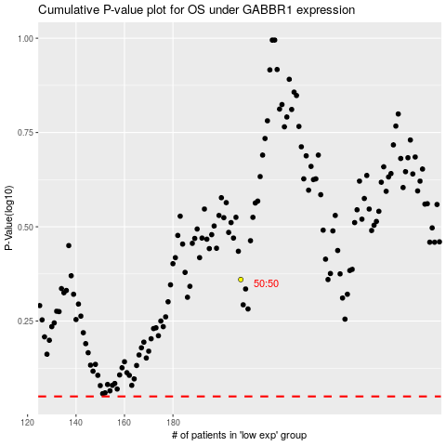

 |  |  |  |  |  | cases_OS | p_OS | rank | exp
 |  |  |  |  |  |  | cases_RFS | p_RFS | rank | exp

