GABRA3 _multivariate
Reported by Tex Li-Hsing Chi. tex@gate.sinica.edu.tw 2019-08-19

Table 2. The clinicopathological features of HNSCC cohort and GABRA3 expression. (Chi square test)
Cutoff at -0.31 (49.8%)
 |  | GABRA3 expression |  | GABRA3 expression |  | (Optimised)
 | Features | Low | (%) | High | (%) | Case no | P-value | Remark | Matthews
Gender | Female | 159 | 38.3 | 147 | 35.4 | 415 | 0.1905 | 0 | 0
2 | Male | 48 | 11.6 | 61 | 14.7
Age at diagnosis | <=65y | 142 | 34.2 | 132 | 31.8 | 415 | 0.3167 | 0 | 0
4 | >65y | 65 | 15.7 | 76 | 18.3
Clinical T Status | T1+T2 | 79 | 19 | 70 | 16.9 | 415 | 0.3924 | 0 | 0
6 | T3+T4 | 128 | 30.8 | 138 | 33.3
Clinical N Status | N0 | 93 | 22.4 | 123 | 29.6 | 415 | 0.0051 | 1 | 0
8 | N1-3 | 114 | 27.5 | 85 | 20.5
Clinical M Status | M0 | 205 | 49.4 | 207 | 49.9 | 415 | 0.6232 | 0 | 0
10 | M1 | 2 | 0.5 | 1 | 0.2
Clinical Stage | Stage I+II | 48 | 11.6 | 54 | 13 | 415 | 0.5878 | 0 | 0
12 | Stage III+IV | 159 | 38.3 | 154 | 37.1
Surgical Margin status | Negative | 152 | 36.6 | 166 | 40 | 415 | 0.1329 | 0 | 0
14 | Positive | 55 | 13.3 | 42 | 10.1
Tobacco Exposure | Low | 89 | 21.4 | 72 | 17.3 | 415 | 0.0872 | 0 | 0
16 | High | 118 | 28.4 | 136 | 32.8

Table 3. Univariate/Multivariate Cox's proportional hazards regression analyses on OS time of GABRA3 gene expression in HNSCC

 |  | Univariate |  |  |  | Multivariate
 | Features | HR | CI95%(L) | CI95%(H) | P-value | HR | CI95%(L) | CI95%(H) | P-value
1 | Female | 1 |  |  |  | 1
Gender | Male | 1.157 | 0.843 | 1.587 | 0.367 | 1.196 | 0.855 | 1.673 | 0.297
11 | <=65y | 1 |  |  |  | 1
Age at diagnosis | >65y | 1.329 | 0.99 | 1.784 | 0.058 | 1.391 | 1.023 | 1.891 | 0.035
12 | T1+T2 | 1 |  |  |  | 1
Clinical T Status | T3+T4 | 1.409 | 1.028 | 1.931 | 0.033 | 2.193 | 1.159 | 4.15 | 0.016
13 | N0 | 1 |  |  |  | 1
Clinical N Status | N1-3 | 1.185 | 0.89 | 1.577 | 0.246 | 1.25 | 0.872 | 1.791 | 0.224
14 | M0 | 1 |  |  |  | 1
Clinical M Status | M1 | 4.097 | 1.009 | 16.644 | 0.049 | 9.373 | 2.044 | 42.978 | 0.004
15 | Stage I+II | 1 |  |  |  | 1
Clinical Stage | Stage III+IV | 1.245 | 0.882 | 1.759 | 0.213 | 0.504 | 0.235 | 1.082 | 0.079
16 | Negative | 1 |  |  |  | 1
Surgical Margin status | Positive | 1.591 | 1.155 | 2.191 | 0.004 | 1.674 | 1.211 | 2.314 | 0.002
17 | Low | 1 |  |  |  | 1
Tobacco Exposure | High | 1.364 | 1.008 | 1.844 | 0.044 | 1.449 | 1.051 | 1.997 | 0.024
18 | Low | 1 |  |  |  | 1
RNAseq(z-score) | High | 1.069 | 0.802 | 1.425 | 0.65 | 1.039 | 0.773 | 1.397 | 0.8

Table 4. Univariate/Multivariate Cox's proportional hazards regression analyses on RFS time of GABRA3 gene expression in HNSCC

 |  | Univariate |  |  |  | Multivariate
 | Features | HR | CI95%(L) | CI95%(H) | P-value | HR | CI95%(L) | CI95%(H) | P-value
1 | Female | 1 |  |  |  | 1
Gender | Male | 1.157 | 0.843 | 1.587 | 0.367 | 1.196 | 0.855 | 1.673 | 0.297
11 | <=65y | 1 |  |  |  | 1
Age at diagnosis | >65y | 1.329 | 0.99 | 1.784 | 0.058 | 1.391 | 1.023 | 1.891 | 0.035
12 | T1+T2 | 1 |  |  |  | 1
Clinical T Status | T3+T4 | 1.409 | 1.028 | 1.931 | 0.033 | 2.193 | 1.159 | 4.15 | 0.016
13 | N0 | 1 |  |  |  | 1
Clinical N Status | N1-3 | 1.185 | 0.89 | 1.577 | 0.246 | 1.25 | 0.872 | 1.791 | 0.224
14 | M0 | 1 |  |  |  | 1
Clinical M Status | M1 | 4.097 | 1.009 | 16.644 | 0.049 | 9.373 | 2.044 | 42.978 | 0.004
15 | Stage I+II | 1 |  |  |  | 1
Clinical Stage | Stage III+IV | 1.245 | 0.882 | 1.759 | 0.213 | 0.504 | 0.235 | 1.082 | 0.079
16 | Negative | 1 |  |  |  | 1
Surgical Margin status | Positive | 1.591 | 1.155 | 2.191 | 0.004 | 1.674 | 1.211 | 2.314 | 0.002
17 | Low | 1 |  |  |  | 1
Tobacco Exposure | High | 1.364 | 1.008 | 1.844 | 0.044 | 1.449 | 1.051 | 1.997 | 0.024
18 | Low | 1 |  |  |  | 1
RNAseq(z-score) | High | 1.069 | 0.802 | 1.425 | 0.65 | 1.039 | 0.773 | 1.397 | 0.8

Kaplan-Meier survival estimate: Cutoff at -0.31 (49.8%)

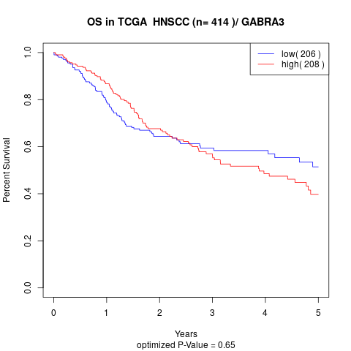

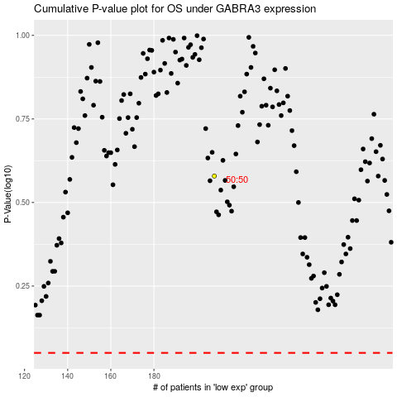

 |  |  |  |  |  | cases_OS | p_OS | rank | exp
 |  |  |  |  |  |  | cases_RFS | p_RFS | rank | exp

