GABRE _multivariate
Reported by Tex Li-Hsing Chi. tex@gate.sinica.edu.tw 2019-08-19

Table 2. The clinicopathological features of HNSCC cohort and GABRE expression. (Chi square test)
Cutoff at -0.342 (49.8%)
 |  | GABRE expression |  | GABRE expression |  | (Optimised)
 | Features | Low | (%) | High | (%) | Case no | P-value | Remark | Matthews
Gender | Female | 145 | 34.9 | 161 | 38.8 | 415 | 0.1116 | 0 | 0
2 | Male | 62 | 14.9 | 47 | 11.3
Age at diagnosis | <=65y | 141 | 34 | 133 | 32 | 415 | 0.4272 | 0 | 0
4 | >65y | 66 | 15.9 | 75 | 18.1
Clinical T Status | T1+T2 | 73 | 17.6 | 76 | 18.3 | 415 | 0.8666 | 0 | 0
6 | T3+T4 | 134 | 32.3 | 132 | 31.8
Clinical N Status | N0 | 106 | 25.5 | 110 | 26.5 | 415 | 0.8075 | 0 | 0
8 | N1-3 | 101 | 24.3 | 98 | 23.6
Clinical M Status | M0 | 206 | 49.6 | 206 | 49.6 | 415 | 1 | 0 | 0
10 | M1 | 1 | 0.2 | 2 | 0.5
Clinical Stage | Stage I+II | 53 | 12.8 | 49 | 11.8 | 415 | 0.7113 | 0 | 0
12 | Stage III+IV | 154 | 37.1 | 159 | 38.3
Surgical Margin status | Negative | 162 | 39 | 156 | 37.6 | 415 | 0.4867 | 0 | 0
14 | Positive | 45 | 10.8 | 52 | 12.5
Tobacco Exposure | Low | 83 | 20 | 78 | 18.8 | 415 | 0.6152 | 0 | 0
16 | High | 124 | 29.9 | 130 | 31.3

Table 3. Univariate/Multivariate Cox's proportional hazards regression analyses on OS time of GABRE gene expression in HNSCC

 |  | Univariate |  |  |  | Multivariate
 | Features | HR | CI95%(L) | CI95%(H) | P-value | HR | CI95%(L) | CI95%(H) | P-value
1 | Female | 1 |  |  |  | 1
Gender | Male | 1.157 | 0.843 | 1.587 | 0.367 | 1.192 | 0.852 | 1.667 | 0.305
11 | <=65y | 1 |  |  |  | 1
Age at diagnosis | >65y | 1.329 | 0.99 | 1.784 | 0.058 | 1.405 | 1.031 | 1.915 | 0.031
12 | T1+T2 | 1 |  |  |  | 1
Clinical T Status | T3+T4 | 1.409 | 1.028 | 1.931 | 0.033 | 2.167 | 1.143 | 4.109 | 0.018
13 | N0 | 1 |  |  |  | 1
Clinical N Status | N1-3 | 1.185 | 0.89 | 1.577 | 0.246 | 1.229 | 0.86 | 1.757 | 0.257
14 | M0 | 1 |  |  |  | 1
Clinical M Status | M1 | 4.097 | 1.009 | 16.644 | 0.049 | 9.361 | 2.042 | 42.908 | 0.004
15 | Stage I+II | 1 |  |  |  | 1
Clinical Stage | Stage III+IV | 1.245 | 0.882 | 1.759 | 0.213 | 0.519 | 0.24 | 1.122 | 0.095
16 | Negative | 1 |  |  |  | 1
Surgical Margin status | Positive | 1.591 | 1.155 | 2.191 | 0.004 | 1.675 | 1.212 | 2.314 | 0.002
17 | Low | 1 |  |  |  | 1
Tobacco Exposure | High | 1.364 | 1.008 | 1.844 | 0.044 | 1.457 | 1.057 | 2.009 | 0.021
18 | Low | 1 |  |  |  | 1
RNAseq(z-score) | High | 0.947 | 0.708 | 1.266 | 0.711 | 0.925 | 0.687 | 1.247 | 0.611

Table 4. Univariate/Multivariate Cox's proportional hazards regression analyses on RFS time of GABRE gene expression in HNSCC

 |  | Univariate |  |  |  | Multivariate
 | Features | HR | CI95%(L) | CI95%(H) | P-value | HR | CI95%(L) | CI95%(H) | P-value
1 | Female | 1 |  |  |  | 1
Gender | Male | 1.157 | 0.843 | 1.587 | 0.367 | 1.192 | 0.852 | 1.667 | 0.305
11 | <=65y | 1 |  |  |  | 1
Age at diagnosis | >65y | 1.329 | 0.99 | 1.784 | 0.058 | 1.405 | 1.031 | 1.915 | 0.031
12 | T1+T2 | 1 |  |  |  | 1
Clinical T Status | T3+T4 | 1.409 | 1.028 | 1.931 | 0.033 | 2.167 | 1.143 | 4.109 | 0.018
13 | N0 | 1 |  |  |  | 1
Clinical N Status | N1-3 | 1.185 | 0.89 | 1.577 | 0.246 | 1.229 | 0.86 | 1.757 | 0.257
14 | M0 | 1 |  |  |  | 1
Clinical M Status | M1 | 4.097 | 1.009 | 16.644 | 0.049 | 9.361 | 2.042 | 42.908 | 0.004
15 | Stage I+II | 1 |  |  |  | 1
Clinical Stage | Stage III+IV | 1.245 | 0.882 | 1.759 | 0.213 | 0.519 | 0.24 | 1.122 | 0.095
16 | Negative | 1 |  |  |  | 1
Surgical Margin status | Positive | 1.591 | 1.155 | 2.191 | 0.004 | 1.675 | 1.212 | 2.314 | 0.002
17 | Low | 1 |  |  |  | 1
Tobacco Exposure | High | 1.364 | 1.008 | 1.844 | 0.044 | 1.457 | 1.057 | 2.009 | 0.021
18 | Low | 1 |  |  |  | 1
RNAseq(z-score) | High | 0.947 | 0.708 | 1.266 | 0.711 | 0.925 | 0.687 | 1.247 | 0.611

Kaplan-Meier survival estimate: Cutoff at -0.342 (49.8%)



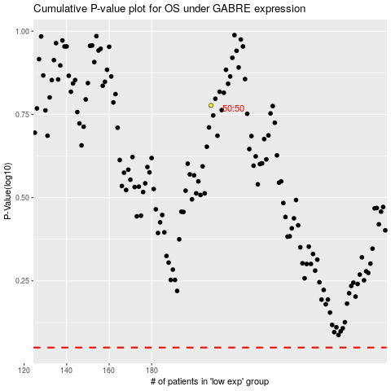

 |  |  |  |  |  | cases_OS | p_OS | rank | exp
 |  |  |  |  |  |  | cases_RFS | p_RFS | rank | exp

