GABRQ _multivariate
Reported by Tex Li-Hsing Chi. tex@gate.sinica.edu.tw 2019-08-19

Table 2. The clinicopathological features of HNSCC cohort and GABRQ expression. (Chi square test)
Cutoff at -0.333 (49.8%)
 |  | GABRQ expression |  | GABRQ expression |  | (Optimised)
 | Features | Low | (%) | High | (%) | Case no | P-value | Remark | Matthews
Gender | Female | 159 | 38.3 | 147 | 35.4 | 415 | 0.1905 | 0 | 0
2 | Male | 48 | 11.6 | 61 | 14.7
Age at diagnosis | <=65y | 138 | 33.3 | 136 | 32.8 | 415 | 0.8634 | 0 | 0
4 | >65y | 69 | 16.6 | 72 | 17.3
Clinical T Status | T1+T2 | 79 | 19 | 70 | 16.9 | 415 | 0.3924 | 0 | 0
6 | T3+T4 | 128 | 30.8 | 138 | 33.3
Clinical N Status | N0 | 101 | 24.3 | 115 | 27.7 | 415 | 0.2201 | 0 | 0
8 | N1-3 | 106 | 25.5 | 93 | 22.4
Clinical M Status | M0 | 206 | 49.6 | 206 | 49.6 | 415 | 1 | 0 | 0
10 | M1 | 1 | 0.2 | 2 | 0.5
Clinical Stage | Stage I+II | 55 | 13.3 | 47 | 11.3 | 415 | 0.4087 | 0 | 0
12 | Stage III+IV | 152 | 36.6 | 161 | 38.8
Surgical Margin status | Negative | 158 | 38.1 | 160 | 38.6 | 415 | 0.9081 | 0 | 0
14 | Positive | 49 | 11.8 | 48 | 11.6
Tobacco Exposure | Low | 87 | 21 | 74 | 17.8 | 415 | 0.1911 | 0 | 0
16 | High | 120 | 28.9 | 134 | 32.3

Table 3. Univariate/Multivariate Cox's proportional hazards regression analyses on OS time of GABRQ gene expression in HNSCC

 |  | Univariate |  |  |  | Multivariate
 | Features | HR | CI95%(L) | CI95%(H) | P-value | HR | CI95%(L) | CI95%(H) | P-value
1 | Female | 1 |  |  |  | 1
Gender | Male | 1.157 | 0.843 | 1.587 | 0.367 | 1.192 | 0.852 | 1.667 | 0.305
11 | <=65y | 1 |  |  |  | 1
Age at diagnosis | >65y | 1.329 | 0.99 | 1.784 | 0.058 | 1.39 | 1.023 | 1.89 | 0.035
12 | T1+T2 | 1 |  |  |  | 1
Clinical T Status | T3+T4 | 1.409 | 1.028 | 1.931 | 0.033 | 2.228 | 1.176 | 4.221 | 0.014
13 | N0 | 1 |  |  |  | 1
Clinical N Status | N1-3 | 1.185 | 0.89 | 1.577 | 0.246 | 1.257 | 0.877 | 1.802 | 0.212
14 | M0 | 1 |  |  |  | 1
Clinical M Status | M1 | 4.097 | 1.009 | 16.644 | 0.049 | 9.259 | 2.017 | 42.514 | 0.004
15 | Stage I+II | 1 |  |  |  | 1
Clinical Stage | Stage III+IV | 1.245 | 0.882 | 1.759 | 0.213 | 0.492 | 0.228 | 1.064 | 0.072
16 | Negative | 1 |  |  |  | 1
Surgical Margin status | Positive | 1.591 | 1.155 | 2.191 | 0.004 | 1.674 | 1.211 | 2.314 | 0.002
17 | Low | 1 |  |  |  | 1
Tobacco Exposure | High | 1.364 | 1.008 | 1.844 | 0.044 | 1.443 | 1.047 | 1.99 | 0.025
18 | Low | 1 |  |  |  | 1
RNAseq(z-score) | High | 1.11 | 0.83 | 1.484 | 0.481 | 1.073 | 0.797 | 1.444 | 0.644

Table 4. Univariate/Multivariate Cox's proportional hazards regression analyses on RFS time of GABRQ gene expression in HNSCC

 |  | Univariate |  |  |  | Multivariate
 | Features | HR | CI95%(L) | CI95%(H) | P-value | HR | CI95%(L) | CI95%(H) | P-value
1 | Female | 1 |  |  |  | 1
Gender | Male | 1.157 | 0.843 | 1.587 | 0.367 | 1.192 | 0.852 | 1.667 | 0.305
11 | <=65y | 1 |  |  |  | 1
Age at diagnosis | >65y | 1.329 | 0.99 | 1.784 | 0.058 | 1.39 | 1.023 | 1.89 | 0.035
12 | T1+T2 | 1 |  |  |  | 1
Clinical T Status | T3+T4 | 1.409 | 1.028 | 1.931 | 0.033 | 2.228 | 1.176 | 4.221 | 0.014
13 | N0 | 1 |  |  |  | 1
Clinical N Status | N1-3 | 1.185 | 0.89 | 1.577 | 0.246 | 1.257 | 0.877 | 1.802 | 0.212
14 | M0 | 1 |  |  |  | 1
Clinical M Status | M1 | 4.097 | 1.009 | 16.644 | 0.049 | 9.259 | 2.017 | 42.514 | 0.004
15 | Stage I+II | 1 |  |  |  | 1
Clinical Stage | Stage III+IV | 1.245 | 0.882 | 1.759 | 0.213 | 0.492 | 0.228 | 1.064 | 0.072
16 | Negative | 1 |  |  |  | 1
Surgical Margin status | Positive | 1.591 | 1.155 | 2.191 | 0.004 | 1.674 | 1.211 | 2.314 | 0.002
17 | Low | 1 |  |  |  | 1
Tobacco Exposure | High | 1.364 | 1.008 | 1.844 | 0.044 | 1.443 | 1.047 | 1.99 | 0.025
18 | Low | 1 |  |  |  | 1
RNAseq(z-score) | High | 1.11 | 0.83 | 1.484 | 0.481 | 1.073 | 0.797 | 1.444 | 0.644

Kaplan-Meier survival estimate: Cutoff at -0.333 (49.8%)



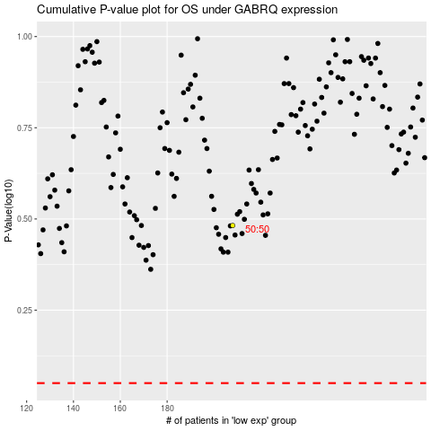

 |  |  |  |  |  | cases_OS | p_OS | rank | exp
 |  |  |  |  |  |  | cases_RFS | p_RFS | rank | exp

