GABRR1 _multivariate
Reported by Tex Li-Hsing Chi. tex@gate.sinica.edu.tw 2019-08-19

Table 2. The clinicopathological features of HNSCC cohort and GABRR1 expression. (Chi square test)
Cutoff at -0.335 (49.8%)
 |  | GABRR1 expression |  | GABRR1 expression |  | (Optimised)
 | Features | Low | (%) | High | (%) | Case no | P-value | Remark | Matthews
Gender | Female | 160 | 38.6 | 146 | 35.2 | 415 | 0.1254 | 0 | 0
2 | Male | 47 | 11.3 | 62 | 14.9
Age at diagnosis | <=65y | 143 | 34.5 | 131 | 31.6 | 415 | 0.2269 | 0 | 0
4 | >65y | 64 | 15.4 | 77 | 18.6
Clinical T Status | T1+T2 | 90 | 21.7 | 59 | 14.2 | 415 | 0.0019 | 1 | 0
6 | T3+T4 | 117 | 28.2 | 149 | 35.9
Clinical N Status | N0 | 102 | 24.6 | 114 | 27.5 | 415 | 0.3031 | 0 | 0
8 | N1-3 | 105 | 25.3 | 94 | 22.7
Clinical M Status | M0 | 205 | 49.4 | 207 | 49.9 | 415 | 0.6232 | 0 | 0
10 | M1 | 2 | 0.5 | 1 | 0.2
Clinical Stage | Stage I+II | 60 | 14.5 | 42 | 10.1 | 415 | 0.0493 | 1 | 0
12 | Stage III+IV | 147 | 35.4 | 166 | 40
Surgical Margin status | Negative | 154 | 37.1 | 164 | 39.5 | 415 | 0.2984 | 0 | 0
14 | Positive | 53 | 12.8 | 44 | 10.6
Tobacco Exposure | Low | 88 | 21.2 | 73 | 17.6 | 415 | 0.1314 | 0 | 0
16 | High | 119 | 28.7 | 135 | 32.5

Table 3. Univariate/Multivariate Cox's proportional hazards regression analyses on OS time of GABRR1 gene expression in HNSCC

 |  | Univariate |  |  |  | Multivariate
 | Features | HR | CI95%(L) | CI95%(H) | P-value | HR | CI95%(L) | CI95%(H) | P-value
1 | Female | 1 |  |  |  | 1
Gender | Male | 1.157 | 0.843 | 1.587 | 0.367 | 1.196 | 0.854 | 1.674 | 0.297
11 | <=65y | 1 |  |  |  | 1
Age at diagnosis | >65y | 1.329 | 0.99 | 1.784 | 0.058 | 1.389 | 1.021 | 1.889 | 0.036
12 | T1+T2 | 1 |  |  |  | 1
Clinical T Status | T3+T4 | 1.409 | 1.028 | 1.931 | 0.033 | 2.186 | 1.153 | 4.144 | 0.017
13 | N0 | 1 |  |  |  | 1
Clinical N Status | N1-3 | 1.185 | 0.89 | 1.577 | 0.246 | 1.244 | 0.871 | 1.777 | 0.229
14 | M0 | 1 |  |  |  | 1
Clinical M Status | M1 | 4.097 | 1.009 | 16.644 | 0.049 | 9.366 | 2.043 | 42.948 | 0.004
15 | Stage I+II | 1 |  |  |  | 1
Clinical Stage | Stage III+IV | 1.245 | 0.882 | 1.759 | 0.213 | 0.504 | 0.235 | 1.081 | 0.079
16 | Negative | 1 |  |  |  | 1
Surgical Margin status | Positive | 1.591 | 1.155 | 2.191 | 0.004 | 1.677 | 1.213 | 2.321 | 0.002
17 | Low | 1 |  |  |  | 1
Tobacco Exposure | High | 1.364 | 1.008 | 1.844 | 0.044 | 1.448 | 1.05 | 1.998 | 0.024
18 | Low | 1 |  |  |  | 1
RNAseq(z-score) | High | 1.125 | 0.843 | 1.501 | 0.425 | 1.039 | 0.771 | 1.399 | 0.803

Table 4. Univariate/Multivariate Cox's proportional hazards regression analyses on RFS time of GABRR1 gene expression in HNSCC

 |  | Univariate |  |  |  | Multivariate
 | Features | HR | CI95%(L) | CI95%(H) | P-value | HR | CI95%(L) | CI95%(H) | P-value
1 | Female | 1 |  |  |  | 1
Gender | Male | 1.157 | 0.843 | 1.587 | 0.367 | 1.196 | 0.854 | 1.674 | 0.297
11 | <=65y | 1 |  |  |  | 1
Age at diagnosis | >65y | 1.329 | 0.99 | 1.784 | 0.058 | 1.389 | 1.021 | 1.889 | 0.036
12 | T1+T2 | 1 |  |  |  | 1
Clinical T Status | T3+T4 | 1.409 | 1.028 | 1.931 | 0.033 | 2.186 | 1.153 | 4.144 | 0.017
13 | N0 | 1 |  |  |  | 1
Clinical N Status | N1-3 | 1.185 | 0.89 | 1.577 | 0.246 | 1.244 | 0.871 | 1.777 | 0.229
14 | M0 | 1 |  |  |  | 1
Clinical M Status | M1 | 4.097 | 1.009 | 16.644 | 0.049 | 9.366 | 2.043 | 42.948 | 0.004
15 | Stage I+II | 1 |  |  |  | 1
Clinical Stage | Stage III+IV | 1.245 | 0.882 | 1.759 | 0.213 | 0.504 | 0.235 | 1.081 | 0.079
16 | Negative | 1 |  |  |  | 1
Surgical Margin status | Positive | 1.591 | 1.155 | 2.191 | 0.004 | 1.677 | 1.213 | 2.321 | 0.002
17 | Low | 1 |  |  |  | 1
Tobacco Exposure | High | 1.364 | 1.008 | 1.844 | 0.044 | 1.448 | 1.05 | 1.998 | 0.024
18 | Low | 1 |  |  |  | 1
RNAseq(z-score) | High | 1.125 | 0.843 | 1.501 | 0.425 | 1.039 | 0.771 | 1.399 | 0.803

Kaplan-Meier survival estimate: Cutoff at -0.335 (49.8%)



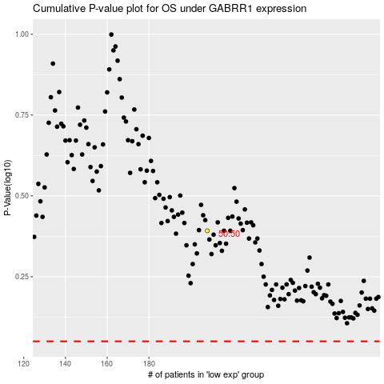

 |  |  |  |  |  | cases_OS | p_OS | rank | exp
 |  |  |  |  |  |  | cases_RFS | p_RFS | rank | exp

