GADD45B _multivariate
Reported by Tex Li-Hsing Chi. tex@gate.sinica.edu.tw 2019-08-19

Table 2. The clinicopathological features of HNSCC cohort and GADD45B expression. (Chi square test)
Cutoff at -0.229 (50.0%)
 |  | GADD45B expression |  | GADD45B expression |  | (Optimised)
 | Features | Low | (%) | High | (%) | Case no | P-value | Remark | Matthews
Gender | Female | 151 | 36.4 | 155 | 37.3 | 415 | 0.8007 | 0 | 0
2 | Male | 56 | 13.5 | 53 | 12.8
Age at diagnosis | <=65y | 145 | 34.9 | 129 | 31.1 | 415 | 0.1046 | 0 | 0
4 | >65y | 62 | 14.9 | 79 | 19
Clinical T Status | T1+T2 | 83 | 20 | 66 | 15.9 | 415 | 0.0941 | 0 | 0
6 | T3+T4 | 124 | 29.9 | 142 | 34.2
Clinical N Status | N0 | 106 | 25.5 | 110 | 26.5 | 415 | 0.8075 | 0 | 0
8 | N1-3 | 101 | 24.3 | 98 | 23.6
Clinical M Status | M0 | 204 | 49.2 | 208 | 50.1 | 415 | 0.1232 | 0 | 0
10 | M1 | 3 | 0.7 | 0 | 0
Clinical Stage | Stage I+II | 56 | 13.5 | 46 | 11.1 | 415 | 0.2918 | 0 | 0
12 | Stage III+IV | 151 | 36.4 | 162 | 39
Surgical Margin status | Negative | 163 | 39.3 | 155 | 37.3 | 415 | 0.3537 | 0 | 0
14 | Positive | 44 | 10.6 | 53 | 12.8
Tobacco Exposure | Low | 73 | 17.6 | 88 | 21.2 | 415 | 0.1587 | 0 | 0
16 | High | 134 | 32.3 | 120 | 28.9

Table 3. Univariate/Multivariate Cox's proportional hazards regression analyses on OS time of GADD45B gene expression in HNSCC

 |  | Univariate |  |  |  | Multivariate
 | Features | HR | CI95%(L) | CI95%(H) | P-value | HR | CI95%(L) | CI95%(H) | P-value
1 | Female | 1 |  |  |  | 1
Gender | Male | 1.157 | 0.843 | 1.587 | 0.367 | 1.203 | 0.86 | 1.684 | 0.28
11 | <=65y | 1 |  |  |  | 1
Age at diagnosis | >65y | 1.329 | 0.99 | 1.784 | 0.058 | 1.393 | 1.024 | 1.894 | 0.035
12 | T1+T2 | 1 |  |  |  | 1
Clinical T Status | T3+T4 | 1.409 | 1.028 | 1.931 | 0.033 | 2.208 | 1.165 | 4.182 | 0.015
13 | N0 | 1 |  |  |  | 1
Clinical N Status | N1-3 | 1.185 | 0.89 | 1.577 | 0.246 | 1.24 | 0.869 | 1.77 | 0.236
14 | M0 | 1 |  |  |  | 1
Clinical M Status | M1 | 4.097 | 1.009 | 16.644 | 0.049 | 9.367 | 2.038 | 43.052 | 0.004
15 | Stage I+II | 1 |  |  |  | 1
Clinical Stage | Stage III+IV | 1.245 | 0.882 | 1.759 | 0.213 | 0.504 | 0.235 | 1.083 | 0.079
16 | Negative | 1 |  |  |  | 1
Surgical Margin status | Positive | 1.591 | 1.155 | 2.191 | 0.004 | 1.676 | 1.207 | 2.328 | 0.002
17 | Low | 1 |  |  |  | 1
Tobacco Exposure | High | 1.364 | 1.008 | 1.844 | 0.044 | 1.451 | 1.052 | 2.002 | 0.023
18 | Low | 1 |  |  |  | 1
RNAseq(z-score) | High | 1.066 | 0.8 | 1.421 | 0.663 | 0.986 | 0.731 | 1.331 | 0.927

Table 4. Univariate/Multivariate Cox's proportional hazards regression analyses on RFS time of GADD45B gene expression in HNSCC

 |  | Univariate |  |  |  | Multivariate
 | Features | HR | CI95%(L) | CI95%(H) | P-value | HR | CI95%(L) | CI95%(H) | P-value
1 | Female | 1 |  |  |  | 1
Gender | Male | 1.157 | 0.843 | 1.587 | 0.367 | 1.203 | 0.86 | 1.684 | 0.28
11 | <=65y | 1 |  |  |  | 1
Age at diagnosis | >65y | 1.329 | 0.99 | 1.784 | 0.058 | 1.393 | 1.024 | 1.894 | 0.035
12 | T1+T2 | 1 |  |  |  | 1
Clinical T Status | T3+T4 | 1.409 | 1.028 | 1.931 | 0.033 | 2.208 | 1.165 | 4.182 | 0.015
13 | N0 | 1 |  |  |  | 1
Clinical N Status | N1-3 | 1.185 | 0.89 | 1.577 | 0.246 | 1.24 | 0.869 | 1.77 | 0.236
14 | M0 | 1 |  |  |  | 1
Clinical M Status | M1 | 4.097 | 1.009 | 16.644 | 0.049 | 9.367 | 2.038 | 43.052 | 0.004
15 | Stage I+II | 1 |  |  |  | 1
Clinical Stage | Stage III+IV | 1.245 | 0.882 | 1.759 | 0.213 | 0.504 | 0.235 | 1.083 | 0.079
16 | Negative | 1 |  |  |  | 1
Surgical Margin status | Positive | 1.591 | 1.155 | 2.191 | 0.004 | 1.676 | 1.207 | 2.328 | 0.002
17 | Low | 1 |  |  |  | 1
Tobacco Exposure | High | 1.364 | 1.008 | 1.844 | 0.044 | 1.451 | 1.052 | 2.002 | 0.023
18 | Low | 1 |  |  |  | 1
RNAseq(z-score) | High | 1.066 | 0.8 | 1.421 | 0.663 | 0.986 | 0.731 | 1.331 | 0.927

Kaplan-Meier survival estimate: Cutoff at -0.229 (50.0%)



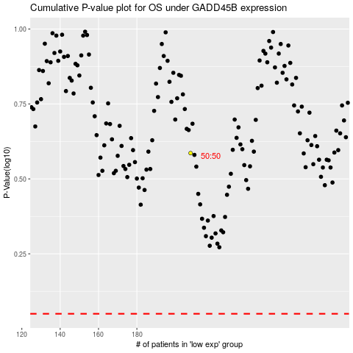

 |  |  |  |  |  | cases_OS | p_OS | rank | exp
 |  |  |  |  |  |  | cases_RFS | p_RFS | rank | exp

