GAL3ST2 _multivariate
Reported by Tex Li-Hsing Chi. tex@gate.sinica.edu.tw 2019-08-19

Table 2. The clinicopathological features of HNSCC cohort and GAL3ST2 expression. (Chi square test)
Cutoff at -0.313 (50.0%)
 |  | GAL3ST2 expression |  | GAL3ST2 expression |  | (Optimised)
 | Features | Low | (%) | High | (%) | Case no | P-value | Remark | Matthews
Gender | Female | 149 | 35.9 | 157 | 37.8 | 415 | 0.4848 | 0 | 0
2 | Male | 58 | 14 | 51 | 12.3
Age at diagnosis | <=65y | 135 | 32.5 | 139 | 33.5 | 415 | 0.8084 | 0 | 0
4 | >65y | 72 | 17.3 | 69 | 16.6
Clinical T Status | T1+T2 | 84 | 20.2 | 65 | 15.7 | 415 | 0.0603 | 0 | 0
6 | T3+T4 | 123 | 29.6 | 143 | 34.5
Clinical N Status | N0 | 111 | 26.7 | 105 | 25.3 | 415 | 0.5875 | 0 | 0
8 | N1-3 | 96 | 23.1 | 103 | 24.8
Clinical M Status | M0 | 204 | 49.2 | 208 | 50.1 | 415 | 0.1232 | 0 | 0
10 | M1 | 3 | 0.7 | 0 | 0
Clinical Stage | Stage I+II | 61 | 14.7 | 41 | 9.9 | 415 | 0.0282 | 1 | 0
12 | Stage III+IV | 146 | 35.2 | 167 | 40.2
Surgical Margin status | Negative | 158 | 38.1 | 160 | 38.6 | 415 | 0.9081 | 0 | 0
14 | Positive | 49 | 11.8 | 48 | 11.6
Tobacco Exposure | Low | 98 | 23.6 | 63 | 15.2 | 415 | 4e-04 | 1 | 0
16 | High | 109 | 26.3 | 145 | 34.9

Table 3. Univariate/Multivariate Cox's proportional hazards regression analyses on OS time of GAL3ST2 gene expression in HNSCC

 |  | Univariate |  |  |  | Multivariate
 | Features | HR | CI95%(L) | CI95%(H) | P-value | HR | CI95%(L) | CI95%(H) | P-value
1 | Female | 1 |  |  |  | 1
Gender | Male | 1.157 | 0.843 | 1.587 | 0.367 | 1.198 | 0.857 | 1.676 | 0.29
11 | <=65y | 1 |  |  |  | 1
Age at diagnosis | >65y | 1.329 | 0.99 | 1.784 | 0.058 | 1.388 | 1.021 | 1.887 | 0.036
12 | T1+T2 | 1 |  |  |  | 1
Clinical T Status | T3+T4 | 1.409 | 1.028 | 1.931 | 0.033 | 2.22 | 1.174 | 4.2 | 0.014
13 | N0 | 1 |  |  |  | 1
Clinical N Status | N1-3 | 1.185 | 0.89 | 1.577 | 0.246 | 1.233 | 0.864 | 1.759 | 0.248
14 | M0 | 1 |  |  |  | 1
Clinical M Status | M1 | 4.097 | 1.009 | 16.644 | 0.049 | 8.928 | 1.937 | 41.151 | 0.005
15 | Stage I+II | 1 |  |  |  | 1
Clinical Stage | Stage III+IV | 1.245 | 0.882 | 1.759 | 0.213 | 0.512 | 0.238 | 1.099 | 0.086
16 | Negative | 1 |  |  |  | 1
Surgical Margin status | Positive | 1.591 | 1.155 | 2.191 | 0.004 | 1.678 | 1.214 | 2.319 | 0.002
17 | Low | 1 |  |  |  | 1
Tobacco Exposure | High | 1.364 | 1.008 | 1.844 | 0.044 | 1.486 | 1.072 | 2.059 | 0.017
18 | Low | 1 |  |  |  | 1
RNAseq(z-score) | High | 0.952 | 0.715 | 1.267 | 0.735 | 0.888 | 0.659 | 1.196 | 0.435

Table 4. Univariate/Multivariate Cox's proportional hazards regression analyses on RFS time of GAL3ST2 gene expression in HNSCC

 |  | Univariate |  |  |  | Multivariate
 | Features | HR | CI95%(L) | CI95%(H) | P-value | HR | CI95%(L) | CI95%(H) | P-value
1 | Female | 1 |  |  |  | 1
Gender | Male | 1.157 | 0.843 | 1.587 | 0.367 | 1.198 | 0.857 | 1.676 | 0.29
11 | <=65y | 1 |  |  |  | 1
Age at diagnosis | >65y | 1.329 | 0.99 | 1.784 | 0.058 | 1.388 | 1.021 | 1.887 | 0.036
12 | T1+T2 | 1 |  |  |  | 1
Clinical T Status | T3+T4 | 1.409 | 1.028 | 1.931 | 0.033 | 2.22 | 1.174 | 4.2 | 0.014
13 | N0 | 1 |  |  |  | 1
Clinical N Status | N1-3 | 1.185 | 0.89 | 1.577 | 0.246 | 1.233 | 0.864 | 1.759 | 0.248
14 | M0 | 1 |  |  |  | 1
Clinical M Status | M1 | 4.097 | 1.009 | 16.644 | 0.049 | 8.928 | 1.937 | 41.151 | 0.005
15 | Stage I+II | 1 |  |  |  | 1
Clinical Stage | Stage III+IV | 1.245 | 0.882 | 1.759 | 0.213 | 0.512 | 0.238 | 1.099 | 0.086
16 | Negative | 1 |  |  |  | 1
Surgical Margin status | Positive | 1.591 | 1.155 | 2.191 | 0.004 | 1.678 | 1.214 | 2.319 | 0.002
17 | Low | 1 |  |  |  | 1
Tobacco Exposure | High | 1.364 | 1.008 | 1.844 | 0.044 | 1.486 | 1.072 | 2.059 | 0.017
18 | Low | 1 |  |  |  | 1
RNAseq(z-score) | High | 0.952 | 0.715 | 1.267 | 0.735 | 0.888 | 0.659 | 1.196 | 0.435

Kaplan-Meier survival estimate: Cutoff at -0.313 (50.0%)



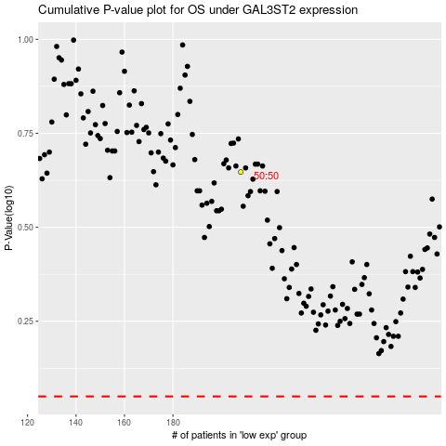

 |  |  |  |  |  | cases_OS | p_OS | rank | exp
 |  |  |  |  |  |  | cases_RFS | p_RFS | rank | exp

