GAL3ST4 _multivariate
Reported by Tex Li-Hsing Chi. tex@gate.sinica.edu.tw 2019-08-19

Table 2. The clinicopathological features of HNSCC cohort and GAL3ST4 expression. (Chi square test)
Cutoff at -0.198 (49.8%)
 |  | GAL3ST4 expression |  | GAL3ST4 expression |  | (Optimised)
 | Features | Low | (%) | High | (%) | Case no | P-value | Remark | Matthews
Gender | Female | 151 | 36.4 | 155 | 37.3 | 415 | 0.8007 | 0 | 0
2 | Male | 56 | 13.5 | 53 | 12.8
Age at diagnosis | <=65y | 134 | 32.3 | 140 | 33.7 | 415 | 0.6529 | 0 | 0
4 | >65y | 73 | 17.6 | 68 | 16.4
Clinical T Status | T1+T2 | 71 | 17.1 | 78 | 18.8 | 415 | 0.5638 | 0 | 0
6 | T3+T4 | 136 | 32.8 | 130 | 31.3
Clinical N Status | N0 | 105 | 25.3 | 111 | 26.7 | 415 | 0.6598 | 0 | 0
8 | N1-3 | 102 | 24.6 | 97 | 23.4
Clinical M Status | M0 | 205 | 49.4 | 207 | 49.9 | 415 | 0.6232 | 0 | 0
10 | M1 | 2 | 0.5 | 1 | 0.2
Clinical Stage | Stage I+II | 48 | 11.6 | 54 | 13 | 415 | 0.5878 | 0 | 0
12 | Stage III+IV | 159 | 38.3 | 154 | 37.1
Surgical Margin status | Negative | 152 | 36.6 | 166 | 40 | 415 | 0.1329 | 0 | 0
14 | Positive | 55 | 13.3 | 42 | 10.1
Tobacco Exposure | Low | 84 | 20.2 | 77 | 18.6 | 415 | 0.4816 | 0 | 0
16 | High | 123 | 29.6 | 131 | 31.6

Table 3. Univariate/Multivariate Cox's proportional hazards regression analyses on OS time of GAL3ST4 gene expression in HNSCC

 |  | Univariate |  |  |  | Multivariate
 | Features | HR | CI95%(L) | CI95%(H) | P-value | HR | CI95%(L) | CI95%(H) | P-value
1 | Female | 1 |  |  |  | 1
Gender | Male | 1.157 | 0.843 | 1.587 | 0.367 | 1.202 | 0.861 | 1.679 | 0.28
11 | <=65y | 1 |  |  |  | 1
Age at diagnosis | >65y | 1.329 | 0.99 | 1.784 | 0.058 | 1.394 | 1.025 | 1.895 | 0.034
12 | T1+T2 | 1 |  |  |  | 1
Clinical T Status | T3+T4 | 1.409 | 1.028 | 1.931 | 0.033 | 2.215 | 1.171 | 4.192 | 0.014
13 | N0 | 1 |  |  |  | 1
Clinical N Status | N1-3 | 1.185 | 0.89 | 1.577 | 0.246 | 1.243 | 0.871 | 1.774 | 0.231
14 | M0 | 1 |  |  |  | 1
Clinical M Status | M1 | 4.097 | 1.009 | 16.644 | 0.049 | 9.539 | 2.078 | 43.796 | 0.004
15 | Stage I+II | 1 |  |  |  | 1
Clinical Stage | Stage III+IV | 1.245 | 0.882 | 1.759 | 0.213 | 0.5 | 0.233 | 1.075 | 0.076
16 | Negative | 1 |  |  |  | 1
Surgical Margin status | Positive | 1.591 | 1.155 | 2.191 | 0.004 | 1.684 | 1.216 | 2.331 | 0.002
17 | Low | 1 |  |  |  | 1
Tobacco Exposure | High | 1.364 | 1.008 | 1.844 | 0.044 | 1.447 | 1.05 | 1.994 | 0.024
18 | Low | 1 |  |  |  | 1
RNAseq(z-score) | High | 1.034 | 0.774 | 1.381 | 0.823 | 1.067 | 0.797 | 1.428 | 0.665

Table 4. Univariate/Multivariate Cox's proportional hazards regression analyses on RFS time of GAL3ST4 gene expression in HNSCC

 |  | Univariate |  |  |  | Multivariate
 | Features | HR | CI95%(L) | CI95%(H) | P-value | HR | CI95%(L) | CI95%(H) | P-value
1 | Female | 1 |  |  |  | 1
Gender | Male | 1.157 | 0.843 | 1.587 | 0.367 | 1.202 | 0.861 | 1.679 | 0.28
11 | <=65y | 1 |  |  |  | 1
Age at diagnosis | >65y | 1.329 | 0.99 | 1.784 | 0.058 | 1.394 | 1.025 | 1.895 | 0.034
12 | T1+T2 | 1 |  |  |  | 1
Clinical T Status | T3+T4 | 1.409 | 1.028 | 1.931 | 0.033 | 2.215 | 1.171 | 4.192 | 0.014
13 | N0 | 1 |  |  |  | 1
Clinical N Status | N1-3 | 1.185 | 0.89 | 1.577 | 0.246 | 1.243 | 0.871 | 1.774 | 0.231
14 | M0 | 1 |  |  |  | 1
Clinical M Status | M1 | 4.097 | 1.009 | 16.644 | 0.049 | 9.539 | 2.078 | 43.796 | 0.004
15 | Stage I+II | 1 |  |  |  | 1
Clinical Stage | Stage III+IV | 1.245 | 0.882 | 1.759 | 0.213 | 0.5 | 0.233 | 1.075 | 0.076
16 | Negative | 1 |  |  |  | 1
Surgical Margin status | Positive | 1.591 | 1.155 | 2.191 | 0.004 | 1.684 | 1.216 | 2.331 | 0.002
17 | Low | 1 |  |  |  | 1
Tobacco Exposure | High | 1.364 | 1.008 | 1.844 | 0.044 | 1.447 | 1.05 | 1.994 | 0.024
18 | Low | 1 |  |  |  | 1
RNAseq(z-score) | High | 1.034 | 0.774 | 1.381 | 0.823 | 1.067 | 0.797 | 1.428 | 0.665

Kaplan-Meier survival estimate: Cutoff at -0.198 (49.8%)



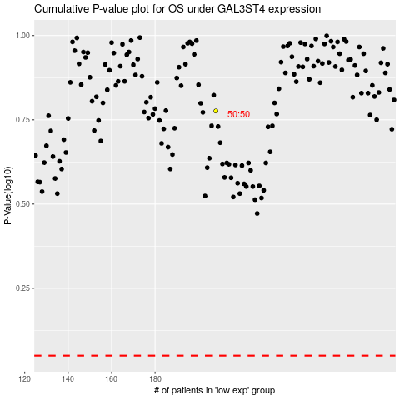

 |  |  |  |  |  | cases_OS | p_OS | rank | exp
 |  |  |  |  |  |  | cases_RFS | p_RFS | rank | exp

