GALE _multivariate
Reported by Tex Li-Hsing Chi. tex@gate.sinica.edu.tw 2019-08-19

Table 2. The clinicopathological features of HNSCC cohort and GALE expression. (Chi square test)
Cutoff at -0.255 (49.8%)
 |  | GALE expression |  | GALE expression |  | (Optimised)
 | Features | Low | (%) | High | (%) | Case no | P-value | Remark | Matthews
Gender | Female | 160 | 38.6 | 146 | 35.2 | 415 | 0.1254 | 0 | 0
2 | Male | 47 | 11.3 | 62 | 14.9
Age at diagnosis | <=65y | 145 | 34.9 | 129 | 31.1 | 415 | 0.1046 | 0 | 0
4 | >65y | 62 | 14.9 | 79 | 19
Clinical T Status | T1+T2 | 78 | 18.8 | 71 | 17.1 | 415 | 0.5152 | 0 | 0
6 | T3+T4 | 129 | 31.1 | 137 | 33
Clinical N Status | N0 | 113 | 27.2 | 103 | 24.8 | 415 | 0.3495 | 1 | 0
8 | N1-3 | 94 | 22.7 | 105 | 25.3
Clinical M Status | M0 | 207 | 49.9 | 205 | 49.4 | 415 | 0.2482 | 0 | 0
10 | M1 | 0 | 0 | 3 | 0.7
Clinical Stage | Stage I+II | 55 | 13.3 | 47 | 11.3 | 415 | 0.4087 | 0 | 0
12 | Stage III+IV | 152 | 36.6 | 161 | 38.8
Surgical Margin status | Negative | 158 | 38.1 | 160 | 38.6 | 415 | 0.9081 | 0 | 0
14 | Positive | 49 | 11.8 | 48 | 11.6
Tobacco Exposure | Low | 73 | 17.6 | 88 | 21.2 | 415 | 0.1587 | 0 | 0
16 | High | 134 | 32.3 | 120 | 28.9

Table 3. Univariate/Multivariate Cox's proportional hazards regression analyses on OS time of GALE gene expression in HNSCC

 |  | Univariate |  |  |  | Multivariate
 | Features | HR | CI95%(L) | CI95%(H) | P-value | HR | CI95%(L) | CI95%(H) | P-value
1 | Female | 1 |  |  |  | 1
Gender | Male | 1.157 | 0.843 | 1.587 | 0.367 | 1.181 | 0.844 | 1.654 | 0.332
11 | <=65y | 1 |  |  |  | 1
Age at diagnosis | >65y | 1.329 | 0.99 | 1.784 | 0.058 | 1.36 | 0.998 | 1.853 | 0.052
12 | T1+T2 | 1 |  |  |  | 1
Clinical T Status | T3+T4 | 1.409 | 1.028 | 1.931 | 0.033 | 2.196 | 1.161 | 4.152 | 0.016
13 | N0 | 1 |  |  |  | 1
Clinical N Status | N1-3 | 1.185 | 0.89 | 1.577 | 0.246 | 1.233 | 0.864 | 1.759 | 0.249
14 | M0 | 1 |  |  |  | 1
Clinical M Status | M1 | 4.097 | 1.009 | 16.644 | 0.049 | 8.624 | 1.868 | 39.822 | 0.006
15 | Stage I+II | 1 |  |  |  | 1
Clinical Stage | Stage III+IV | 1.245 | 0.882 | 1.759 | 0.213 | 0.504 | 0.235 | 1.082 | 0.079
16 | Negative | 1 |  |  |  | 1
Surgical Margin status | Positive | 1.591 | 1.155 | 2.191 | 0.004 | 1.675 | 1.213 | 2.315 | 0.002
17 | Low | 1 |  |  |  | 1
Tobacco Exposure | High | 1.364 | 1.008 | 1.844 | 0.044 | 1.459 | 1.058 | 2.012 | 0.021
18 | Low | 1 |  |  |  | 1
RNAseq(z-score) | High | 1.243 | 0.932 | 1.658 | 0.138 | 1.181 | 0.879 | 1.586 | 0.27

Table 4. Univariate/Multivariate Cox's proportional hazards regression analyses on RFS time of GALE gene expression in HNSCC

 |  | Univariate |  |  |  | Multivariate
 | Features | HR | CI95%(L) | CI95%(H) | P-value | HR | CI95%(L) | CI95%(H) | P-value
1 | Female | 1 |  |  |  | 1
Gender | Male | 1.157 | 0.843 | 1.587 | 0.367 | 1.181 | 0.844 | 1.654 | 0.332
11 | <=65y | 1 |  |  |  | 1
Age at diagnosis | >65y | 1.329 | 0.99 | 1.784 | 0.058 | 1.36 | 0.998 | 1.853 | 0.052
12 | T1+T2 | 1 |  |  |  | 1
Clinical T Status | T3+T4 | 1.409 | 1.028 | 1.931 | 0.033 | 2.196 | 1.161 | 4.152 | 0.016
13 | N0 | 1 |  |  |  | 1
Clinical N Status | N1-3 | 1.185 | 0.89 | 1.577 | 0.246 | 1.233 | 0.864 | 1.759 | 0.249
14 | M0 | 1 |  |  |  | 1
Clinical M Status | M1 | 4.097 | 1.009 | 16.644 | 0.049 | 8.624 | 1.868 | 39.822 | 0.006
15 | Stage I+II | 1 |  |  |  | 1
Clinical Stage | Stage III+IV | 1.245 | 0.882 | 1.759 | 0.213 | 0.504 | 0.235 | 1.082 | 0.079
16 | Negative | 1 |  |  |  | 1
Surgical Margin status | Positive | 1.591 | 1.155 | 2.191 | 0.004 | 1.675 | 1.213 | 2.315 | 0.002
17 | Low | 1 |  |  |  | 1
Tobacco Exposure | High | 1.364 | 1.008 | 1.844 | 0.044 | 1.459 | 1.058 | 2.012 | 0.021
18 | Low | 1 |  |  |  | 1
RNAseq(z-score) | High | 1.243 | 0.932 | 1.658 | 0.138 | 1.181 | 0.879 | 1.586 | 0.27

Kaplan-Meier survival estimate: Cutoff at -0.255 (49.8%)



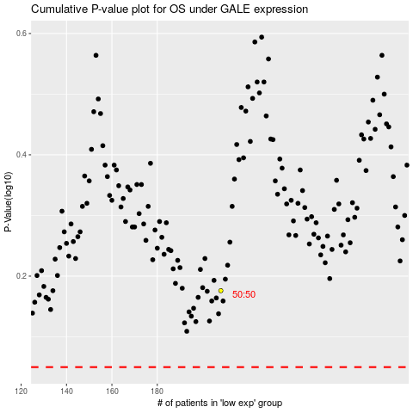

 |  |  |  |  |  | cases_OS | p_OS | rank | exp
 |  |  |  |  |  |  | cases_RFS | p_RFS | rank | exp

