GALNS _multivariate
Reported by Tex Li-Hsing Chi. tex@gate.sinica.edu.tw 2019-08-19

Table 2. The clinicopathological features of HNSCC cohort and GALNS expression. (Chi square test)
Cutoff at -0.466 (32.1%)
 |  | GALNS expression |  | GALNS expression |  | (Optimised)
 | Features | Low | (%) | High | (%) | Case no | P-value | Remark | Matthews
Gender | Female | 96 | 23.1 | 210 | 50.6 | 415 | 0.7079 | 0 | 0
2 | Male | 37 | 8.9 | 72 | 17.3
Age at diagnosis | <=65y | 88 | 21.2 | 186 | 44.8 | 415 | 1 | 0 | 0
4 | >65y | 45 | 10.8 | 96 | 23.1
Clinical T Status | T1+T2 | 62 | 14.9 | 87 | 21 | 415 | 0.0026 | 1 | 0
6 | T3+T4 | 71 | 17.1 | 195 | 47
Clinical N Status | N0 | 69 | 16.6 | 147 | 35.4 | 415 | 1 | 0 | 0
8 | N1-3 | 64 | 15.4 | 135 | 32.5
Clinical M Status | M0 | 133 | 32 | 279 | 67.2 | 415 | 0.5544 | 0 | 0
10 | M1 | 0 | 0 | 3 | 0.7
Clinical Stage | Stage I+II | 38 | 9.2 | 64 | 15.4 | 415 | 0.2399 | 0 | 0
12 | Stage III+IV | 95 | 22.9 | 218 | 52.5
Surgical Margin status | Negative | 95 | 22.9 | 223 | 53.7 | 415 | 0.1058 | 0 | 0
14 | Positive | 38 | 9.2 | 59 | 14.2
Tobacco Exposure | Low | 62 | 14.9 | 99 | 23.9 | 415 | 0.0307 | 1 | 0
16 | High | 71 | 17.1 | 183 | 44.1

Table 3. Univariate/Multivariate Cox's proportional hazards regression analyses on OS time of GALNS gene expression in HNSCC

 |  | Univariate |  |  |  | Multivariate
 | Features | HR | CI95%(L) | CI95%(H) | P-value | HR | CI95%(L) | CI95%(H) | P-value
1 | Female | 1 |  |  |  | 1
Gender | Male | 1.157 | 0.843 | 1.587 | 0.367 | 1.232 | 0.882 | 1.72 | 0.221
11 | <=65y | 1 |  |  |  | 1
Age at diagnosis | >65y | 1.329 | 0.99 | 1.784 | 0.058 | 1.404 | 1.033 | 1.908 | 0.03
12 | T1+T2 | 1 |  |  |  | 1
Clinical T Status | T3+T4 | 1.409 | 1.028 | 1.931 | 0.033 | 1.947 | 1.019 | 3.721 | 0.044
13 | N0 | 1 |  |  |  | 1
Clinical N Status | N1-3 | 1.185 | 0.89 | 1.577 | 0.246 | 1.243 | 0.871 | 1.773 | 0.231
14 | M0 | 1 |  |  |  | 1
Clinical M Status | M1 | 4.097 | 1.009 | 16.644 | 0.049 | 7.753 | 1.676 | 35.878 | 0.009
15 | Stage I+II | 1 |  |  |  | 1
Clinical Stage | Stage III+IV | 1.245 | 0.882 | 1.759 | 0.213 | 0.549 | 0.255 | 1.182 | 0.125
16 | Negative | 1 |  |  |  | 1
Surgical Margin status | Positive | 1.591 | 1.155 | 2.191 | 0.004 | 1.724 | 1.246 | 2.386 | 0.001
17 | Low | 1 |  |  |  | 1
Tobacco Exposure | High | 1.364 | 1.008 | 1.844 | 0.044 | 1.415 | 1.026 | 1.95 | 0.034
18 | Low | 1 |  |  |  | 1
RNAseq(z-score) | High | 1.462 | 1.055 | 2.026 | 0.023 | 1.412 | 1.005 | 1.984 | 0.047

Table 4. Univariate/Multivariate Cox's proportional hazards regression analyses on RFS time of GALNS gene expression in HNSCC

 |  | Univariate |  |  |  | Multivariate
 | Features | HR | CI95%(L) | CI95%(H) | P-value | HR | CI95%(L) | CI95%(H) | P-value
1 | Female | 1 |  |  |  | 1
Gender | Male | 1.157 | 0.843 | 1.587 | 0.367 | 1.232 | 0.882 | 1.72 | 0.221
11 | <=65y | 1 |  |  |  | 1
Age at diagnosis | >65y | 1.329 | 0.99 | 1.784 | 0.058 | 1.404 | 1.033 | 1.908 | 0.03
12 | T1+T2 | 1 |  |  |  | 1
Clinical T Status | T3+T4 | 1.409 | 1.028 | 1.931 | 0.033 | 1.947 | 1.019 | 3.721 | 0.044
13 | N0 | 1 |  |  |  | 1
Clinical N Status | N1-3 | 1.185 | 0.89 | 1.577 | 0.246 | 1.243 | 0.871 | 1.773 | 0.231
14 | M0 | 1 |  |  |  | 1
Clinical M Status | M1 | 4.097 | 1.009 | 16.644 | 0.049 | 7.753 | 1.676 | 35.878 | 0.009
15 | Stage I+II | 1 |  |  |  | 1
Clinical Stage | Stage III+IV | 1.245 | 0.882 | 1.759 | 0.213 | 0.549 | 0.255 | 1.182 | 0.125
16 | Negative | 1 |  |  |  | 1
Surgical Margin status | Positive | 1.591 | 1.155 | 2.191 | 0.004 | 1.724 | 1.246 | 2.386 | 0.001
17 | Low | 1 |  |  |  | 1
Tobacco Exposure | High | 1.364 | 1.008 | 1.844 | 0.044 | 1.415 | 1.026 | 1.95 | 0.034
18 | Low | 1 |  |  |  | 1
RNAseq(z-score) | High | 1.462 | 1.055 | 2.026 | 0.023 | 1.412 | 1.005 | 1.984 | 0.047

Kaplan-Meier survival estimate: Cutoff at -0.466 (32.1%)

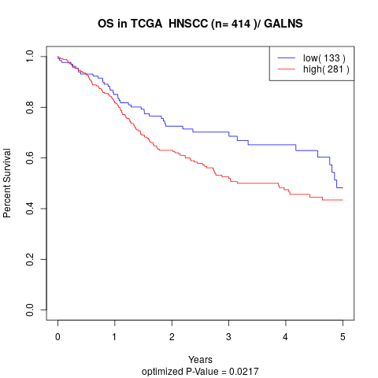

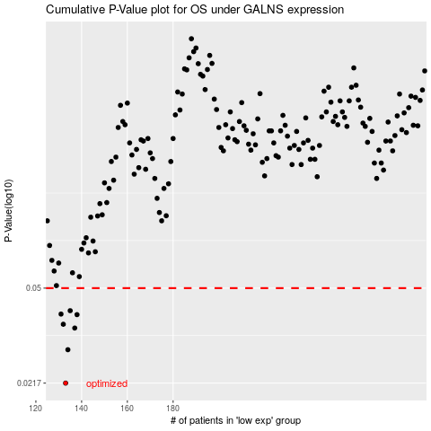

 |  |  |  |  |  | cases_OS | p_OS | rank | exp
 |  |  |  |  |  | 133 | 0.0217 | 284 | -0.46581525841
 |  |  |  |  |  | 134 | 0.0291 | 222 | -0.46225195244
 |  |  |  |  |  | 137 | 0.0352 | 256 | -0.45313430724
 |  |  |  |  |  | 132 | 0.0364 | 230 | -0.46598405923
 |  |  |  |  |  | 138 | 0.0396 | 264 | -0.44660846291
 |  |  |  |  |  | 131 | 0.0398 | 415 | -0.4660109521
 |  |  |  |  |  | 135 | 0.041 | 289 | -0.45468544987
 |  |  |  |  |  |  | cases_RFS | p_RFS | rank | exp
 |  |  |  |  |  |  | 132 | 0.0217 | 230 | -0.46598405923
 |  |  |  |  |  |  | 133 | 0.0291 | 284 | -0.46581525841
 |  |  |  |  |  |  | 136 | 0.0352 | 177 | -0.4535878844
 |  |  |  |  |  |  | 131 | 0.0364 | 415 | -0.4660109521
 |  |  |  |  |  |  | 137 | 0.0396 | 256 | -0.45313430724
 |  |  |  |  |  |  | 130 | 0.0398 | 182 | -0.48629850504
 |  |  |  |  |  |  | 134 | 0.041 | 222 | -0.46225195244

