GALNT1 _multivariate
Reported by Tex Li-Hsing Chi. tex@gate.sinica.edu.tw 2019-08-19

Table 2. The clinicopathological features of HNSCC cohort and GALNT1 expression. (Chi square test)
Cutoff at -0.24 (49.8%)
 |  | GALNT1 expression |  | GALNT1 expression |  | (Optimised)
 | Features | Low | (%) | High | (%) | Case no | P-value | Remark | Matthews
Gender | Female | 155 | 37.3 | 151 | 36.4 | 415 | 0.6768 | 0 | 0
2 | Male | 52 | 12.5 | 57 | 13.7
Age at diagnosis | <=65y | 148 | 35.7 | 126 | 30.4 | 415 | 0.0248 | 1 | 0
4 | >65y | 59 | 14.2 | 82 | 19.8
Clinical T Status | T1+T2 | 85 | 20.5 | 64 | 15.4 | 415 | 0.0372 | 1 | 0
6 | T3+T4 | 122 | 29.4 | 144 | 34.7
Clinical N Status | N0 | 101 | 24.3 | 115 | 27.7 | 415 | 0.2201 | 0 | 0
8 | N1-3 | 106 | 25.5 | 93 | 22.4
Clinical M Status | M0 | 204 | 49.2 | 208 | 50.1 | 415 | 0.1232 | 0 | 0
10 | M1 | 3 | 0.7 | 0 | 0
Clinical Stage | Stage I+II | 52 | 12.5 | 50 | 12 | 415 | 0.8871 | 0 | 0
12 | Stage III+IV | 155 | 37.3 | 158 | 38.1
Surgical Margin status | Negative | 156 | 37.6 | 162 | 39 | 415 | 0.5636 | 0 | 0
14 | Positive | 51 | 12.3 | 46 | 11.1
Tobacco Exposure | Low | 79 | 19 | 82 | 19.8 | 415 | 0.8405 | 0 | 0
16 | High | 128 | 30.8 | 126 | 30.4

Table 3. Univariate/Multivariate Cox's proportional hazards regression analyses on OS time of GALNT1 gene expression in HNSCC

 |  | Univariate |  |  |  | Multivariate
 | Features | HR | CI95%(L) | CI95%(H) | P-value | HR | CI95%(L) | CI95%(H) | P-value
1 | Female | 1 |  |  |  | 1
Gender | Male | 1.157 | 0.843 | 1.587 | 0.367 | 1.201 | 0.858 | 1.68 | 0.286
11 | <=65y | 1 |  |  |  | 1
Age at diagnosis | >65y | 1.329 | 0.99 | 1.784 | 0.058 | 1.397 | 1.027 | 1.899 | 0.033
12 | T1+T2 | 1 |  |  |  | 1
Clinical T Status | T3+T4 | 1.409 | 1.028 | 1.931 | 0.033 | 2.362 | 1.24 | 4.498 | 0.009
13 | N0 | 1 |  |  |  | 1
Clinical N Status | N1-3 | 1.185 | 0.89 | 1.577 | 0.246 | 1.238 | 0.868 | 1.767 | 0.238
14 | M0 | 1 |  |  |  | 1
Clinical M Status | M1 | 4.097 | 1.009 | 16.644 | 0.049 | 9.062 | 1.974 | 41.596 | 0.005
15 | Stage I+II | 1 |  |  |  | 1
Clinical Stage | Stage III+IV | 1.245 | 0.882 | 1.759 | 0.213 | 0.475 | 0.22 | 1.024 | 0.057
16 | Negative | 1 |  |  |  | 1
Surgical Margin status | Positive | 1.591 | 1.155 | 2.191 | 0.004 | 1.697 | 1.227 | 2.348 | 0.001
17 | Low | 1 |  |  |  | 1
Tobacco Exposure | High | 1.364 | 1.008 | 1.844 | 0.044 | 1.469 | 1.065 | 2.027 | 0.019
18 | Low | 1 |  |  |  | 1
RNAseq(z-score) | High | 0.886 | 0.665 | 1.181 | 0.409 | 0.806 | 0.601 | 1.081 | 0.15

Table 4. Univariate/Multivariate Cox's proportional hazards regression analyses on RFS time of GALNT1 gene expression in HNSCC

 |  | Univariate |  |  |  | Multivariate
 | Features | HR | CI95%(L) | CI95%(H) | P-value | HR | CI95%(L) | CI95%(H) | P-value
1 | Female | 1 |  |  |  | 1
Gender | Male | 1.157 | 0.843 | 1.587 | 0.367 | 1.201 | 0.858 | 1.68 | 0.286
11 | <=65y | 1 |  |  |  | 1
Age at diagnosis | >65y | 1.329 | 0.99 | 1.784 | 0.058 | 1.397 | 1.027 | 1.899 | 0.033
12 | T1+T2 | 1 |  |  |  | 1
Clinical T Status | T3+T4 | 1.409 | 1.028 | 1.931 | 0.033 | 2.362 | 1.24 | 4.498 | 0.009
13 | N0 | 1 |  |  |  | 1
Clinical N Status | N1-3 | 1.185 | 0.89 | 1.577 | 0.246 | 1.238 | 0.868 | 1.767 | 0.238
14 | M0 | 1 |  |  |  | 1
Clinical M Status | M1 | 4.097 | 1.009 | 16.644 | 0.049 | 9.062 | 1.974 | 41.596 | 0.005
15 | Stage I+II | 1 |  |  |  | 1
Clinical Stage | Stage III+IV | 1.245 | 0.882 | 1.759 | 0.213 | 0.475 | 0.22 | 1.024 | 0.057
16 | Negative | 1 |  |  |  | 1
Surgical Margin status | Positive | 1.591 | 1.155 | 2.191 | 0.004 | 1.697 | 1.227 | 2.348 | 0.001
17 | Low | 1 |  |  |  | 1
Tobacco Exposure | High | 1.364 | 1.008 | 1.844 | 0.044 | 1.469 | 1.065 | 2.027 | 0.019
18 | Low | 1 |  |  |  | 1
RNAseq(z-score) | High | 0.886 | 0.665 | 1.181 | 0.409 | 0.806 | 0.601 | 1.081 | 0.15

Kaplan-Meier survival estimate: Cutoff at -0.24 (49.8%)



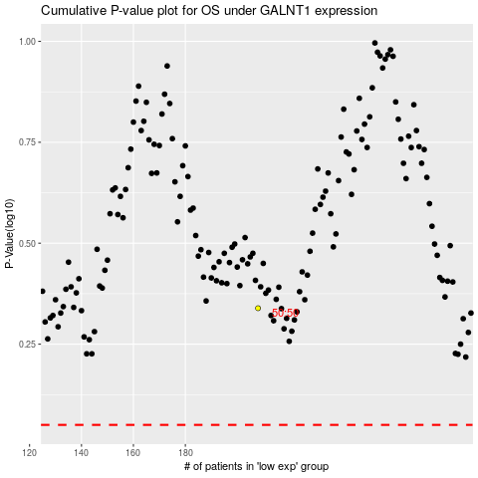

 |  |  |  |  |  | cases_OS | p_OS | rank | exp
 |  |  |  |  |  |  | cases_RFS | p_RFS | rank | exp

