GALNT2 _multivariate
Reported by Tex Li-Hsing Chi. tex@gate.sinica.edu.tw 2019-08-19

Table 2. The clinicopathological features of HNSCC cohort and GALNT2 expression. (Chi square test)
Cutoff at -0.248 (41.8%)
 |  | GALNT2 expression |  | GALNT2 expression |  | (Optimised)
 | Features | Low | (%) | High | (%) | Case no | P-value | Remark | Matthews
Gender | Female | 131 | 31.6 | 175 | 42.2 | 415 | 0.5062 | 0 | 0
2 | Male | 42 | 10.1 | 67 | 16.1
Age at diagnosis | <=65y | 119 | 28.7 | 155 | 37.3 | 415 | 0.3685 | 0 | 0
4 | >65y | 54 | 13 | 87 | 21
Clinical T Status | T1+T2 | 58 | 14 | 91 | 21.9 | 415 | 0.4533 | 0 | 0
6 | T3+T4 | 115 | 27.7 | 151 | 36.4
Clinical N Status | N0 | 93 | 22.4 | 123 | 29.6 | 415 | 0.6244 | 0 | 0
8 | N1-3 | 80 | 19.3 | 119 | 28.7
Clinical M Status | M0 | 173 | 41.7 | 239 | 57.6 | 415 | 0.269 | 0 | 0
10 | M1 | 0 | 0 | 3 | 0.7
Clinical Stage | Stage I+II | 37 | 8.9 | 65 | 15.7 | 415 | 0.2457 | 0 | 0
12 | Stage III+IV | 136 | 32.8 | 177 | 42.7
Surgical Margin status | Negative | 128 | 30.8 | 190 | 45.8 | 415 | 0.2919 | 0 | 0
14 | Positive | 45 | 10.8 | 52 | 12.5
Tobacco Exposure | Low | 63 | 15.2 | 98 | 23.6 | 415 | 0.4154 | 0 | 0
16 | High | 110 | 26.5 | 144 | 34.7

Table 3. Univariate/Multivariate Cox's proportional hazards regression analyses on OS time of GALNT2 gene expression in HNSCC

 |  | Univariate |  |  |  | Multivariate
 | Features | HR | CI95%(L) | CI95%(H) | P-value | HR | CI95%(L) | CI95%(H) | P-value
1 | Female | 1 |  |  |  | 1
Gender | Male | 1.157 | 0.843 | 1.587 | 0.367 | 1.188 | 0.851 | 1.659 | 0.311
11 | <=65y | 1 |  |  |  | 1
Age at diagnosis | >65y | 1.329 | 0.99 | 1.784 | 0.058 | 1.382 | 1.017 | 1.878 | 0.038
12 | T1+T2 | 1 |  |  |  | 1
Clinical T Status | T3+T4 | 1.409 | 1.028 | 1.931 | 0.033 | 2.189 | 1.157 | 4.143 | 0.016
13 | N0 | 1 |  |  |  | 1
Clinical N Status | N1-3 | 1.185 | 0.89 | 1.577 | 0.246 | 1.226 | 0.86 | 1.75 | 0.26
14 | M0 | 1 |  |  |  | 1
Clinical M Status | M1 | 4.097 | 1.009 | 16.644 | 0.049 | 8.294 | 1.8 | 38.205 | 0.007
15 | Stage I+II | 1 |  |  |  | 1
Clinical Stage | Stage III+IV | 1.245 | 0.882 | 1.759 | 0.213 | 0.524 | 0.244 | 1.125 | 0.097
16 | Negative | 1 |  |  |  | 1
Surgical Margin status | Positive | 1.591 | 1.155 | 2.191 | 0.004 | 1.708 | 1.235 | 2.361 | 0.001
17 | Low | 1 |  |  |  | 1
Tobacco Exposure | High | 1.364 | 1.008 | 1.844 | 0.044 | 1.425 | 1.035 | 1.961 | 0.03
18 | Low | 1 |  |  |  | 1
RNAseq(z-score) | High | 1.351 | 1.001 | 1.824 | 0.049 | 1.341 | 0.99 | 1.816 | 0.058

Table 4. Univariate/Multivariate Cox's proportional hazards regression analyses on RFS time of GALNT2 gene expression in HNSCC

 |  | Univariate |  |  |  | Multivariate
 | Features | HR | CI95%(L) | CI95%(H) | P-value | HR | CI95%(L) | CI95%(H) | P-value
1 | Female | 1 |  |  |  | 1
Gender | Male | 1.157 | 0.843 | 1.587 | 0.367 | 1.188 | 0.851 | 1.659 | 0.311
11 | <=65y | 1 |  |  |  | 1
Age at diagnosis | >65y | 1.329 | 0.99 | 1.784 | 0.058 | 1.382 | 1.017 | 1.878 | 0.038
12 | T1+T2 | 1 |  |  |  | 1
Clinical T Status | T3+T4 | 1.409 | 1.028 | 1.931 | 0.033 | 2.189 | 1.157 | 4.143 | 0.016
13 | N0 | 1 |  |  |  | 1
Clinical N Status | N1-3 | 1.185 | 0.89 | 1.577 | 0.246 | 1.226 | 0.86 | 1.75 | 0.26
14 | M0 | 1 |  |  |  | 1
Clinical M Status | M1 | 4.097 | 1.009 | 16.644 | 0.049 | 8.294 | 1.8 | 38.205 | 0.007
15 | Stage I+II | 1 |  |  |  | 1
Clinical Stage | Stage III+IV | 1.245 | 0.882 | 1.759 | 0.213 | 0.524 | 0.244 | 1.125 | 0.097
16 | Negative | 1 |  |  |  | 1
Surgical Margin status | Positive | 1.591 | 1.155 | 2.191 | 0.004 | 1.708 | 1.235 | 2.361 | 0.001
17 | Low | 1 |  |  |  | 1
Tobacco Exposure | High | 1.364 | 1.008 | 1.844 | 0.044 | 1.425 | 1.035 | 1.961 | 0.03
18 | Low | 1 |  |  |  | 1
RNAseq(z-score) | High | 1.351 | 1.001 | 1.824 | 0.049 | 1.341 | 0.99 | 1.816 | 0.058

Kaplan-Meier survival estimate: Cutoff at -0.248 (41.8%)

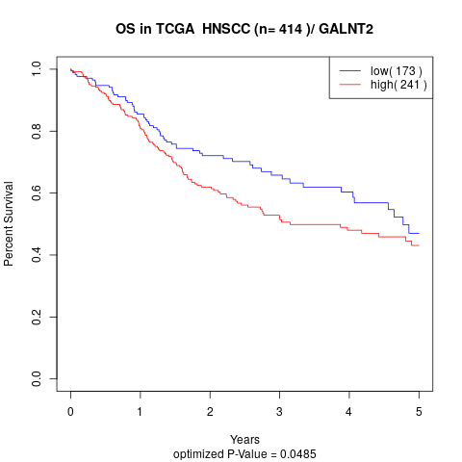

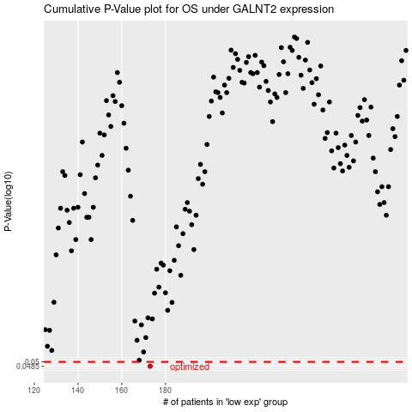

 |  |  |  |  |  | cases_OS | p_OS | rank | exp
 |  |  |  |  |  | 173 | 0.0485 | 370 | -0.24812591168
 |  |  |  |  |  |  | cases_RFS | p_RFS | rank | exp
 |  |  |  |  |  |  | 172 | 0.0485 | 188 | -0.2529645128

