GALNT6 _multivariate
Reported by Tex Li-Hsing Chi. tex@gate.sinica.edu.tw 2019-08-19

Table 2. The clinicopathological features of HNSCC cohort and GALNT6 expression. (Chi square test)
Cutoff at -0.133 (50.0%)
 |  | GALNT6 expression |  | GALNT6 expression |  | (Optimised)
 | Features | Low | (%) | High | (%) | Case no | P-value | Remark | Matthews
Gender | Female | 166 | 40 | 140 | 33.7 | 415 | 0.0041 | 1 | 0
2 | Male | 41 | 9.9 | 68 | 16.4
Age at diagnosis | <=65y | 139 | 33.5 | 135 | 32.5 | 415 | 0.7044 | 0 | 0
4 | >65y | 68 | 16.4 | 73 | 17.6
Clinical T Status | T1+T2 | 74 | 17.8 | 75 | 18.1 | 415 | 1 | 0 | 0
6 | T3+T4 | 133 | 32 | 133 | 32
Clinical N Status | N0 | 106 | 25.5 | 110 | 26.5 | 415 | 0.8075 | 0 | 0
8 | N1-3 | 101 | 24.3 | 98 | 23.6
Clinical M Status | M0 | 206 | 49.6 | 206 | 49.6 | 415 | 1 | 0 | 0
10 | M1 | 1 | 0.2 | 2 | 0.5
Clinical Stage | Stage I+II | 44 | 10.6 | 58 | 14 | 415 | 0.1459 | 0 | 0
12 | Stage III+IV | 163 | 39.3 | 150 | 36.1
Surgical Margin status | Negative | 154 | 37.1 | 164 | 39.5 | 415 | 0.2984 | 0 | 0
14 | Positive | 53 | 12.8 | 44 | 10.6
Tobacco Exposure | Low | 67 | 16.1 | 94 | 22.7 | 415 | 0.0088 | 1 | 0
16 | High | 140 | 33.7 | 114 | 27.5

Table 3. Univariate/Multivariate Cox's proportional hazards regression analyses on OS time of GALNT6 gene expression in HNSCC

 |  | Univariate |  |  |  | Multivariate
 | Features | HR | CI95%(L) | CI95%(H) | P-value | HR | CI95%(L) | CI95%(H) | P-value
1 | Female | 1 |  |  |  | 1
Gender | Male | 1.157 | 0.843 | 1.587 | 0.367 | 1.234 | 0.881 | 1.728 | 0.222
11 | <=65y | 1 |  |  |  | 1
Age at diagnosis | >65y | 1.329 | 0.99 | 1.784 | 0.058 | 1.401 | 1.03 | 1.904 | 0.031
12 | T1+T2 | 1 |  |  |  | 1
Clinical T Status | T3+T4 | 1.409 | 1.028 | 1.931 | 0.033 | 2.272 | 1.199 | 4.307 | 0.012
13 | N0 | 1 |  |  |  | 1
Clinical N Status | N1-3 | 1.185 | 0.89 | 1.577 | 0.246 | 1.255 | 0.878 | 1.792 | 0.213
14 | M0 | 1 |  |  |  | 1
Clinical M Status | M1 | 4.097 | 1.009 | 16.644 | 0.049 | 10.212 | 2.212 | 47.148 | 0.003
15 | Stage I+II | 1 |  |  |  | 1
Clinical Stage | Stage III+IV | 1.245 | 0.882 | 1.759 | 0.213 | 0.48 | 0.223 | 1.036 | 0.062
16 | Negative | 1 |  |  |  | 1
Surgical Margin status | Positive | 1.591 | 1.155 | 2.191 | 0.004 | 1.653 | 1.195 | 2.285 | 0.002
17 | Low | 1 |  |  |  | 1
Tobacco Exposure | High | 1.364 | 1.008 | 1.844 | 0.044 | 1.414 | 1.024 | 1.952 | 0.036
18 | Low | 1 |  |  |  | 1
RNAseq(z-score) | High | 0.86 | 0.645 | 1.147 | 0.306 | 0.843 | 0.624 | 1.139 | 0.266

Table 4. Univariate/Multivariate Cox's proportional hazards regression analyses on RFS time of GALNT6 gene expression in HNSCC

 |  | Univariate |  |  |  | Multivariate
 | Features | HR | CI95%(L) | CI95%(H) | P-value | HR | CI95%(L) | CI95%(H) | P-value
1 | Female | 1 |  |  |  | 1
Gender | Male | 1.157 | 0.843 | 1.587 | 0.367 | 1.234 | 0.881 | 1.728 | 0.222
11 | <=65y | 1 |  |  |  | 1
Age at diagnosis | >65y | 1.329 | 0.99 | 1.784 | 0.058 | 1.401 | 1.03 | 1.904 | 0.031
12 | T1+T2 | 1 |  |  |  | 1
Clinical T Status | T3+T4 | 1.409 | 1.028 | 1.931 | 0.033 | 2.272 | 1.199 | 4.307 | 0.012
13 | N0 | 1 |  |  |  | 1
Clinical N Status | N1-3 | 1.185 | 0.89 | 1.577 | 0.246 | 1.255 | 0.878 | 1.792 | 0.213
14 | M0 | 1 |  |  |  | 1
Clinical M Status | M1 | 4.097 | 1.009 | 16.644 | 0.049 | 10.212 | 2.212 | 47.148 | 0.003
15 | Stage I+II | 1 |  |  |  | 1
Clinical Stage | Stage III+IV | 1.245 | 0.882 | 1.759 | 0.213 | 0.48 | 0.223 | 1.036 | 0.062
16 | Negative | 1 |  |  |  | 1
Surgical Margin status | Positive | 1.591 | 1.155 | 2.191 | 0.004 | 1.653 | 1.195 | 2.285 | 0.002
17 | Low | 1 |  |  |  | 1
Tobacco Exposure | High | 1.364 | 1.008 | 1.844 | 0.044 | 1.414 | 1.024 | 1.952 | 0.036
18 | Low | 1 |  |  |  | 1
RNAseq(z-score) | High | 0.86 | 0.645 | 1.147 | 0.306 | 0.843 | 0.624 | 1.139 | 0.266

Kaplan-Meier survival estimate: Cutoff at -0.133 (50.0%)



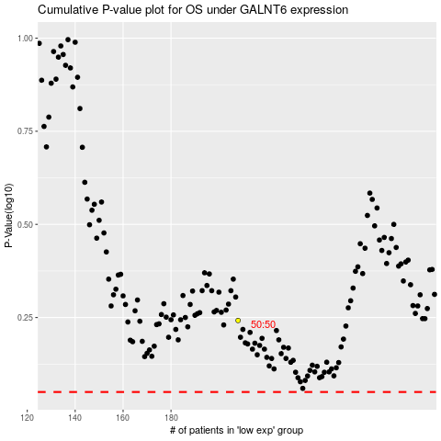

 |  |  |  |  |  | cases_OS | p_OS | rank | exp
 |  |  |  |  |  |  | cases_RFS | p_RFS | rank | exp

