GALNTL2 _multivariate
Reported by Tex Li-Hsing Chi. tex@gate.sinica.edu.tw 2019-08-19

Table 2. The clinicopathological features of HNSCC cohort and GALNTL2 expression. (Chi square test)
Cutoff at -0.322 (50.0%)
 |  | GALNTL2 expression |  | GALNTL2 expression |  | (Optimised)
 | Features | Low | (%) | High | (%) | Case no | P-value | Remark | Matthews
Gender | Female | 154 | 37.1 | 152 | 36.6 | 415 | 0.8463 | 0 | 0
2 | Male | 53 | 12.8 | 56 | 13.5
Age at diagnosis | <=65y | 149 | 35.9 | 125 | 30.1 | 415 | 0.0142 | 1 | 0
4 | >65y | 58 | 14 | 83 | 20
Clinical T Status | T1+T2 | 78 | 18.8 | 71 | 17.1 | 415 | 0.5152 | 0 | 0
6 | T3+T4 | 129 | 31.1 | 137 | 33
Clinical N Status | N0 | 107 | 25.8 | 109 | 26.3 | 415 | 0.9624 | 0 | 0
8 | N1-3 | 100 | 24.1 | 99 | 23.9
Clinical M Status | M0 | 204 | 49.2 | 208 | 50.1 | 415 | 0.1232 | 0 | 0
10 | M1 | 3 | 0.7 | 0 | 0
Clinical Stage | Stage I+II | 48 | 11.6 | 54 | 13 | 415 | 0.5878 | 0 | 0
12 | Stage III+IV | 159 | 38.3 | 154 | 37.1
Surgical Margin status | Negative | 160 | 38.6 | 158 | 38.1 | 415 | 0.8167 | 0 | 0
14 | Positive | 47 | 11.3 | 50 | 12
Tobacco Exposure | Low | 89 | 21.4 | 72 | 17.3 | 415 | 0.0872 | 0 | 0
16 | High | 118 | 28.4 | 136 | 32.8

Table 3. Univariate/Multivariate Cox's proportional hazards regression analyses on OS time of GALNTL2 gene expression in HNSCC

 |  | Univariate |  |  |  | Multivariate
 | Features | HR | CI95%(L) | CI95%(H) | P-value | HR | CI95%(L) | CI95%(H) | P-value
1 | Female | 1 |  |  |  | 1
Gender | Male | 1.157 | 0.843 | 1.587 | 0.367 | 1.201 | 0.86 | 1.678 | 0.282
11 | <=65y | 1 |  |  |  | 1
Age at diagnosis | >65y | 1.329 | 0.99 | 1.784 | 0.058 | 1.388 | 1.018 | 1.892 | 0.038
12 | T1+T2 | 1 |  |  |  | 1
Clinical T Status | T3+T4 | 1.409 | 1.028 | 1.931 | 0.033 | 2.195 | 1.158 | 4.16 | 0.016
13 | N0 | 1 |  |  |  | 1
Clinical N Status | N1-3 | 1.185 | 0.89 | 1.577 | 0.246 | 1.241 | 0.869 | 1.77 | 0.235
14 | M0 | 1 |  |  |  | 1
Clinical M Status | M1 | 4.097 | 1.009 | 16.644 | 0.049 | 9.463 | 2.058 | 43.513 | 0.004
15 | Stage I+II | 1 |  |  |  | 1
Clinical Stage | Stage III+IV | 1.245 | 0.882 | 1.759 | 0.213 | 0.506 | 0.235 | 1.088 | 0.081
16 | Negative | 1 |  |  |  | 1
Surgical Margin status | Positive | 1.591 | 1.155 | 2.191 | 0.004 | 1.671 | 1.209 | 2.309 | 0.002
17 | Low | 1 |  |  |  | 1
Tobacco Exposure | High | 1.364 | 1.008 | 1.844 | 0.044 | 1.45 | 1.051 | 2.001 | 0.024
18 | Low | 1 |  |  |  | 1
RNAseq(z-score) | High | 1.108 | 0.829 | 1.482 | 0.488 | 1.019 | 0.757 | 1.371 | 0.903

Table 4. Univariate/Multivariate Cox's proportional hazards regression analyses on RFS time of GALNTL2 gene expression in HNSCC

 |  | Univariate |  |  |  | Multivariate
 | Features | HR | CI95%(L) | CI95%(H) | P-value | HR | CI95%(L) | CI95%(H) | P-value
1 | Female | 1 |  |  |  | 1
Gender | Male | 1.157 | 0.843 | 1.587 | 0.367 | 1.201 | 0.86 | 1.678 | 0.282
11 | <=65y | 1 |  |  |  | 1
Age at diagnosis | >65y | 1.329 | 0.99 | 1.784 | 0.058 | 1.388 | 1.018 | 1.892 | 0.038
12 | T1+T2 | 1 |  |  |  | 1
Clinical T Status | T3+T4 | 1.409 | 1.028 | 1.931 | 0.033 | 2.195 | 1.158 | 4.16 | 0.016
13 | N0 | 1 |  |  |  | 1
Clinical N Status | N1-3 | 1.185 | 0.89 | 1.577 | 0.246 | 1.241 | 0.869 | 1.77 | 0.235
14 | M0 | 1 |  |  |  | 1
Clinical M Status | M1 | 4.097 | 1.009 | 16.644 | 0.049 | 9.463 | 2.058 | 43.513 | 0.004
15 | Stage I+II | 1 |  |  |  | 1
Clinical Stage | Stage III+IV | 1.245 | 0.882 | 1.759 | 0.213 | 0.506 | 0.235 | 1.088 | 0.081
16 | Negative | 1 |  |  |  | 1
Surgical Margin status | Positive | 1.591 | 1.155 | 2.191 | 0.004 | 1.671 | 1.209 | 2.309 | 0.002
17 | Low | 1 |  |  |  | 1
Tobacco Exposure | High | 1.364 | 1.008 | 1.844 | 0.044 | 1.45 | 1.051 | 2.001 | 0.024
18 | Low | 1 |  |  |  | 1
RNAseq(z-score) | High | 1.108 | 0.829 | 1.482 | 0.488 | 1.019 | 0.757 | 1.371 | 0.903

Kaplan-Meier survival estimate: Cutoff at -0.322 (50.0%)



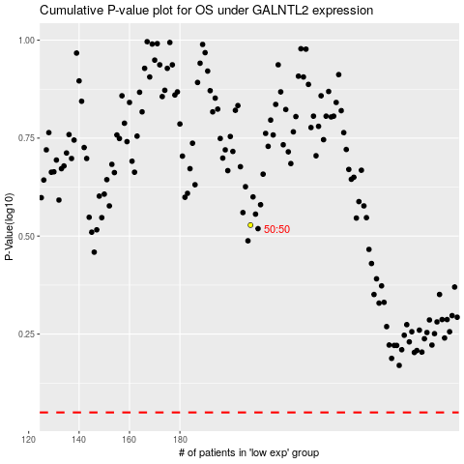

 |  |  |  |  |  | cases_OS | p_OS | rank | exp
 |  |  |  |  |  |  | cases_RFS | p_RFS | rank | exp

