GALNTL4 _multivariate
Reported by Tex Li-Hsing Chi. tex@gate.sinica.edu.tw 2019-08-19

Table 2. The clinicopathological features of HNSCC cohort and GALNTL4 expression. (Chi square test)
Cutoff at 0.002 (49.8%)
 |  | GALNTL4 expression |  | GALNTL4 expression |  | (Optimised)
 | Features | Low | (%) | High | (%) | Case no | P-value | Remark | Matthews
Gender | Female | 152 | 36.6 | 154 | 37.1 | 415 | 0.9766 | 0 | 0
2 | Male | 55 | 13.3 | 54 | 13
Age at diagnosis | <=65y | 131 | 31.6 | 143 | 34.5 | 415 | 0.2839 | 0 | 0
4 | >65y | 76 | 18.3 | 65 | 15.7
Clinical T Status | T1+T2 | 80 | 19.3 | 69 | 16.6 | 415 | 0.2891 | 0 | 0
6 | T3+T4 | 127 | 30.6 | 139 | 33.5
Clinical N Status | N0 | 106 | 25.5 | 110 | 26.5 | 415 | 0.8075 | 0 | 0
8 | N1-3 | 101 | 24.3 | 98 | 23.6
Clinical M Status | M0 | 206 | 49.6 | 206 | 49.6 | 415 | 1 | 0 | 0
10 | M1 | 1 | 0.2 | 2 | 0.5
Clinical Stage | Stage I+II | 54 | 13 | 48 | 11.6 | 415 | 0.5498 | 0 | 0
12 | Stage III+IV | 153 | 36.9 | 160 | 38.6
Surgical Margin status | Negative | 157 | 37.8 | 161 | 38.8 | 415 | 0.729 | 0 | 0
14 | Positive | 50 | 12 | 47 | 11.3
Tobacco Exposure | Low | 80 | 19.3 | 81 | 19.5 | 415 | 1 | 0 | 0
16 | High | 127 | 30.6 | 127 | 30.6

Table 3. Univariate/Multivariate Cox's proportional hazards regression analyses on OS time of GALNTL4 gene expression in HNSCC

 |  | Univariate |  |  |  | Multivariate
 | Features | HR | CI95%(L) | CI95%(H) | P-value | HR | CI95%(L) | CI95%(H) | P-value
1 | Female | 1 |  |  |  | 1
Gender | Male | 1.157 | 0.843 | 1.587 | 0.367 | 1.194 | 0.854 | 1.668 | 0.299
11 | <=65y | 1 |  |  |  | 1
Age at diagnosis | >65y | 1.329 | 0.99 | 1.784 | 0.058 | 1.352 | 0.99 | 1.846 | 0.058
12 | T1+T2 | 1 |  |  |  | 1
Clinical T Status | T3+T4 | 1.409 | 1.028 | 1.931 | 0.033 | 2.252 | 1.19 | 4.264 | 0.013
13 | N0 | 1 |  |  |  | 1
Clinical N Status | N1-3 | 1.185 | 0.89 | 1.577 | 0.246 | 1.236 | 0.866 | 1.764 | 0.244
14 | M0 | 1 |  |  |  | 1
Clinical M Status | M1 | 4.097 | 1.009 | 16.644 | 0.049 | 10.046 | 2.181 | 46.268 | 0.003
15 | Stage I+II | 1 |  |  |  | 1
Clinical Stage | Stage III+IV | 1.245 | 0.882 | 1.759 | 0.213 | 0.502 | 0.234 | 1.078 | 0.077
16 | Negative | 1 |  |  |  | 1
Surgical Margin status | Positive | 1.591 | 1.155 | 2.191 | 0.004 | 1.681 | 1.216 | 2.322 | 0.002
17 | Low | 1 |  |  |  | 1
Tobacco Exposure | High | 1.364 | 1.008 | 1.844 | 0.044 | 1.48 | 1.072 | 2.043 | 0.017
18 | Low | 1 |  |  |  | 1
RNAseq(z-score) | High | 0.889 | 0.667 | 1.185 | 0.421 | 0.844 | 0.627 | 1.137 | 0.265

Table 4. Univariate/Multivariate Cox's proportional hazards regression analyses on RFS time of GALNTL4 gene expression in HNSCC

 |  | Univariate |  |  |  | Multivariate
 | Features | HR | CI95%(L) | CI95%(H) | P-value | HR | CI95%(L) | CI95%(H) | P-value
1 | Female | 1 |  |  |  | 1
Gender | Male | 1.157 | 0.843 | 1.587 | 0.367 | 1.194 | 0.854 | 1.668 | 0.299
11 | <=65y | 1 |  |  |  | 1
Age at diagnosis | >65y | 1.329 | 0.99 | 1.784 | 0.058 | 1.352 | 0.99 | 1.846 | 0.058
12 | T1+T2 | 1 |  |  |  | 1
Clinical T Status | T3+T4 | 1.409 | 1.028 | 1.931 | 0.033 | 2.252 | 1.19 | 4.264 | 0.013
13 | N0 | 1 |  |  |  | 1
Clinical N Status | N1-3 | 1.185 | 0.89 | 1.577 | 0.246 | 1.236 | 0.866 | 1.764 | 0.244
14 | M0 | 1 |  |  |  | 1
Clinical M Status | M1 | 4.097 | 1.009 | 16.644 | 0.049 | 10.046 | 2.181 | 46.268 | 0.003
15 | Stage I+II | 1 |  |  |  | 1
Clinical Stage | Stage III+IV | 1.245 | 0.882 | 1.759 | 0.213 | 0.502 | 0.234 | 1.078 | 0.077
16 | Negative | 1 |  |  |  | 1
Surgical Margin status | Positive | 1.591 | 1.155 | 2.191 | 0.004 | 1.681 | 1.216 | 2.322 | 0.002
17 | Low | 1 |  |  |  | 1
Tobacco Exposure | High | 1.364 | 1.008 | 1.844 | 0.044 | 1.48 | 1.072 | 2.043 | 0.017
18 | Low | 1 |  |  |  | 1
RNAseq(z-score) | High | 0.889 | 0.667 | 1.185 | 0.421 | 0.844 | 0.627 | 1.137 | 0.265

Kaplan-Meier survival estimate: Cutoff at 0.002 (49.8%)



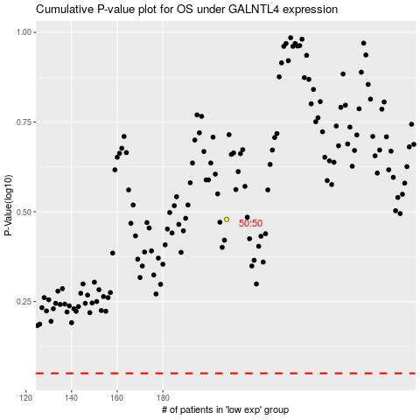

 |  |  |  |  |  | cases_OS | p_OS | rank | exp
 |  |  |  |  |  |  | cases_RFS | p_RFS | rank | exp

