GALR2 _multivariate
Reported by Tex Li-Hsing Chi. tex@gate.sinica.edu.tw 2019-08-19

Table 2. The clinicopathological features of HNSCC cohort and GALR2 expression. (Chi square test)
Cutoff at -0.147 (49.8%)
 |  | GALR2 expression |  | GALR2 expression |  | (Optimised)
 | Features | Low | (%) | High | (%) | Case no | P-value | Remark | Matthews
Gender | Female | 142 | 34.2 | 164 | 39.5 | 415 | 0.0238 | 1 | 0
2 | Male | 65 | 15.7 | 44 | 10.6
Age at diagnosis | <=65y | 137 | 33 | 137 | 33 | 415 | 1 | 0 | 0
4 | >65y | 70 | 16.9 | 71 | 17.1
Clinical T Status | T1+T2 | 79 | 19 | 70 | 16.9 | 415 | 0.3924 | 0 | 0
6 | T3+T4 | 128 | 30.8 | 138 | 33.3
Clinical N Status | N0 | 104 | 25.1 | 112 | 27 | 415 | 0.5243 | 0 | 0
8 | N1-3 | 103 | 24.8 | 96 | 23.1
Clinical M Status | M0 | 205 | 49.4 | 207 | 49.9 | 415 | 0.6232 | 0 | 0
10 | M1 | 2 | 0.5 | 1 | 0.2
Clinical Stage | Stage I+II | 51 | 12.3 | 51 | 12.3 | 415 | 1 | 0 | 0
12 | Stage III+IV | 156 | 37.6 | 157 | 37.8
Surgical Margin status | Negative | 153 | 36.9 | 165 | 39.8 | 415 | 0.2036 | 0 | 0
14 | Positive | 54 | 13 | 43 | 10.4
Tobacco Exposure | Low | 97 | 23.4 | 64 | 15.4 | 415 | 9e-04 | 1 | 0
16 | High | 110 | 26.5 | 144 | 34.7

Table 3. Univariate/Multivariate Cox's proportional hazards regression analyses on OS time of GALR2 gene expression in HNSCC

 |  | Univariate |  |  |  | Multivariate
 | Features | HR | CI95%(L) | CI95%(H) | P-value | HR | CI95%(L) | CI95%(H) | P-value
1 | Female | 1 |  |  |  | 1
Gender | Male | 1.157 | 0.843 | 1.587 | 0.367 | 1.185 | 0.847 | 1.658 | 0.321
11 | <=65y | 1 |  |  |  | 1
Age at diagnosis | >65y | 1.329 | 0.99 | 1.784 | 0.058 | 1.402 | 1.031 | 1.907 | 0.031
12 | T1+T2 | 1 |  |  |  | 1
Clinical T Status | T3+T4 | 1.409 | 1.028 | 1.931 | 0.033 | 2.223 | 1.176 | 4.205 | 0.014
13 | N0 | 1 |  |  |  | 1
Clinical N Status | N1-3 | 1.185 | 0.89 | 1.577 | 0.246 | 1.254 | 0.879 | 1.79 | 0.213
14 | M0 | 1 |  |  |  | 1
Clinical M Status | M1 | 4.097 | 1.009 | 16.644 | 0.049 | 9.307 | 2.03 | 42.667 | 0.004
15 | Stage I+II | 1 |  |  |  | 1
Clinical Stage | Stage III+IV | 1.245 | 0.882 | 1.759 | 0.213 | 0.498 | 0.232 | 1.07 | 0.074
16 | Negative | 1 |  |  |  | 1
Surgical Margin status | Positive | 1.591 | 1.155 | 2.191 | 0.004 | 1.643 | 1.186 | 2.275 | 0.003
17 | Low | 1 |  |  |  | 1
Tobacco Exposure | High | 1.364 | 1.008 | 1.844 | 0.044 | 1.483 | 1.072 | 2.05 | 0.017
18 | Low | 1 |  |  |  | 1
RNAseq(z-score) | High | 0.912 | 0.684 | 1.216 | 0.531 | 0.882 | 0.656 | 1.187 | 0.407

Table 4. Univariate/Multivariate Cox's proportional hazards regression analyses on RFS time of GALR2 gene expression in HNSCC

 |  | Univariate |  |  |  | Multivariate
 | Features | HR | CI95%(L) | CI95%(H) | P-value | HR | CI95%(L) | CI95%(H) | P-value
1 | Female | 1 |  |  |  | 1
Gender | Male | 1.157 | 0.843 | 1.587 | 0.367 | 1.185 | 0.847 | 1.658 | 0.321
11 | <=65y | 1 |  |  |  | 1
Age at diagnosis | >65y | 1.329 | 0.99 | 1.784 | 0.058 | 1.402 | 1.031 | 1.907 | 0.031
12 | T1+T2 | 1 |  |  |  | 1
Clinical T Status | T3+T4 | 1.409 | 1.028 | 1.931 | 0.033 | 2.223 | 1.176 | 4.205 | 0.014
13 | N0 | 1 |  |  |  | 1
Clinical N Status | N1-3 | 1.185 | 0.89 | 1.577 | 0.246 | 1.254 | 0.879 | 1.79 | 0.213
14 | M0 | 1 |  |  |  | 1
Clinical M Status | M1 | 4.097 | 1.009 | 16.644 | 0.049 | 9.307 | 2.03 | 42.667 | 0.004
15 | Stage I+II | 1 |  |  |  | 1
Clinical Stage | Stage III+IV | 1.245 | 0.882 | 1.759 | 0.213 | 0.498 | 0.232 | 1.07 | 0.074
16 | Negative | 1 |  |  |  | 1
Surgical Margin status | Positive | 1.591 | 1.155 | 2.191 | 0.004 | 1.643 | 1.186 | 2.275 | 0.003
17 | Low | 1 |  |  |  | 1
Tobacco Exposure | High | 1.364 | 1.008 | 1.844 | 0.044 | 1.483 | 1.072 | 2.05 | 0.017
18 | Low | 1 |  |  |  | 1
RNAseq(z-score) | High | 0.912 | 0.684 | 1.216 | 0.531 | 0.882 | 0.656 | 1.187 | 0.407

Kaplan-Meier survival estimate: Cutoff at -0.147 (49.8%)



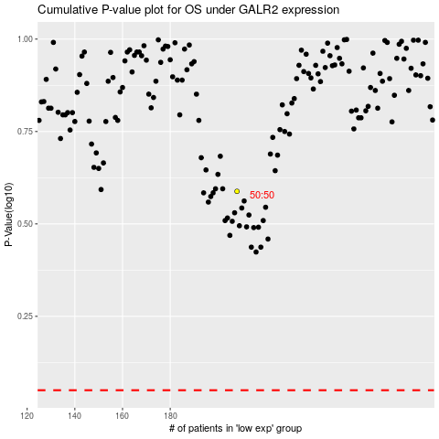

 |  |  |  |  |  | cases_OS | p_OS | rank | exp
 |  |  |  |  |  |  | cases_RFS | p_RFS | rank | exp

