GALT _multivariate
Reported by Tex Li-Hsing Chi. tex@gate.sinica.edu.tw 2019-08-19

Table 2. The clinicopathological features of HNSCC cohort and GALT expression. (Chi square test)
Cutoff at -0.237 (49.8%)
 |  | GALT expression |  | GALT expression |  | (Optimised)
 | Features | Low | (%) | High | (%) | Case no | P-value | Remark | Matthews
Gender | Female | 162 | 39 | 144 | 34.7 | 415 | 0.0479 | 1 | 0
2 | Male | 45 | 10.8 | 64 | 15.4
Age at diagnosis | <=65y | 147 | 35.4 | 127 | 30.6 | 415 | 0.0416 | 1 | 0
4 | >65y | 60 | 14.5 | 81 | 19.5
Clinical T Status | T1+T2 | 64 | 15.4 | 85 | 20.5 | 415 | 0.0445 | 1 | 0
6 | T3+T4 | 143 | 34.5 | 123 | 29.6
Clinical N Status | N0 | 105 | 25.3 | 111 | 26.7 | 415 | 0.6598 | 0 | 0
8 | N1-3 | 102 | 24.6 | 97 | 23.4
Clinical M Status | M0 | 207 | 49.9 | 205 | 49.4 | 415 | 0.2482 | 0 | 0
10 | M1 | 0 | 0 | 3 | 0.7
Clinical Stage | Stage I+II | 41 | 9.9 | 61 | 14.7 | 415 | 0.0325 | 1 | 0
12 | Stage III+IV | 166 | 40 | 147 | 35.4
Surgical Margin status | Negative | 161 | 38.8 | 157 | 37.8 | 415 | 0.6429 | 0 | 0
14 | Positive | 46 | 11.1 | 51 | 12.3
Tobacco Exposure | Low | 72 | 17.3 | 89 | 21.4 | 415 | 0.1071 | 0 | 0
16 | High | 135 | 32.5 | 119 | 28.7

Table 3. Univariate/Multivariate Cox's proportional hazards regression analyses on OS time of GALT gene expression in HNSCC

 |  | Univariate |  |  |  | Multivariate
 | Features | HR | CI95%(L) | CI95%(H) | P-value | HR | CI95%(L) | CI95%(H) | P-value
1 | Female | 1 |  |  |  | 1
Gender | Male | 1.157 | 0.843 | 1.587 | 0.367 | 1.186 | 0.847 | 1.662 | 0.321
11 | <=65y | 1 |  |  |  | 1
Age at diagnosis | >65y | 1.329 | 0.99 | 1.784 | 0.058 | 1.385 | 1.018 | 1.884 | 0.038
12 | T1+T2 | 1 |  |  |  | 1
Clinical T Status | T3+T4 | 1.409 | 1.028 | 1.931 | 0.033 | 2.195 | 1.161 | 4.153 | 0.016
13 | N0 | 1 |  |  |  | 1
Clinical N Status | N1-3 | 1.185 | 0.89 | 1.577 | 0.246 | 1.238 | 0.867 | 1.766 | 0.24
14 | M0 | 1 |  |  |  | 1
Clinical M Status | M1 | 4.097 | 1.009 | 16.644 | 0.049 | 8.94 | 1.93 | 41.405 | 0.005
15 | Stage I+II | 1 |  |  |  | 1
Clinical Stage | Stage III+IV | 1.245 | 0.882 | 1.759 | 0.213 | 0.512 | 0.238 | 1.1 | 0.086
16 | Negative | 1 |  |  |  | 1
Surgical Margin status | Positive | 1.591 | 1.155 | 2.191 | 0.004 | 1.661 | 1.201 | 2.297 | 0.002
17 | Low | 1 |  |  |  | 1
Tobacco Exposure | High | 1.364 | 1.008 | 1.844 | 0.044 | 1.467 | 1.062 | 2.025 | 0.02
18 | Low | 1 |  |  |  | 1
RNAseq(z-score) | High | 1.146 | 0.858 | 1.53 | 0.357 | 1.089 | 0.806 | 1.472 | 0.577

Table 4. Univariate/Multivariate Cox's proportional hazards regression analyses on RFS time of GALT gene expression in HNSCC

 |  | Univariate |  |  |  | Multivariate
 | Features | HR | CI95%(L) | CI95%(H) | P-value | HR | CI95%(L) | CI95%(H) | P-value
1 | Female | 1 |  |  |  | 1
Gender | Male | 1.157 | 0.843 | 1.587 | 0.367 | 1.186 | 0.847 | 1.662 | 0.321
11 | <=65y | 1 |  |  |  | 1
Age at diagnosis | >65y | 1.329 | 0.99 | 1.784 | 0.058 | 1.385 | 1.018 | 1.884 | 0.038
12 | T1+T2 | 1 |  |  |  | 1
Clinical T Status | T3+T4 | 1.409 | 1.028 | 1.931 | 0.033 | 2.195 | 1.161 | 4.153 | 0.016
13 | N0 | 1 |  |  |  | 1
Clinical N Status | N1-3 | 1.185 | 0.89 | 1.577 | 0.246 | 1.238 | 0.867 | 1.766 | 0.24
14 | M0 | 1 |  |  |  | 1
Clinical M Status | M1 | 4.097 | 1.009 | 16.644 | 0.049 | 8.94 | 1.93 | 41.405 | 0.005
15 | Stage I+II | 1 |  |  |  | 1
Clinical Stage | Stage III+IV | 1.245 | 0.882 | 1.759 | 0.213 | 0.512 | 0.238 | 1.1 | 0.086
16 | Negative | 1 |  |  |  | 1
Surgical Margin status | Positive | 1.591 | 1.155 | 2.191 | 0.004 | 1.661 | 1.201 | 2.297 | 0.002
17 | Low | 1 |  |  |  | 1
Tobacco Exposure | High | 1.364 | 1.008 | 1.844 | 0.044 | 1.467 | 1.062 | 2.025 | 0.02
18 | Low | 1 |  |  |  | 1
RNAseq(z-score) | High | 1.146 | 0.858 | 1.53 | 0.357 | 1.089 | 0.806 | 1.472 | 0.577

Kaplan-Meier survival estimate: Cutoff at -0.237 (49.8%)



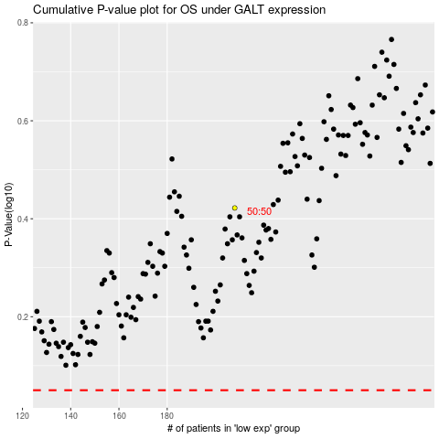

 |  |  |  |  |  | cases_OS | p_OS | rank | exp
 |  |  |  |  |  |  | cases_RFS | p_RFS | rank | exp

