GAN _multivariate
Reported by Tex Li-Hsing Chi. tex@gate.sinica.edu.tw 2019-08-19

Table 2. The clinicopathological features of HNSCC cohort and GAN expression. (Chi square test)
Cutoff at -0.313 (50.0%)
 |  | GAN expression |  | GAN expression |  | (Optimised)
 | Features | Low | (%) | High | (%) | Case no | P-value | Remark | Matthews
Gender | Female | 148 | 35.7 | 158 | 38.1 | 415 | 0.3567 | 0 | 0
2 | Male | 59 | 14.2 | 50 | 12
Age at diagnosis | <=65y | 134 | 32.3 | 140 | 33.7 | 415 | 0.6529 | 0 | 0
4 | >65y | 73 | 17.6 | 68 | 16.4
Clinical T Status | T1+T2 | 88 | 21.2 | 61 | 14.7 | 415 | 0.007 | 1 | 0
6 | T3+T4 | 119 | 28.7 | 147 | 35.4
Clinical N Status | N0 | 103 | 24.8 | 113 | 27.2 | 415 | 0.4047 | 0 | 0
8 | N1-3 | 104 | 25.1 | 95 | 22.9
Clinical M Status | M0 | 204 | 49.2 | 208 | 50.1 | 415 | 0.1232 | 0 | 0
10 | M1 | 3 | 0.7 | 0 | 0
Clinical Stage | Stage I+II | 59 | 14.2 | 43 | 10.4 | 415 | 0.0822 | 0 | 0
12 | Stage III+IV | 148 | 35.7 | 165 | 39.8
Surgical Margin status | Negative | 154 | 37.1 | 164 | 39.5 | 415 | 0.2984 | 0 | 0
14 | Positive | 53 | 12.8 | 44 | 10.6
Tobacco Exposure | Low | 95 | 22.9 | 66 | 15.9 | 415 | 0.0035 | 1 | 0
16 | High | 112 | 27 | 142 | 34.2

Table 3. Univariate/Multivariate Cox's proportional hazards regression analyses on OS time of GAN gene expression in HNSCC

 |  | Univariate |  |  |  | Multivariate
 | Features | HR | CI95%(L) | CI95%(H) | P-value | HR | CI95%(L) | CI95%(H) | P-value
1 | Female | 1 |  |  |  | 1
Gender | Male | 1.157 | 0.843 | 1.587 | 0.367 | 1.186 | 0.847 | 1.661 | 0.321
11 | <=65y | 1 |  |  |  | 1
Age at diagnosis | >65y | 1.329 | 0.99 | 1.784 | 0.058 | 1.389 | 1.022 | 1.889 | 0.036
12 | T1+T2 | 1 |  |  |  | 1
Clinical T Status | T3+T4 | 1.409 | 1.028 | 1.931 | 0.033 | 2.223 | 1.175 | 4.206 | 0.014
13 | N0 | 1 |  |  |  | 1
Clinical N Status | N1-3 | 1.185 | 0.89 | 1.577 | 0.246 | 1.23 | 0.861 | 1.756 | 0.256
14 | M0 | 1 |  |  |  | 1
Clinical M Status | M1 | 4.097 | 1.009 | 16.644 | 0.049 | 8.97 | 1.945 | 41.366 | 0.005
15 | Stage I+II | 1 |  |  |  | 1
Clinical Stage | Stage III+IV | 1.245 | 0.882 | 1.759 | 0.213 | 0.512 | 0.238 | 1.1 | 0.086
16 | Negative | 1 |  |  |  | 1
Surgical Margin status | Positive | 1.591 | 1.155 | 2.191 | 0.004 | 1.656 | 1.197 | 2.29 | 0.002
17 | Low | 1 |  |  |  | 1
Tobacco Exposure | High | 1.364 | 1.008 | 1.844 | 0.044 | 1.478 | 1.068 | 2.045 | 0.019
18 | Low | 1 |  |  |  | 1
RNAseq(z-score) | High | 0.923 | 0.693 | 1.23 | 0.586 | 0.903 | 0.666 | 1.223 | 0.51

Table 4. Univariate/Multivariate Cox's proportional hazards regression analyses on RFS time of GAN gene expression in HNSCC

 |  | Univariate |  |  |  | Multivariate
 | Features | HR | CI95%(L) | CI95%(H) | P-value | HR | CI95%(L) | CI95%(H) | P-value
1 | Female | 1 |  |  |  | 1
Gender | Male | 1.157 | 0.843 | 1.587 | 0.367 | 1.186 | 0.847 | 1.661 | 0.321
11 | <=65y | 1 |  |  |  | 1
Age at diagnosis | >65y | 1.329 | 0.99 | 1.784 | 0.058 | 1.389 | 1.022 | 1.889 | 0.036
12 | T1+T2 | 1 |  |  |  | 1
Clinical T Status | T3+T4 | 1.409 | 1.028 | 1.931 | 0.033 | 2.223 | 1.175 | 4.206 | 0.014
13 | N0 | 1 |  |  |  | 1
Clinical N Status | N1-3 | 1.185 | 0.89 | 1.577 | 0.246 | 1.23 | 0.861 | 1.756 | 0.256
14 | M0 | 1 |  |  |  | 1
Clinical M Status | M1 | 4.097 | 1.009 | 16.644 | 0.049 | 8.97 | 1.945 | 41.366 | 0.005
15 | Stage I+II | 1 |  |  |  | 1
Clinical Stage | Stage III+IV | 1.245 | 0.882 | 1.759 | 0.213 | 0.512 | 0.238 | 1.1 | 0.086
16 | Negative | 1 |  |  |  | 1
Surgical Margin status | Positive | 1.591 | 1.155 | 2.191 | 0.004 | 1.656 | 1.197 | 2.29 | 0.002
17 | Low | 1 |  |  |  | 1
Tobacco Exposure | High | 1.364 | 1.008 | 1.844 | 0.044 | 1.478 | 1.068 | 2.045 | 0.019
18 | Low | 1 |  |  |  | 1
RNAseq(z-score) | High | 0.923 | 0.693 | 1.23 | 0.586 | 0.903 | 0.666 | 1.223 | 0.51

Kaplan-Meier survival estimate: Cutoff at -0.313 (50.0%)

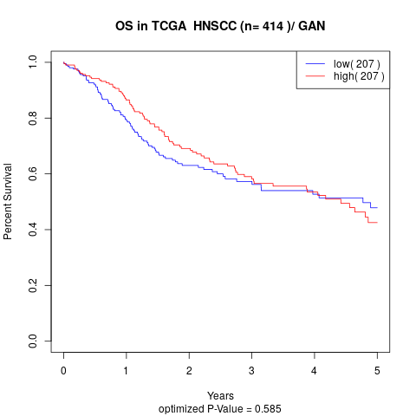

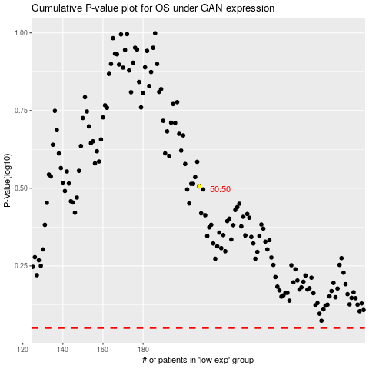

 |  |  |  |  |  | cases_OS | p_OS | rank | exp
 |  |  |  |  |  |  | cases_RFS | p_RFS | rank | exp

