GANC _multivariate
Reported by Tex Li-Hsing Chi. tex@gate.sinica.edu.tw 2019-08-19

Table 2. The clinicopathological features of HNSCC cohort and GANC expression. (Chi square test)
Cutoff at -0.157 (50.0%)
 |  | GANC expression |  | GANC expression |  | (Optimised)
 | Features | Low | (%) | High | (%) | Case no | P-value | Remark | Matthews
Gender | Female | 163 | 39.3 | 143 | 34.5 | 415 | 0.0277 | 1 | 0
2 | Male | 44 | 10.6 | 65 | 15.7
Age at diagnosis | <=65y | 135 | 32.5 | 139 | 33.5 | 415 | 0.8084 | 0 | 0
4 | >65y | 72 | 17.3 | 69 | 16.6
Clinical T Status | T1+T2 | 67 | 16.1 | 82 | 19.8 | 415 | 0.1628 | 0 | 0
6 | T3+T4 | 140 | 33.7 | 126 | 30.4
Clinical N Status | N0 | 105 | 25.3 | 111 | 26.7 | 415 | 0.6598 | 0 | 0
8 | N1-3 | 102 | 24.6 | 97 | 23.4
Clinical M Status | M0 | 205 | 49.4 | 207 | 49.9 | 415 | 0.6232 | 0 | 0
10 | M1 | 2 | 0.5 | 1 | 0.2
Clinical Stage | Stage I+II | 40 | 9.6 | 62 | 14.9 | 415 | 0.018 | 1 | 0
12 | Stage III+IV | 167 | 40.2 | 146 | 35.2
Surgical Margin status | Negative | 155 | 37.3 | 163 | 39.3 | 415 | 0.4187 | 0 | 0
14 | Positive | 52 | 12.5 | 45 | 10.8
Tobacco Exposure | Low | 68 | 16.4 | 93 | 22.4 | 415 | 0.0156 | 1 | 0
16 | High | 139 | 33.5 | 115 | 27.7

Table 3. Univariate/Multivariate Cox's proportional hazards regression analyses on OS time of GANC gene expression in HNSCC

 |  | Univariate |  |  |  | Multivariate
 | Features | HR | CI95%(L) | CI95%(H) | P-value | HR | CI95%(L) | CI95%(H) | P-value
1 | Female | 1 |  |  |  | 1
Gender | Male | 1.157 | 0.843 | 1.587 | 0.367 | 1.196 | 0.854 | 1.675 | 0.297
11 | <=65y | 1 |  |  |  | 1
Age at diagnosis | >65y | 1.329 | 0.99 | 1.784 | 0.058 | 1.396 | 1.026 | 1.901 | 0.034
12 | T1+T2 | 1 |  |  |  | 1
Clinical T Status | T3+T4 | 1.409 | 1.028 | 1.931 | 0.033 | 2.194 | 1.16 | 4.153 | 0.016
13 | N0 | 1 |  |  |  | 1
Clinical N Status | N1-3 | 1.185 | 0.89 | 1.577 | 0.246 | 1.241 | 0.87 | 1.77 | 0.234
14 | M0 | 1 |  |  |  | 1
Clinical M Status | M1 | 4.097 | 1.009 | 16.644 | 0.049 | 9.395 | 2.05 | 43.066 | 0.004
15 | Stage I+II | 1 |  |  |  | 1
Clinical Stage | Stage III+IV | 1.245 | 0.882 | 1.759 | 0.213 | 0.51 | 0.236 | 1.1 | 0.086
16 | Negative | 1 |  |  |  | 1
Surgical Margin status | Positive | 1.591 | 1.155 | 2.191 | 0.004 | 1.673 | 1.211 | 2.312 | 0.002
17 | Low | 1 |  |  |  | 1
Tobacco Exposure | High | 1.364 | 1.008 | 1.844 | 0.044 | 1.457 | 1.056 | 2.011 | 0.022
18 | Low | 1 |  |  |  | 1
RNAseq(z-score) | High | 0.969 | 0.727 | 1.291 | 0.829 | 1.033 | 0.766 | 1.392 | 0.833

Table 4. Univariate/Multivariate Cox's proportional hazards regression analyses on RFS time of GANC gene expression in HNSCC

 |  | Univariate |  |  |  | Multivariate
 | Features | HR | CI95%(L) | CI95%(H) | P-value | HR | CI95%(L) | CI95%(H) | P-value
1 | Female | 1 |  |  |  | 1
Gender | Male | 1.157 | 0.843 | 1.587 | 0.367 | 1.196 | 0.854 | 1.675 | 0.297
11 | <=65y | 1 |  |  |  | 1
Age at diagnosis | >65y | 1.329 | 0.99 | 1.784 | 0.058 | 1.396 | 1.026 | 1.901 | 0.034
12 | T1+T2 | 1 |  |  |  | 1
Clinical T Status | T3+T4 | 1.409 | 1.028 | 1.931 | 0.033 | 2.194 | 1.16 | 4.153 | 0.016
13 | N0 | 1 |  |  |  | 1
Clinical N Status | N1-3 | 1.185 | 0.89 | 1.577 | 0.246 | 1.241 | 0.87 | 1.77 | 0.234
14 | M0 | 1 |  |  |  | 1
Clinical M Status | M1 | 4.097 | 1.009 | 16.644 | 0.049 | 9.395 | 2.05 | 43.066 | 0.004
15 | Stage I+II | 1 |  |  |  | 1
Clinical Stage | Stage III+IV | 1.245 | 0.882 | 1.759 | 0.213 | 0.51 | 0.236 | 1.1 | 0.086
16 | Negative | 1 |  |  |  | 1
Surgical Margin status | Positive | 1.591 | 1.155 | 2.191 | 0.004 | 1.673 | 1.211 | 2.312 | 0.002
17 | Low | 1 |  |  |  | 1
Tobacco Exposure | High | 1.364 | 1.008 | 1.844 | 0.044 | 1.457 | 1.056 | 2.011 | 0.022
18 | Low | 1 |  |  |  | 1
RNAseq(z-score) | High | 0.969 | 0.727 | 1.291 | 0.829 | 1.033 | 0.766 | 1.392 | 0.833

Kaplan-Meier survival estimate: Cutoff at -0.157 (50.0%)



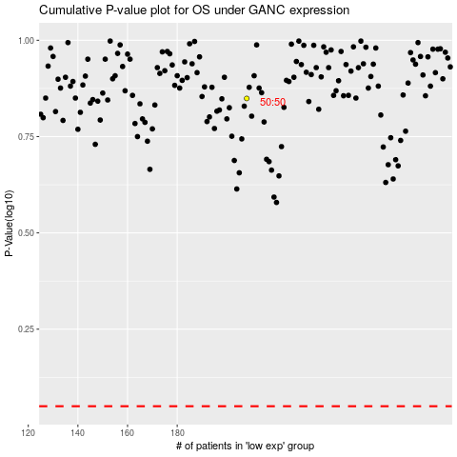

 |  |  |  |  |  | cases_OS | p_OS | rank | exp
 |  |  |  |  |  |  | cases_RFS | p_RFS | rank | exp

