GAR1 _multivariate
Reported by Tex Li-Hsing Chi. tex@gate.sinica.edu.tw 2019-08-19

Table 2. The clinicopathological features of HNSCC cohort and GAR1 expression. (Chi square test)
Cutoff at -0.229 (50.0%)
 |  | GAR1 expression |  | GAR1 expression |  | (Optimised)
 | Features | Low | (%) | High | (%) | Case no | P-value | Remark | Matthews
Gender | Female | 164 | 39.5 | 142 | 34.2 | 415 | 0.0153 | 1 | 0
2 | Male | 43 | 10.4 | 66 | 15.9
Age at diagnosis | <=65y | 135 | 32.5 | 139 | 33.5 | 415 | 0.8084 | 0 | 0
4 | >65y | 72 | 17.3 | 69 | 16.6
Clinical T Status | T1+T2 | 75 | 18.1 | 74 | 17.8 | 415 | 0.9707 | 0 | 0
6 | T3+T4 | 132 | 31.8 | 134 | 32.3
Clinical N Status | N0 | 106 | 25.5 | 110 | 26.5 | 415 | 0.8075 | 0 | 0
8 | N1-3 | 101 | 24.3 | 98 | 23.6
Clinical M Status | M0 | 207 | 49.9 | 205 | 49.4 | 415 | 0.2482 | 0 | 0
10 | M1 | 0 | 0 | 3 | 0.7
Clinical Stage | Stage I+II | 49 | 11.8 | 53 | 12.8 | 415 | 0.7535 | 0 | 0
12 | Stage III+IV | 158 | 38.1 | 155 | 37.3
Surgical Margin status | Negative | 168 | 40.5 | 150 | 36.1 | 415 | 0.0366 | 1 | 0
14 | Positive | 39 | 9.4 | 58 | 14
Tobacco Exposure | Low | 81 | 19.5 | 80 | 19.3 | 415 | 0.9199 | 0 | 0
16 | High | 126 | 30.4 | 128 | 30.8

Table 3. Univariate/Multivariate Cox's proportional hazards regression analyses on OS time of GAR1 gene expression in HNSCC

 |  | Univariate |  |  |  | Multivariate
 | Features | HR | CI95%(L) | CI95%(H) | P-value | HR | CI95%(L) | CI95%(H) | P-value
1 | Female | 1 |  |  |  | 1
Gender | Male | 1.157 | 0.843 | 1.587 | 0.367 | 1.174 | 0.834 | 1.653 | 0.358
11 | <=65y | 1 |  |  |  | 1
Age at diagnosis | >65y | 1.329 | 0.99 | 1.784 | 0.058 | 1.393 | 1.025 | 1.893 | 0.034
12 | T1+T2 | 1 |  |  |  | 1
Clinical T Status | T3+T4 | 1.409 | 1.028 | 1.931 | 0.033 | 2.183 | 1.154 | 4.129 | 0.016
13 | N0 | 1 |  |  |  | 1
Clinical N Status | N1-3 | 1.185 | 0.89 | 1.577 | 0.246 | 1.238 | 0.868 | 1.766 | 0.239
14 | M0 | 1 |  |  |  | 1
Clinical M Status | M1 | 4.097 | 1.009 | 16.644 | 0.049 | 8.785 | 1.893 | 40.775 | 0.006
15 | Stage I+II | 1 |  |  |  | 1
Clinical Stage | Stage III+IV | 1.245 | 0.882 | 1.759 | 0.213 | 0.513 | 0.239 | 1.101 | 0.087
16 | Negative | 1 |  |  |  | 1
Surgical Margin status | Positive | 1.591 | 1.155 | 2.191 | 0.004 | 1.635 | 1.176 | 2.273 | 0.003
17 | Low | 1 |  |  |  | 1
Tobacco Exposure | High | 1.364 | 1.008 | 1.844 | 0.044 | 1.446 | 1.049 | 1.994 | 0.024
18 | Low | 1 |  |  |  | 1
RNAseq(z-score) | High | 1.27 | 0.952 | 1.695 | 0.104 | 1.109 | 0.82 | 1.501 | 0.5

Table 4. Univariate/Multivariate Cox's proportional hazards regression analyses on RFS time of GAR1 gene expression in HNSCC

 |  | Univariate |  |  |  | Multivariate
 | Features | HR | CI95%(L) | CI95%(H) | P-value | HR | CI95%(L) | CI95%(H) | P-value
1 | Female | 1 |  |  |  | 1
Gender | Male | 1.157 | 0.843 | 1.587 | 0.367 | 1.174 | 0.834 | 1.653 | 0.358
11 | <=65y | 1 |  |  |  | 1
Age at diagnosis | >65y | 1.329 | 0.99 | 1.784 | 0.058 | 1.393 | 1.025 | 1.893 | 0.034
12 | T1+T2 | 1 |  |  |  | 1
Clinical T Status | T3+T4 | 1.409 | 1.028 | 1.931 | 0.033 | 2.183 | 1.154 | 4.129 | 0.016
13 | N0 | 1 |  |  |  | 1
Clinical N Status | N1-3 | 1.185 | 0.89 | 1.577 | 0.246 | 1.238 | 0.868 | 1.766 | 0.239
14 | M0 | 1 |  |  |  | 1
Clinical M Status | M1 | 4.097 | 1.009 | 16.644 | 0.049 | 8.785 | 1.893 | 40.775 | 0.006
15 | Stage I+II | 1 |  |  |  | 1
Clinical Stage | Stage III+IV | 1.245 | 0.882 | 1.759 | 0.213 | 0.513 | 0.239 | 1.101 | 0.087
16 | Negative | 1 |  |  |  | 1
Surgical Margin status | Positive | 1.591 | 1.155 | 2.191 | 0.004 | 1.635 | 1.176 | 2.273 | 0.003
17 | Low | 1 |  |  |  | 1
Tobacco Exposure | High | 1.364 | 1.008 | 1.844 | 0.044 | 1.446 | 1.049 | 1.994 | 0.024
18 | Low | 1 |  |  |  | 1
RNAseq(z-score) | High | 1.27 | 0.952 | 1.695 | 0.104 | 1.109 | 0.82 | 1.501 | 0.5

Kaplan-Meier survival estimate: Cutoff at -0.229 (50.0%)



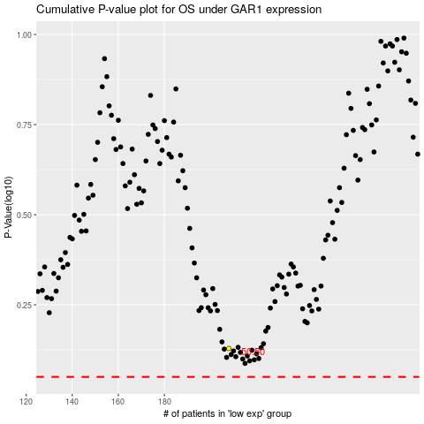

 |  |  |  |  |  | cases_OS | p_OS | rank | exp
 |  |  |  |  |  |  | cases_RFS | p_RFS | rank | exp

