GARS _multivariate
Reported by Tex Li-Hsing Chi. tex@gate.sinica.edu.tw 2019-08-19

Table 2. The clinicopathological features of HNSCC cohort and GARS expression. (Chi square test)
Cutoff at -0.153 (50.0%)
 |  | GARS expression |  | GARS expression |  | (Optimised)
 | Features | Low | (%) | High | (%) | Case no | P-value | Remark | Matthews
Gender | Female | 158 | 38.1 | 148 | 35.7 | 415 | 0.2774 | 0 | 0
2 | Male | 49 | 11.8 | 60 | 14.5
Age at diagnosis | <=65y | 139 | 33.5 | 135 | 32.5 | 415 | 0.7044 | 0 | 0
4 | >65y | 68 | 16.4 | 73 | 17.6
Clinical T Status | T1+T2 | 82 | 19.8 | 67 | 16.1 | 415 | 0.1417 | 0 | 0
6 | T3+T4 | 125 | 30.1 | 141 | 34
Clinical N Status | N0 | 113 | 27.2 | 103 | 24.8 | 415 | 0.3495 | 1 | 0
8 | N1-3 | 94 | 22.7 | 105 | 25.3
Clinical M Status | M0 | 207 | 49.9 | 205 | 49.4 | 415 | 0.2482 | 0 | 0
10 | M1 | 0 | 0 | 3 | 0.7
Clinical Stage | Stage I+II | 54 | 13 | 48 | 11.6 | 415 | 0.5498 | 0 | 0
12 | Stage III+IV | 153 | 36.9 | 160 | 38.6
Surgical Margin status | Negative | 162 | 39 | 156 | 37.6 | 415 | 0.4867 | 0 | 0
14 | Positive | 45 | 10.8 | 52 | 12.5
Tobacco Exposure | Low | 82 | 19.8 | 79 | 19 | 415 | 0.763 | 0 | 0
16 | High | 125 | 30.1 | 129 | 31.1

Table 3. Univariate/Multivariate Cox's proportional hazards regression analyses on OS time of GARS gene expression in HNSCC

 |  | Univariate |  |  |  | Multivariate
 | Features | HR | CI95%(L) | CI95%(H) | P-value | HR | CI95%(L) | CI95%(H) | P-value
1 | Female | 1 |  |  |  | 1
Gender | Male | 1.157 | 0.843 | 1.587 | 0.367 | 1.185 | 0.847 | 1.657 | 0.321
11 | <=65y | 1 |  |  |  | 1
Age at diagnosis | >65y | 1.329 | 0.99 | 1.784 | 0.058 | 1.392 | 1.024 | 1.891 | 0.035
12 | T1+T2 | 1 |  |  |  | 1
Clinical T Status | T3+T4 | 1.409 | 1.028 | 1.931 | 0.033 | 2.131 | 1.124 | 4.04 | 0.02
13 | N0 | 1 |  |  |  | 1
Clinical N Status | N1-3 | 1.185 | 0.89 | 1.577 | 0.246 | 1.227 | 0.86 | 1.753 | 0.259
14 | M0 | 1 |  |  |  | 1
Clinical M Status | M1 | 4.097 | 1.009 | 16.644 | 0.049 | 8.461 | 1.825 | 39.236 | 0.006
15 | Stage I+II | 1 |  |  |  | 1
Clinical Stage | Stage III+IV | 1.245 | 0.882 | 1.759 | 0.213 | 0.521 | 0.242 | 1.122 | 0.096
16 | Negative | 1 |  |  |  | 1
Surgical Margin status | Positive | 1.591 | 1.155 | 2.191 | 0.004 | 1.657 | 1.199 | 2.29 | 0.002
17 | Low | 1 |  |  |  | 1
Tobacco Exposure | High | 1.364 | 1.008 | 1.844 | 0.044 | 1.45 | 1.052 | 1.998 | 0.023
18 | Low | 1 |  |  |  | 1
RNAseq(z-score) | High | 1.284 | 0.964 | 1.71 | 0.088 | 1.171 | 0.875 | 1.568 | 0.288

Table 4. Univariate/Multivariate Cox's proportional hazards regression analyses on RFS time of GARS gene expression in HNSCC

 |  | Univariate |  |  |  | Multivariate
 | Features | HR | CI95%(L) | CI95%(H) | P-value | HR | CI95%(L) | CI95%(H) | P-value
1 | Female | 1 |  |  |  | 1
Gender | Male | 1.157 | 0.843 | 1.587 | 0.367 | 1.185 | 0.847 | 1.657 | 0.321
11 | <=65y | 1 |  |  |  | 1
Age at diagnosis | >65y | 1.329 | 0.99 | 1.784 | 0.058 | 1.392 | 1.024 | 1.891 | 0.035
12 | T1+T2 | 1 |  |  |  | 1
Clinical T Status | T3+T4 | 1.409 | 1.028 | 1.931 | 0.033 | 2.131 | 1.124 | 4.04 | 0.02
13 | N0 | 1 |  |  |  | 1
Clinical N Status | N1-3 | 1.185 | 0.89 | 1.577 | 0.246 | 1.227 | 0.86 | 1.753 | 0.259
14 | M0 | 1 |  |  |  | 1
Clinical M Status | M1 | 4.097 | 1.009 | 16.644 | 0.049 | 8.461 | 1.825 | 39.236 | 0.006
15 | Stage I+II | 1 |  |  |  | 1
Clinical Stage | Stage III+IV | 1.245 | 0.882 | 1.759 | 0.213 | 0.521 | 0.242 | 1.122 | 0.096
16 | Negative | 1 |  |  |  | 1
Surgical Margin status | Positive | 1.591 | 1.155 | 2.191 | 0.004 | 1.657 | 1.199 | 2.29 | 0.002
17 | Low | 1 |  |  |  | 1
Tobacco Exposure | High | 1.364 | 1.008 | 1.844 | 0.044 | 1.45 | 1.052 | 1.998 | 0.023
18 | Low | 1 |  |  |  | 1
RNAseq(z-score) | High | 1.284 | 0.964 | 1.71 | 0.088 | 1.171 | 0.875 | 1.568 | 0.288

Kaplan-Meier survival estimate: Cutoff at -0.153 (50.0%)



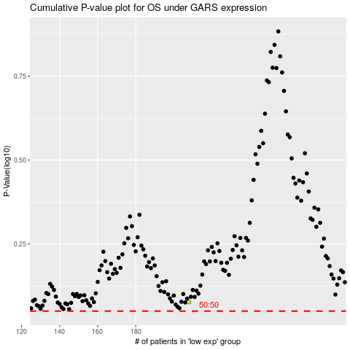

 |  |  |  |  |  | cases_OS | p_OS | rank | exp
 |  |  |  |  |  |  | cases_RFS | p_RFS | rank | exp

