GAS2L1 _multivariate
Reported by Tex Li-Hsing Chi. tex@gate.sinica.edu.tw 2019-08-19

Table 2. The clinicopathological features of HNSCC cohort and GAS2L1 expression. (Chi square test)
Cutoff at -0.153 (49.8%)
 |  | GAS2L1 expression |  | GAS2L1 expression |  | (Optimised)
 | Features | Low | (%) | High | (%) | Case no | P-value | Remark | Matthews
Gender | Female | 157 | 37.8 | 149 | 35.9 | 415 | 0.3881 | 0 | 0
2 | Male | 50 | 12 | 59 | 14.2
Age at diagnosis | <=65y | 143 | 34.5 | 131 | 31.6 | 415 | 0.2269 | 0 | 0
4 | >65y | 64 | 15.4 | 77 | 18.6
Clinical T Status | T1+T2 | 69 | 16.6 | 80 | 19.3 | 415 | 0.3239 | 0 | 0
6 | T3+T4 | 138 | 33.3 | 128 | 30.8
Clinical N Status | N0 | 93 | 22.4 | 123 | 29.6 | 415 | 0.0051 | 1 | 0
8 | N1-3 | 114 | 27.5 | 85 | 20.5
Clinical M Status | M0 | 206 | 49.6 | 206 | 49.6 | 415 | 1 | 0 | 0
10 | M1 | 1 | 0.2 | 2 | 0.5
Clinical Stage | Stage I+II | 41 | 9.9 | 61 | 14.7 | 415 | 0.0325 | 1 | 0
12 | Stage III+IV | 166 | 40 | 147 | 35.4
Surgical Margin status | Negative | 158 | 38.1 | 160 | 38.6 | 415 | 0.9081 | 0 | 0
14 | Positive | 49 | 11.8 | 48 | 11.6
Tobacco Exposure | Low | 81 | 19.5 | 80 | 19.3 | 415 | 0.9199 | 0 | 0
16 | High | 126 | 30.4 | 128 | 30.8

Table 3. Univariate/Multivariate Cox's proportional hazards regression analyses on OS time of GAS2L1 gene expression in HNSCC

 |  | Univariate |  |  |  | Multivariate
 | Features | HR | CI95%(L) | CI95%(H) | P-value | HR | CI95%(L) | CI95%(H) | P-value
1 | Female | 1 |  |  |  | 1
Gender | Male | 1.157 | 0.843 | 1.587 | 0.367 | 1.224 | 0.876 | 1.709 | 0.236
11 | <=65y | 1 |  |  |  | 1
Age at diagnosis | >65y | 1.329 | 0.99 | 1.784 | 0.058 | 1.396 | 1.028 | 1.897 | 0.033
12 | T1+T2 | 1 |  |  |  | 1
Clinical T Status | T3+T4 | 1.409 | 1.028 | 1.931 | 0.033 | 2.261 | 1.194 | 4.282 | 0.012
13 | N0 | 1 |  |  |  | 1
Clinical N Status | N1-3 | 1.185 | 0.89 | 1.577 | 0.246 | 1.198 | 0.838 | 1.714 | 0.322
14 | M0 | 1 |  |  |  | 1
Clinical M Status | M1 | 4.097 | 1.009 | 16.644 | 0.049 | 10.596 | 2.293 | 48.969 | 0.003
15 | Stage I+II | 1 |  |  |  | 1
Clinical Stage | Stage III+IV | 1.245 | 0.882 | 1.759 | 0.213 | 0.485 | 0.225 | 1.042 | 0.064
16 | Negative | 1 |  |  |  | 1
Surgical Margin status | Positive | 1.591 | 1.155 | 2.191 | 0.004 | 1.707 | 1.233 | 2.364 | 0.001
17 | Low | 1 |  |  |  | 1
Tobacco Exposure | High | 1.364 | 1.008 | 1.844 | 0.044 | 1.474 | 1.07 | 2.03 | 0.018
18 | Low | 1 |  |  |  | 1
RNAseq(z-score) | High | 0.864 | 0.649 | 1.15 | 0.316 | 0.796 | 0.593 | 1.07 | 0.131

Table 4. Univariate/Multivariate Cox's proportional hazards regression analyses on RFS time of GAS2L1 gene expression in HNSCC

 |  | Univariate |  |  |  | Multivariate
 | Features | HR | CI95%(L) | CI95%(H) | P-value | HR | CI95%(L) | CI95%(H) | P-value
1 | Female | 1 |  |  |  | 1
Gender | Male | 1.157 | 0.843 | 1.587 | 0.367 | 1.224 | 0.876 | 1.709 | 0.236
11 | <=65y | 1 |  |  |  | 1
Age at diagnosis | >65y | 1.329 | 0.99 | 1.784 | 0.058 | 1.396 | 1.028 | 1.897 | 0.033
12 | T1+T2 | 1 |  |  |  | 1
Clinical T Status | T3+T4 | 1.409 | 1.028 | 1.931 | 0.033 | 2.261 | 1.194 | 4.282 | 0.012
13 | N0 | 1 |  |  |  | 1
Clinical N Status | N1-3 | 1.185 | 0.89 | 1.577 | 0.246 | 1.198 | 0.838 | 1.714 | 0.322
14 | M0 | 1 |  |  |  | 1
Clinical M Status | M1 | 4.097 | 1.009 | 16.644 | 0.049 | 10.596 | 2.293 | 48.969 | 0.003
15 | Stage I+II | 1 |  |  |  | 1
Clinical Stage | Stage III+IV | 1.245 | 0.882 | 1.759 | 0.213 | 0.485 | 0.225 | 1.042 | 0.064
16 | Negative | 1 |  |  |  | 1
Surgical Margin status | Positive | 1.591 | 1.155 | 2.191 | 0.004 | 1.707 | 1.233 | 2.364 | 0.001
17 | Low | 1 |  |  |  | 1
Tobacco Exposure | High | 1.364 | 1.008 | 1.844 | 0.044 | 1.474 | 1.07 | 2.03 | 0.018
18 | Low | 1 |  |  |  | 1
RNAseq(z-score) | High | 0.864 | 0.649 | 1.15 | 0.316 | 0.796 | 0.593 | 1.07 | 0.131

Kaplan-Meier survival estimate: Cutoff at -0.153 (49.8%)



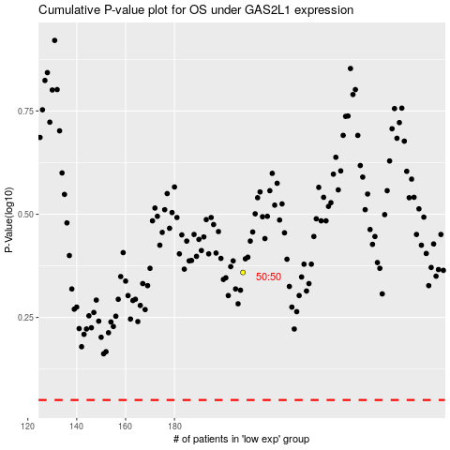

 |  |  |  |  |  | cases_OS | p_OS | rank | exp
 |  |  |  |  |  |  | cases_RFS | p_RFS | rank | exp

