GAS5 _multivariate
Reported by Tex Li-Hsing Chi. tex@gate.sinica.edu.tw 2019-08-19

Table 2. The clinicopathological features of HNSCC cohort and GAS5 expression. (Chi square test)
Cutoff at -0.312 (49.8%)
 |  | GAS5 expression |  | GAS5 expression |  | (Optimised)
 | Features | Low | (%) | High | (%) | Case no | P-value | Remark | Matthews
Gender | Female | 145 | 34.9 | 161 | 38.8 | 415 | 0.1116 | 0 | 0
2 | Male | 62 | 14.9 | 47 | 11.3
Age at diagnosis | <=65y | 137 | 33 | 137 | 33 | 415 | 1 | 0 | 0
4 | >65y | 70 | 16.9 | 71 | 17.1
Clinical T Status | T1+T2 | 83 | 20 | 66 | 15.9 | 415 | 0.0941 | 0 | 0
6 | T3+T4 | 124 | 29.9 | 142 | 34.2
Clinical N Status | N0 | 109 | 26.3 | 107 | 25.8 | 415 | 0.8812 | 0 | 0
8 | N1-3 | 98 | 23.6 | 101 | 24.3
Clinical M Status | M0 | 206 | 49.6 | 206 | 49.6 | 415 | 1 | 0 | 0
10 | M1 | 1 | 0.2 | 2 | 0.5
Clinical Stage | Stage I+II | 58 | 14 | 44 | 10.6 | 415 | 0.131 | 0 | 0
12 | Stage III+IV | 149 | 35.9 | 164 | 39.5
Surgical Margin status | Negative | 169 | 40.7 | 149 | 35.9 | 415 | 0.0201 | 1 | 0
14 | Positive | 38 | 9.2 | 59 | 14.2
Tobacco Exposure | Low | 90 | 21.7 | 71 | 17.1 | 415 | 0.0559 | 0 | 0
16 | High | 117 | 28.2 | 137 | 33

Table 3. Univariate/Multivariate Cox's proportional hazards regression analyses on OS time of GAS5 gene expression in HNSCC

 |  | Univariate |  |  |  | Multivariate
 | Features | HR | CI95%(L) | CI95%(H) | P-value | HR | CI95%(L) | CI95%(H) | P-value
1 | Female | 1 |  |  |  | 1
Gender | Male | 1.157 | 0.843 | 1.587 | 0.367 | 1.193 | 0.855 | 1.666 | 0.299
11 | <=65y | 1 |  |  |  | 1
Age at diagnosis | >65y | 1.329 | 0.99 | 1.784 | 0.058 | 1.394 | 1.025 | 1.896 | 0.034
12 | T1+T2 | 1 |  |  |  | 1
Clinical T Status | T3+T4 | 1.409 | 1.028 | 1.931 | 0.033 | 2.247 | 1.187 | 4.254 | 0.013
13 | N0 | 1 |  |  |  | 1
Clinical N Status | N1-3 | 1.185 | 0.89 | 1.577 | 0.246 | 1.252 | 0.877 | 1.785 | 0.216
14 | M0 | 1 |  |  |  | 1
Clinical M Status | M1 | 4.097 | 1.009 | 16.644 | 0.049 | 9.731 | 2.121 | 44.644 | 0.003
15 | Stage I+II | 1 |  |  |  | 1
Clinical Stage | Stage III+IV | 1.245 | 0.882 | 1.759 | 0.213 | 0.501 | 0.233 | 1.076 | 0.076
16 | Negative | 1 |  |  |  | 1
Surgical Margin status | Positive | 1.591 | 1.155 | 2.191 | 0.004 | 1.733 | 1.248 | 2.406 | 0.001
17 | Low | 1 |  |  |  | 1
Tobacco Exposure | High | 1.364 | 1.008 | 1.844 | 0.044 | 1.485 | 1.076 | 2.05 | 0.016
18 | Low | 1 |  |  |  | 1
RNAseq(z-score) | High | 0.941 | 0.707 | 1.253 | 0.677 | 0.817 | 0.609 | 1.097 | 0.179

Table 4. Univariate/Multivariate Cox's proportional hazards regression analyses on RFS time of GAS5 gene expression in HNSCC

 |  | Univariate |  |  |  | Multivariate
 | Features | HR | CI95%(L) | CI95%(H) | P-value | HR | CI95%(L) | CI95%(H) | P-value
1 | Female | 1 |  |  |  | 1
Gender | Male | 1.157 | 0.843 | 1.587 | 0.367 | 1.193 | 0.855 | 1.666 | 0.299
11 | <=65y | 1 |  |  |  | 1
Age at diagnosis | >65y | 1.329 | 0.99 | 1.784 | 0.058 | 1.394 | 1.025 | 1.896 | 0.034
12 | T1+T2 | 1 |  |  |  | 1
Clinical T Status | T3+T4 | 1.409 | 1.028 | 1.931 | 0.033 | 2.247 | 1.187 | 4.254 | 0.013
13 | N0 | 1 |  |  |  | 1
Clinical N Status | N1-3 | 1.185 | 0.89 | 1.577 | 0.246 | 1.252 | 0.877 | 1.785 | 0.216
14 | M0 | 1 |  |  |  | 1
Clinical M Status | M1 | 4.097 | 1.009 | 16.644 | 0.049 | 9.731 | 2.121 | 44.644 | 0.003
15 | Stage I+II | 1 |  |  |  | 1
Clinical Stage | Stage III+IV | 1.245 | 0.882 | 1.759 | 0.213 | 0.501 | 0.233 | 1.076 | 0.076
16 | Negative | 1 |  |  |  | 1
Surgical Margin status | Positive | 1.591 | 1.155 | 2.191 | 0.004 | 1.733 | 1.248 | 2.406 | 0.001
17 | Low | 1 |  |  |  | 1
Tobacco Exposure | High | 1.364 | 1.008 | 1.844 | 0.044 | 1.485 | 1.076 | 2.05 | 0.016
18 | Low | 1 |  |  |  | 1
RNAseq(z-score) | High | 0.941 | 0.707 | 1.253 | 0.677 | 0.817 | 0.609 | 1.097 | 0.179

Kaplan-Meier survival estimate: Cutoff at -0.312 (49.8%)



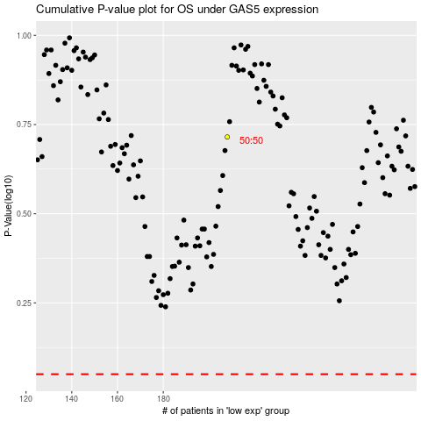

 |  |  |  |  |  | cases_OS | p_OS | rank | exp
 |  |  |  |  |  |  | cases_RFS | p_RFS | rank | exp

